BAIAP2L1 _multivariate
Reported by Tex Li-Hsing Chi. tex@gate.sinica.edu.tw 2019-08-21

Table 2. The clinicopathological features of HNSCC cohort and BAIAP2L1 expression. (Chi square test)
Cutoff at 0.316 (69.8%)
 |  | BAIAP2L1 expression |  | BAIAP2L1 expression |  | (Optimised)
 | Features | Low | (%) | High | (%) | Case no | P-value | Remark | Matthews
Gender | Female | 211 | 50.8 | 95 | 22.9 | 415 | 0.5708 | 0 | 0
2 | Male | 79 | 19 | 30 | 7.2
Age at diagnosis | <=65y | 196 | 47.2 | 78 | 18.8 | 415 | 0.3626 | 0 | 0
4 | >65y | 94 | 22.7 | 47 | 11.3
Clinical T Status | T1+T2 | 118 | 28.4 | 31 | 7.5 | 415 | 0.0028 | 1 | 0
6 | T3+T4 | 172 | 41.4 | 94 | 22.7
Clinical N Status | N0 | 150 | 36.1 | 66 | 15.9 | 415 | 0.925 | 0 | 0
8 | N1-3 | 140 | 33.7 | 59 | 14.2
Clinical M Status | M0 | 288 | 69.4 | 124 | 29.9 | 415 | 1 | 0 | 0
10 | M1 | 2 | 0.5 | 1 | 0.2
Clinical Stage | Stage I+II | 80 | 19.3 | 22 | 5.3 | 415 | 0.041 | 1 | 0
12 | Stage III+IV | 210 | 50.6 | 103 | 24.8
Surgical Margin status | Negative | 230 | 55.4 | 88 | 21.2 | 415 | 0.0579 | 0 | 0
14 | Positive | 60 | 14.5 | 37 | 8.9
Tobacco Exposure | Low | 114 | 27.5 | 47 | 11.3 | 415 | 0.8263 | 0 | 0
16 | High | 176 | 42.4 | 78 | 18.8

Table 3. Univariate/Multivariate Cox's proportional hazards regression analyses on OS time of BAIAP2L1 gene expression in HNSCC

 |  | Univariate |  |  |  | Multivariate
 | Features | HR | CI95%(L) | CI95%(H) | P-value | HR | CI95%(L) | CI95%(H) | P-value
1 | Female | 1 |  |  |  | 1
Gender | Male | 1.157 | 0.843 | 1.587 | 0.367 | 1.207 | 0.864 | 1.686 | 0.27
11 | <=65y | 1 |  |  |  | 1
Age at diagnosis | >65y | 1.329 | 0.99 | 1.784 | 0.058 | 1.386 | 1.021 | 1.882 | 0.037
12 | T1+T2 | 1 |  |  |  | 1
Clinical T Status | T3+T4 | 1.409 | 1.028 | 1.931 | 0.033 | 2.13 | 1.124 | 4.033 | 0.02
13 | N0 | 1 |  |  |  | 1
Clinical N Status | N1-3 | 1.185 | 0.89 | 1.577 | 0.246 | 1.25 | 0.876 | 1.784 | 0.218
14 | M0 | 1 |  |  |  | 1
Clinical M Status | M1 | 4.097 | 1.009 | 16.644 | 0.049 | 9.387 | 2.047 | 43.051 | 0.004
15 | Stage I+II | 1 |  |  |  | 1
Clinical Stage | Stage III+IV | 1.245 | 0.882 | 1.759 | 0.213 | 0.511 | 0.238 | 1.095 | 0.084
16 | Negative | 1 |  |  |  | 1
Surgical Margin status | Positive | 1.591 | 1.155 | 2.191 | 0.004 | 1.63 | 1.177 | 2.257 | 0.003
17 | Low | 1 |  |  |  | 1
Tobacco Exposure | High | 1.364 | 1.008 | 1.844 | 0.044 | 1.417 | 1.027 | 1.955 | 0.034
18 | Low | 1 |  |  |  | 1
RNAseq(z-score) | High | 1.393 | 1.029 | 1.884 | 0.032 | 1.277 | 0.939 | 1.738 | 0.12

Table 4. Univariate/Multivariate Cox's proportional hazards regression analyses on RFS time of BAIAP2L1 gene expression in HNSCC

 |  | Univariate |  |  |  | Multivariate
 | Features | HR | CI95%(L) | CI95%(H) | P-value | HR | CI95%(L) | CI95%(H) | P-value
1 | Female | 1 |  |  |  | 1
Gender | Male | 1.157 | 0.843 | 1.587 | 0.367 | 1.207 | 0.864 | 1.686 | 0.27
11 | <=65y | 1 |  |  |  | 1
Age at diagnosis | >65y | 1.329 | 0.99 | 1.784 | 0.058 | 1.386 | 1.021 | 1.882 | 0.037
12 | T1+T2 | 1 |  |  |  | 1
Clinical T Status | T3+T4 | 1.409 | 1.028 | 1.931 | 0.033 | 2.13 | 1.124 | 4.033 | 0.02
13 | N0 | 1 |  |  |  | 1
Clinical N Status | N1-3 | 1.185 | 0.89 | 1.577 | 0.246 | 1.25 | 0.876 | 1.784 | 0.218
14 | M0 | 1 |  |  |  | 1
Clinical M Status | M1 | 4.097 | 1.009 | 16.644 | 0.049 | 9.387 | 2.047 | 43.051 | 0.004
15 | Stage I+II | 1 |  |  |  | 1
Clinical Stage | Stage III+IV | 1.245 | 0.882 | 1.759 | 0.213 | 0.511 | 0.238 | 1.095 | 0.084
16 | Negative | 1 |  |  |  | 1
Surgical Margin status | Positive | 1.591 | 1.155 | 2.191 | 0.004 | 1.63 | 1.177 | 2.257 | 0.003
17 | Low | 1 |  |  |  | 1
Tobacco Exposure | High | 1.364 | 1.008 | 1.844 | 0.044 | 1.417 | 1.027 | 1.955 | 0.034
18 | Low | 1 |  |  |  | 1
RNAseq(z-score) | High | 1.393 | 1.029 | 1.884 | 0.032 | 1.277 | 0.939 | 1.738 | 0.12

Kaplan-Meier survival estimate: Cutoff at 0.316 (69.8%)



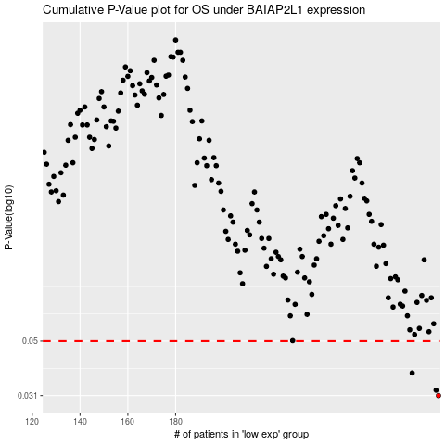

 |  |  |  |  |  | cases_OS | p_OS | rank | exp
 |  |  |  |  |  | 290 | 0.031 | 19 | 0.31550342162
 |  |  |  |  |  | 289 | 0.0325 | 94 | 0.31384395949
 |  |  |  |  |  | 279 | 0.0378 | 283 | 0.2624626219
 |  |  |  |  |  |  | cases_RFS | p_RFS | rank | exp
 |  |  |  |  |  |  | 289 | 0.031 | 94 | 0.31384395949
 |  |  |  |  |  |  | 288 | 0.0325 | 177 | 0.3123551474
 |  |  |  |  |  |  | 278 | 0.0378 | 362 | 0.25554935107

