BAIAP2L2 _multivariate
Reported by Tex Li-Hsing Chi. tex@gate.sinica.edu.tw 2019-08-21

Table 2. The clinicopathological features of HNSCC cohort and BAIAP2L2 expression. (Chi square test)
Cutoff at -0.199 (50.0%)
 |  | BAIAP2L2 expression |  | BAIAP2L2 expression |  | (Optimised)
 | Features | Low | (%) | High | (%) | Case no | P-value | Remark | Matthews
Gender | Female | 157 | 37.8 | 149 | 35.9 | 415 | 0.3881 | 0 | 0
2 | Male | 50 | 12 | 59 | 14.2
Age at diagnosis | <=65y | 141 | 34 | 133 | 32 | 415 | 0.4272 | 0 | 0
4 | >65y | 66 | 15.9 | 75 | 18.1
Clinical T Status | T1+T2 | 76 | 18.3 | 73 | 17.6 | 415 | 0.8092 | 0 | 0
6 | T3+T4 | 131 | 31.6 | 135 | 32.5
Clinical N Status | N0 | 104 | 25.1 | 112 | 27 | 415 | 0.5243 | 0 | 0
8 | N1-3 | 103 | 24.8 | 96 | 23.1
Clinical M Status | M0 | 206 | 49.6 | 206 | 49.6 | 415 | 1 | 0 | 0
10 | M1 | 1 | 0.2 | 2 | 0.5
Clinical Stage | Stage I+II | 49 | 11.8 | 53 | 12.8 | 415 | 0.7535 | 0 | 0
12 | Stage III+IV | 158 | 38.1 | 155 | 37.3
Surgical Margin status | Negative | 155 | 37.3 | 163 | 39.3 | 415 | 0.4187 | 0 | 0
14 | Positive | 52 | 12.5 | 45 | 10.8
Tobacco Exposure | Low | 73 | 17.6 | 88 | 21.2 | 415 | 0.1587 | 0 | 0
16 | High | 134 | 32.3 | 120 | 28.9

Table 3. Univariate/Multivariate Cox's proportional hazards regression analyses on OS time of BAIAP2L2 gene expression in HNSCC

 |  | Univariate |  |  |  | Multivariate
 | Features | HR | CI95%(L) | CI95%(H) | P-value | HR | CI95%(L) | CI95%(H) | P-value
1 | Female | 1 |  |  |  | 1
Gender | Male | 1.157 | 0.843 | 1.587 | 0.367 | 1.199 | 0.857 | 1.677 | 0.29
11 | <=65y | 1 |  |  |  | 1
Age at diagnosis | >65y | 1.329 | 0.99 | 1.784 | 0.058 | 1.392 | 1.023 | 1.892 | 0.035
12 | T1+T2 | 1 |  |  |  | 1
Clinical T Status | T3+T4 | 1.409 | 1.028 | 1.931 | 0.033 | 2.195 | 1.16 | 4.154 | 0.016
13 | N0 | 1 |  |  |  | 1
Clinical N Status | N1-3 | 1.185 | 0.89 | 1.577 | 0.246 | 1.243 | 0.871 | 1.774 | 0.231
14 | M0 | 1 |  |  |  | 1
Clinical M Status | M1 | 4.097 | 1.009 | 16.644 | 0.049 | 9.285 | 2.013 | 42.815 | 0.004
15 | Stage I+II | 1 |  |  |  | 1
Clinical Stage | Stage III+IV | 1.245 | 0.882 | 1.759 | 0.213 | 0.507 | 0.236 | 1.089 | 0.081
16 | Negative | 1 |  |  |  | 1
Surgical Margin status | Positive | 1.591 | 1.155 | 2.191 | 0.004 | 1.672 | 1.21 | 2.309 | 0.002
17 | Low | 1 |  |  |  | 1
Tobacco Exposure | High | 1.364 | 1.008 | 1.844 | 0.044 | 1.457 | 1.056 | 2.01 | 0.022
18 | Low | 1 |  |  |  | 1
RNAseq(z-score) | High | 1.044 | 0.784 | 1.391 | 0.766 | 1.028 | 0.768 | 1.378 | 0.851

Table 4. Univariate/Multivariate Cox's proportional hazards regression analyses on RFS time of BAIAP2L2 gene expression in HNSCC

 |  | Univariate |  |  |  | Multivariate
 | Features | HR | CI95%(L) | CI95%(H) | P-value | HR | CI95%(L) | CI95%(H) | P-value
1 | Female | 1 |  |  |  | 1
Gender | Male | 1.157 | 0.843 | 1.587 | 0.367 | 1.199 | 0.857 | 1.677 | 0.29
11 | <=65y | 1 |  |  |  | 1
Age at diagnosis | >65y | 1.329 | 0.99 | 1.784 | 0.058 | 1.392 | 1.023 | 1.892 | 0.035
12 | T1+T2 | 1 |  |  |  | 1
Clinical T Status | T3+T4 | 1.409 | 1.028 | 1.931 | 0.033 | 2.195 | 1.16 | 4.154 | 0.016
13 | N0 | 1 |  |  |  | 1
Clinical N Status | N1-3 | 1.185 | 0.89 | 1.577 | 0.246 | 1.243 | 0.871 | 1.774 | 0.231
14 | M0 | 1 |  |  |  | 1
Clinical M Status | M1 | 4.097 | 1.009 | 16.644 | 0.049 | 9.285 | 2.013 | 42.815 | 0.004
15 | Stage I+II | 1 |  |  |  | 1
Clinical Stage | Stage III+IV | 1.245 | 0.882 | 1.759 | 0.213 | 0.507 | 0.236 | 1.089 | 0.081
16 | Negative | 1 |  |  |  | 1
Surgical Margin status | Positive | 1.591 | 1.155 | 2.191 | 0.004 | 1.672 | 1.21 | 2.309 | 0.002
17 | Low | 1 |  |  |  | 1
Tobacco Exposure | High | 1.364 | 1.008 | 1.844 | 0.044 | 1.457 | 1.056 | 2.01 | 0.022
18 | Low | 1 |  |  |  | 1
RNAseq(z-score) | High | 1.044 | 0.784 | 1.391 | 0.766 | 1.028 | 0.768 | 1.378 | 0.851

Kaplan-Meier survival estimate: Cutoff at -0.199 (50.0%)



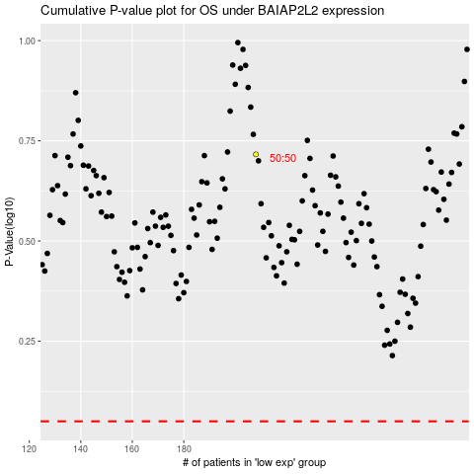

 |  |  |  |  |  | cases_OS | p_OS | rank | exp
 |  |  |  |  |  |  | cases_RFS | p_RFS | rank | exp

