BAIAP3 _multivariate
Reported by Tex Li-Hsing Chi. tex@gate.sinica.edu.tw 2019-08-21

Table 2. The clinicopathological features of HNSCC cohort and BAIAP3 expression. (Chi square test)
Cutoff at -0.261 (49.8%)
 |  | BAIAP3 expression |  | BAIAP3 expression |  | (Optimised)
 | Features | Low | (%) | High | (%) | Case no | P-value | Remark | Matthews
Gender | Female | 144 | 34.7 | 162 | 39 | 415 | 0.0697 | 0 | 0
2 | Male | 63 | 15.2 | 46 | 11.1
Age at diagnosis | <=65y | 124 | 29.9 | 150 | 36.1 | 415 | 0.0116 | 1 | 0
4 | >65y | 83 | 20 | 58 | 14
Clinical T Status | T1+T2 | 89 | 21.4 | 60 | 14.5 | 415 | 0.0037 | 1 | 0
6 | T3+T4 | 118 | 28.4 | 148 | 35.7
Clinical N Status | N0 | 106 | 25.5 | 110 | 26.5 | 415 | 0.8075 | 0 | 0
8 | N1-3 | 101 | 24.3 | 98 | 23.6
Clinical M Status | M0 | 206 | 49.6 | 206 | 49.6 | 415 | 1 | 0 | 0
10 | M1 | 1 | 0.2 | 2 | 0.5
Clinical Stage | Stage I+II | 62 | 14.9 | 40 | 9.6 | 415 | 0.0154 | 1 | 0
12 | Stage III+IV | 145 | 34.9 | 168 | 40.5
Surgical Margin status | Negative | 154 | 37.1 | 164 | 39.5 | 415 | 0.2984 | 0 | 0
14 | Positive | 53 | 12.8 | 44 | 10.6
Tobacco Exposure | Low | 92 | 22.2 | 69 | 16.6 | 415 | 0.0206 | 1 | 0
16 | High | 115 | 27.7 | 139 | 33.5

Table 3. Univariate/Multivariate Cox's proportional hazards regression analyses on OS time of BAIAP3 gene expression in HNSCC

 |  | Univariate |  |  |  | Multivariate
 | Features | HR | CI95%(L) | CI95%(H) | P-value | HR | CI95%(L) | CI95%(H) | P-value
1 | Female | 1 |  |  |  | 1
Gender | Male | 1.157 | 0.843 | 1.587 | 0.367 | 1.206 | 0.863 | 1.687 | 0.273
11 | <=65y | 1 |  |  |  | 1
Age at diagnosis | >65y | 1.329 | 0.99 | 1.784 | 0.058 | 1.352 | 0.991 | 1.845 | 0.057
12 | T1+T2 | 1 |  |  |  | 1
Clinical T Status | T3+T4 | 1.409 | 1.028 | 1.931 | 0.033 | 2.226 | 1.176 | 4.212 | 0.014
13 | N0 | 1 |  |  |  | 1
Clinical N Status | N1-3 | 1.185 | 0.89 | 1.577 | 0.246 | 1.195 | 0.833 | 1.714 | 0.333
14 | M0 | 1 |  |  |  | 1
Clinical M Status | M1 | 4.097 | 1.009 | 16.644 | 0.049 | 9.779 | 2.13 | 44.885 | 0.003
15 | Stage I+II | 1 |  |  |  | 1
Clinical Stage | Stage III+IV | 1.245 | 0.882 | 1.759 | 0.213 | 0.521 | 0.242 | 1.119 | 0.095
16 | Negative | 1 |  |  |  | 1
Surgical Margin status | Positive | 1.591 | 1.155 | 2.191 | 0.004 | 1.667 | 1.206 | 2.304 | 0.002
17 | Low | 1 |  |  |  | 1
Tobacco Exposure | High | 1.364 | 1.008 | 1.844 | 0.044 | 1.5 | 1.084 | 2.077 | 0.015
18 | Low | 1 |  |  |  | 1
RNAseq(z-score) | High | 0.853 | 0.641 | 1.137 | 0.279 | 0.826 | 0.612 | 1.116 | 0.212

Table 4. Univariate/Multivariate Cox's proportional hazards regression analyses on RFS time of BAIAP3 gene expression in HNSCC

 |  | Univariate |  |  |  | Multivariate
 | Features | HR | CI95%(L) | CI95%(H) | P-value | HR | CI95%(L) | CI95%(H) | P-value
1 | Female | 1 |  |  |  | 1
Gender | Male | 1.157 | 0.843 | 1.587 | 0.367 | 1.206 | 0.863 | 1.687 | 0.273
11 | <=65y | 1 |  |  |  | 1
Age at diagnosis | >65y | 1.329 | 0.99 | 1.784 | 0.058 | 1.352 | 0.991 | 1.845 | 0.057
12 | T1+T2 | 1 |  |  |  | 1
Clinical T Status | T3+T4 | 1.409 | 1.028 | 1.931 | 0.033 | 2.226 | 1.176 | 4.212 | 0.014
13 | N0 | 1 |  |  |  | 1
Clinical N Status | N1-3 | 1.185 | 0.89 | 1.577 | 0.246 | 1.195 | 0.833 | 1.714 | 0.333
14 | M0 | 1 |  |  |  | 1
Clinical M Status | M1 | 4.097 | 1.009 | 16.644 | 0.049 | 9.779 | 2.13 | 44.885 | 0.003
15 | Stage I+II | 1 |  |  |  | 1
Clinical Stage | Stage III+IV | 1.245 | 0.882 | 1.759 | 0.213 | 0.521 | 0.242 | 1.119 | 0.095
16 | Negative | 1 |  |  |  | 1
Surgical Margin status | Positive | 1.591 | 1.155 | 2.191 | 0.004 | 1.667 | 1.206 | 2.304 | 0.002
17 | Low | 1 |  |  |  | 1
Tobacco Exposure | High | 1.364 | 1.008 | 1.844 | 0.044 | 1.5 | 1.084 | 2.077 | 0.015
18 | Low | 1 |  |  |  | 1
RNAseq(z-score) | High | 0.853 | 0.641 | 1.137 | 0.279 | 0.826 | 0.612 | 1.116 | 0.212

Kaplan-Meier survival estimate: Cutoff at -0.261 (49.8%)

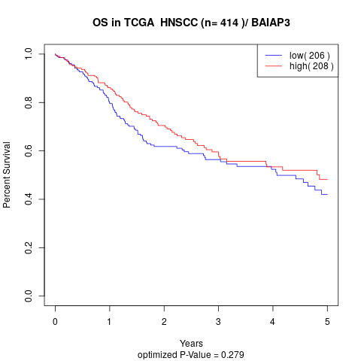

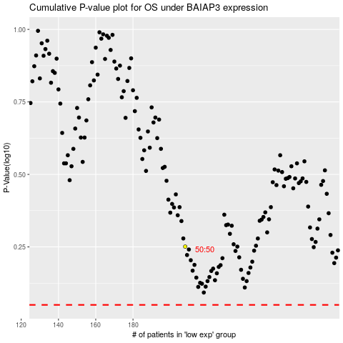

 |  |  |  |  |  | cases_OS | p_OS | rank | exp
 |  |  |  |  |  |  | cases_RFS | p_RFS | rank | exp

