BAK1 _multivariate
Reported by Tex Li-Hsing Chi. tex@gate.sinica.edu.tw 2019-08-21

Table 2. The clinicopathological features of HNSCC cohort and BAK1 expression. (Chi square test)
Cutoff at 0.21 (61.8%)
 |  | BAK1 expression |  | BAK1 expression |  | (Optimised)
 | Features | Low | (%) | High | (%) | Case no | P-value | Remark | Matthews
Gender | Female | 195 | 47 | 111 | 26.7 | 415 | 0.1879 | 0 | 0
2 | Male | 61 | 14.7 | 48 | 11.6
Age at diagnosis | <=65y | 179 | 43.1 | 95 | 22.9 | 415 | 0.0433 | 1 | 0
4 | >65y | 77 | 18.6 | 64 | 15.4
Clinical T Status | T1+T2 | 96 | 23.1 | 53 | 12.8 | 415 | 0.4503 | 0 | 0
6 | T3+T4 | 160 | 38.6 | 106 | 25.5
Clinical N Status | N0 | 130 | 31.3 | 86 | 20.7 | 415 | 0.5793 | 0 | 0
8 | N1-3 | 126 | 30.4 | 73 | 17.6
Clinical M Status | M0 | 256 | 61.7 | 156 | 37.6 | 415 | 0.0556 | 0 | 0
10 | M1 | 0 | 0 | 3 | 0.7
Clinical Stage | Stage I+II | 60 | 14.5 | 42 | 10.1 | 415 | 0.5703 | 0 | 0
12 | Stage III+IV | 196 | 47.2 | 117 | 28.2
Surgical Margin status | Negative | 196 | 47.2 | 122 | 29.4 | 415 | 1 | 0 | 0
14 | Positive | 60 | 14.5 | 37 | 8.9
Tobacco Exposure | Low | 88 | 21.2 | 73 | 17.6 | 415 | 0.0226 | 1 | 0
16 | High | 168 | 40.5 | 86 | 20.7

Table 3. Univariate/Multivariate Cox's proportional hazards regression analyses on OS time of BAK1 gene expression in HNSCC

 |  | Univariate |  |  |  | Multivariate
 | Features | HR | CI95%(L) | CI95%(H) | P-value | HR | CI95%(L) | CI95%(H) | P-value
1 | Female | 1 |  |  |  | 1
Gender | Male | 1.157 | 0.843 | 1.587 | 0.367 | 1.183 | 0.847 | 1.653 | 0.325
11 | <=65y | 1 |  |  |  | 1
Age at diagnosis | >65y | 1.329 | 0.99 | 1.784 | 0.058 | 1.347 | 0.988 | 1.836 | 0.059
12 | T1+T2 | 1 |  |  |  | 1
Clinical T Status | T3+T4 | 1.409 | 1.028 | 1.931 | 0.033 | 2.048 | 1.077 | 3.894 | 0.029
13 | N0 | 1 |  |  |  | 1
Clinical N Status | N1-3 | 1.185 | 0.89 | 1.577 | 0.246 | 1.23 | 0.862 | 1.755 | 0.255
14 | M0 | 1 |  |  |  | 1
Clinical M Status | M1 | 4.097 | 1.009 | 16.644 | 0.049 | 7.32 | 1.567 | 34.208 | 0.011
15 | Stage I+II | 1 |  |  |  | 1
Clinical Stage | Stage III+IV | 1.245 | 0.882 | 1.759 | 0.213 | 0.551 | 0.255 | 1.192 | 0.13
16 | Negative | 1 |  |  |  | 1
Surgical Margin status | Positive | 1.591 | 1.155 | 2.191 | 0.004 | 1.665 | 1.205 | 2.301 | 0.002
17 | Low | 1 |  |  |  | 1
Tobacco Exposure | High | 1.364 | 1.008 | 1.844 | 0.044 | 1.515 | 1.095 | 2.097 | 0.012
18 | Low | 1 |  |  |  | 1
RNAseq(z-score) | High | 1.42 | 1.062 | 1.9 | 0.018 | 1.358 | 1.004 | 1.836 | 0.047

Table 4. Univariate/Multivariate Cox's proportional hazards regression analyses on RFS time of BAK1 gene expression in HNSCC

 |  | Univariate |  |  |  | Multivariate
 | Features | HR | CI95%(L) | CI95%(H) | P-value | HR | CI95%(L) | CI95%(H) | P-value
1 | Female | 1 |  |  |  | 1
Gender | Male | 1.157 | 0.843 | 1.587 | 0.367 | 1.183 | 0.847 | 1.653 | 0.325
11 | <=65y | 1 |  |  |  | 1
Age at diagnosis | >65y | 1.329 | 0.99 | 1.784 | 0.058 | 1.347 | 0.988 | 1.836 | 0.059
12 | T1+T2 | 1 |  |  |  | 1
Clinical T Status | T3+T4 | 1.409 | 1.028 | 1.931 | 0.033 | 2.048 | 1.077 | 3.894 | 0.029
13 | N0 | 1 |  |  |  | 1
Clinical N Status | N1-3 | 1.185 | 0.89 | 1.577 | 0.246 | 1.23 | 0.862 | 1.755 | 0.255
14 | M0 | 1 |  |  |  | 1
Clinical M Status | M1 | 4.097 | 1.009 | 16.644 | 0.049 | 7.32 | 1.567 | 34.208 | 0.011
15 | Stage I+II | 1 |  |  |  | 1
Clinical Stage | Stage III+IV | 1.245 | 0.882 | 1.759 | 0.213 | 0.551 | 0.255 | 1.192 | 0.13
16 | Negative | 1 |  |  |  | 1
Surgical Margin status | Positive | 1.591 | 1.155 | 2.191 | 0.004 | 1.665 | 1.205 | 2.301 | 0.002
17 | Low | 1 |  |  |  | 1
Tobacco Exposure | High | 1.364 | 1.008 | 1.844 | 0.044 | 1.515 | 1.095 | 2.097 | 0.012
18 | Low | 1 |  |  |  | 1
RNAseq(z-score) | High | 1.42 | 1.062 | 1.9 | 0.018 | 1.358 | 1.004 | 1.836 | 0.047

Kaplan-Meier survival estimate: Cutoff at 0.21 (61.8%)

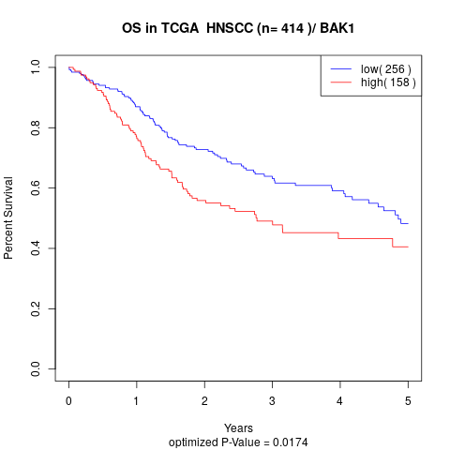

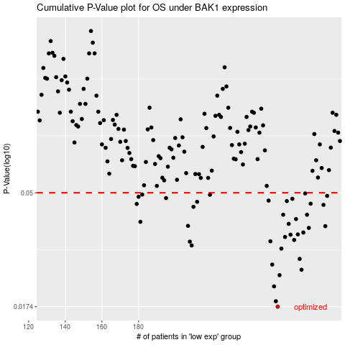

 |  |  |  |  |  | cases_OS | p_OS | rank | exp
 |  |  |  |  |  | 256 | 0.0174 | 284 | 0.21014170643
 |  |  |  |  |  | 255 | 0.0183 | 94 | 0.20717764307
 |  |  |  |  |  | 254 | 0.021 | 386 | 0.18918774581
 |  |  |  |  |  | 257 | 0.0233 | 260 | 0.23273277756
 |  |  |  |  |  | 269 | 0.0245 | 223 | 0.308942982
 |  |  |  |  |  | 253 | 0.0257 | 134 | 0.17666437737
 |  |  |  |  |  | 268 | 0.0271 | 343 | 0.30082681342
 |  |  |  |  |  | 258 | 0.0298 | 114 | 0.24469542813
 |  |  |  |  |  | 209 | 0.0307 | 225 | -0.14089967987
 |  |  |  |  |  | 208 | 0.0318 | 277 | -0.14212701088
 |  |  |  |  |  | 252 | 0.0319 | 160 | 0.17546276736
 |  |  |  |  |  | 265 | 0.0323 | 76 | 0.28164572002
 |  |  |  |  |  | 260 | 0.0332 | 64 | 0.25927183454
 |  |  |  |  |  | 263 | 0.0339 | 377 | 0.26726843182
 |  |  |  |  |  | 267 | 0.034 | 300 | 0.29988592656
 |  |  |  |  |  | 270 | 0.0346 | 394 | 0.31011234665
 |  |  |  |  |  | 273 | 0.0361 | 414 | 0.34571812014
 |  |  |  |  |  | 282 | 0.0367 | 54 | 0.39130916362
 |  |  |  |  |  | 207 | 0.0368 | 269 | -0.14286840313
 |  |  |  |  |  | 262 | 0.0375 | 348 | 0.26653506955
 |  |  |  |  |  | 181 | 0.0382 | 361 | -0.2848731857
 |  |  |  |  |  | 266 | 0.0392 | 367 | 0.29273235085
 |  |  |  |  |  | 272 | 0.0408 | 388 | 0.34421500978
 |  |  |  |  |  | 259 | 0.0408 | 392 | 0.25413415817
 |  |  |  |  |  | 210 | 0.0439 | 70 | -0.12819312769
 |  |  |  |  |  | 281 | 0.0447 | 136 | 0.38977443525
 |  |  |  |  |  | 179 | 0.0451 | 279 | -0.29572908031
 |  |  |  |  |  | 274 | 0.0452 | 229 | 0.35044777356
 |  |  |  |  |  | 212 | 0.046 | 339 | -0.11410002521
 |  |  |  |  |  | 261 | 0.0463 | 174 | 0.26383009825
 |  |  |  |  |  | 251 | 0.0465 | 272 | 0.1663562774
 |  |  |  |  |  | 264 | 0.0473 | 403 | 0.26787356549
 |  |  |  |  |  | 195 | 0.0476 | 199 | -0.22873389591
 |  |  |  |  |  | 180 | 0.0482 | 105 | -0.28900962496
 |  |  |  |  |  | 283 | 0.0486 | 404 | 0.39729337467
 |  |  |  |  |  | 219 | 0.0491 | 143 | -0.070262526831
 |  |  |  |  |  | 182 | 0.0492 | 72 | -0.27997929426
 |  |  |  |  |  | 271 | 0.0497 | 234 | 0.32020865611
 |  |  |  |  |  |  | cases_RFS | p_RFS | rank | exp
 |  |  |  |  |  |  | 255 | 0.0174 | 94 | 0.20717764307
 |  |  |  |  |  |  | 254 | 0.0183 | 386 | 0.18918774581
 |  |  |  |  |  |  | 253 | 0.021 | 134 | 0.17666437737
 |  |  |  |  |  |  | 256 | 0.0233 | 284 | 0.21014170643
 |  |  |  |  |  |  | 268 | 0.0245 | 343 | 0.30082681342
 |  |  |  |  |  |  | 252 | 0.0257 | 160 | 0.17546276736
 |  |  |  |  |  |  | 267 | 0.0271 | 300 | 0.29988592656
 |  |  |  |  |  |  | 257 | 0.0298 | 260 | 0.23273277756
 |  |  |  |  |  |  | 208 | 0.0307 | 277 | -0.14212701088
 |  |  |  |  |  |  | 207 | 0.0318 | 269 | -0.14286840313
 |  |  |  |  |  |  | 251 | 0.0319 | 272 | 0.1663562774
 |  |  |  |  |  |  | 264 | 0.0323 | 403 | 0.26787356549
 |  |  |  |  |  |  | 259 | 0.0332 | 392 | 0.25413415817
 |  |  |  |  |  |  | 262 | 0.0339 | 348 | 0.26653506955
 |  |  |  |  |  |  | 266 | 0.034 | 367 | 0.29273235085
 |  |  |  |  |  |  | 269 | 0.0346 | 223 | 0.308942982
 |  |  |  |  |  |  | 272 | 0.0361 | 388 | 0.34421500978
 |  |  |  |  |  |  | 281 | 0.0367 | 136 | 0.38977443525
 |  |  |  |  |  |  | 206 | 0.0368 | 175 | -0.14864810084
 |  |  |  |  |  |  | 261 | 0.0375 | 174 | 0.26383009825
 |  |  |  |  |  |  | 180 | 0.0382 | 105 | -0.28900962496
 |  |  |  |  |  |  | 265 | 0.0392 | 76 | 0.28164572002
 |  |  |  |  |  |  | 258 | 0.0408 | 114 | 0.24469542813
 |  |  |  |  |  |  | 271 | 0.0408 | 234 | 0.32020865611
 |  |  |  |  |  |  | 209 | 0.0439 | 225 | -0.14089967987
 |  |  |  |  |  |  | 280 | 0.0447 | 120 | 0.38214081778
 |  |  |  |  |  |  | 178 | 0.0451 | 188 | -0.29688690188
 |  |  |  |  |  |  | 273 | 0.0452 | 414 | 0.34571812014
 |  |  |  |  |  |  | 211 | 0.046 | 122 | -0.12720054789
 |  |  |  |  |  |  | 260 | 0.0463 | 64 | 0.25927183454
 |  |  |  |  |  |  | 250 | 0.0465 | 383 | 0.16045600465
 |  |  |  |  |  |  | 263 | 0.0473 | 377 | 0.26726843182
 |  |  |  |  |  |  | 194 | 0.0476 | 167 | -0.22948984248
 |  |  |  |  |  |  | 179 | 0.0482 | 279 | -0.29572908031
 |  |  |  |  |  |  | 282 | 0.0486 | 54 | 0.39130916362
 |  |  |  |  |  |  | 218 | 0.0491 | 47 | -0.084523631377
 |  |  |  |  |  |  | 181 | 0.0492 | 361 | -0.2848731857
 |  |  |  |  |  |  | 270 | 0.0497 | 394 | 0.31011234665

