BANP _multivariate
Reported by Tex Li-Hsing Chi. tex@gate.sinica.edu.tw 2019-08-21

Table 2. The clinicopathological features of HNSCC cohort and BANP expression. (Chi square test)
Cutoff at -0.114 (49.8%)
 |  | BANP expression |  | BANP expression |  | (Optimised)
 | Features | Low | (%) | High | (%) | Case no | P-value | Remark | Matthews
Gender | Female | 138 | 33.3 | 168 | 40.5 | 415 | 0.0016 | 1 | 0
2 | Male | 69 | 16.6 | 40 | 9.6
Age at diagnosis | <=65y | 125 | 30.1 | 149 | 35.9 | 415 | 0.0206 | 1 | 0
4 | >65y | 82 | 19.8 | 59 | 14.2
Clinical T Status | T1+T2 | 68 | 16.4 | 81 | 19.5 | 415 | 0.2336 | 0 | 0
6 | T3+T4 | 139 | 33.5 | 127 | 30.6
Clinical N Status | N0 | 105 | 25.3 | 111 | 26.7 | 415 | 0.6598 | 0 | 0
8 | N1-3 | 102 | 24.6 | 97 | 23.4
Clinical M Status | M0 | 207 | 49.9 | 205 | 49.4 | 415 | 0.2482 | 0 | 0
10 | M1 | 0 | 0 | 3 | 0.7
Clinical Stage | Stage I+II | 49 | 11.8 | 53 | 12.8 | 415 | 0.7535 | 0 | 0
12 | Stage III+IV | 158 | 38.1 | 155 | 37.3
Surgical Margin status | Negative | 164 | 39.5 | 154 | 37.1 | 415 | 0.2462 | 0 | 0
14 | Positive | 43 | 10.4 | 54 | 13
Tobacco Exposure | Low | 87 | 21 | 74 | 17.8 | 415 | 0.1911 | 0 | 0
16 | High | 120 | 28.9 | 134 | 32.3

Table 3. Univariate/Multivariate Cox's proportional hazards regression analyses on OS time of BANP gene expression in HNSCC

 |  | Univariate |  |  |  | Multivariate
 | Features | HR | CI95%(L) | CI95%(H) | P-value | HR | CI95%(L) | CI95%(H) | P-value
1 | Female | 1 |  |  |  | 1
Gender | Male | 1.157 | 0.843 | 1.587 | 0.367 | 1.21 | 0.864 | 1.693 | 0.267
11 | <=65y | 1 |  |  |  | 1
Age at diagnosis | >65y | 1.329 | 0.99 | 1.784 | 0.058 | 1.402 | 1.029 | 1.909 | 0.032
12 | T1+T2 | 1 |  |  |  | 1
Clinical T Status | T3+T4 | 1.409 | 1.028 | 1.931 | 0.033 | 2.208 | 1.168 | 4.175 | 0.015
13 | N0 | 1 |  |  |  | 1
Clinical N Status | N1-3 | 1.185 | 0.89 | 1.577 | 0.246 | 1.247 | 0.873 | 1.782 | 0.224
14 | M0 | 1 |  |  |  | 1
Clinical M Status | M1 | 4.097 | 1.009 | 16.644 | 0.049 | 9.157 | 1.986 | 42.215 | 0.005
15 | Stage I+II | 1 |  |  |  | 1
Clinical Stage | Stage III+IV | 1.245 | 0.882 | 1.759 | 0.213 | 0.502 | 0.234 | 1.077 | 0.077
16 | Negative | 1 |  |  |  | 1
Surgical Margin status | Positive | 1.591 | 1.155 | 2.191 | 0.004 | 1.659 | 1.198 | 2.297 | 0.002
17 | Low | 1 |  |  |  | 1
Tobacco Exposure | High | 1.364 | 1.008 | 1.844 | 0.044 | 1.449 | 1.051 | 1.997 | 0.024
18 | Low | 1 |  |  |  | 1
RNAseq(z-score) | High | 1.06 | 0.795 | 1.413 | 0.691 | 1.062 | 0.788 | 1.431 | 0.694

Table 4. Univariate/Multivariate Cox's proportional hazards regression analyses on RFS time of BANP gene expression in HNSCC

 |  | Univariate |  |  |  | Multivariate
 | Features | HR | CI95%(L) | CI95%(H) | P-value | HR | CI95%(L) | CI95%(H) | P-value
1 | Female | 1 |  |  |  | 1
Gender | Male | 1.157 | 0.843 | 1.587 | 0.367 | 1.21 | 0.864 | 1.693 | 0.267
11 | <=65y | 1 |  |  |  | 1
Age at diagnosis | >65y | 1.329 | 0.99 | 1.784 | 0.058 | 1.402 | 1.029 | 1.909 | 0.032
12 | T1+T2 | 1 |  |  |  | 1
Clinical T Status | T3+T4 | 1.409 | 1.028 | 1.931 | 0.033 | 2.208 | 1.168 | 4.175 | 0.015
13 | N0 | 1 |  |  |  | 1
Clinical N Status | N1-3 | 1.185 | 0.89 | 1.577 | 0.246 | 1.247 | 0.873 | 1.782 | 0.224
14 | M0 | 1 |  |  |  | 1
Clinical M Status | M1 | 4.097 | 1.009 | 16.644 | 0.049 | 9.157 | 1.986 | 42.215 | 0.005
15 | Stage I+II | 1 |  |  |  | 1
Clinical Stage | Stage III+IV | 1.245 | 0.882 | 1.759 | 0.213 | 0.502 | 0.234 | 1.077 | 0.077
16 | Negative | 1 |  |  |  | 1
Surgical Margin status | Positive | 1.591 | 1.155 | 2.191 | 0.004 | 1.659 | 1.198 | 2.297 | 0.002
17 | Low | 1 |  |  |  | 1
Tobacco Exposure | High | 1.364 | 1.008 | 1.844 | 0.044 | 1.449 | 1.051 | 1.997 | 0.024
18 | Low | 1 |  |  |  | 1
RNAseq(z-score) | High | 1.06 | 0.795 | 1.413 | 0.691 | 1.062 | 0.788 | 1.431 | 0.694

Kaplan-Meier survival estimate: Cutoff at -0.114 (49.8%)



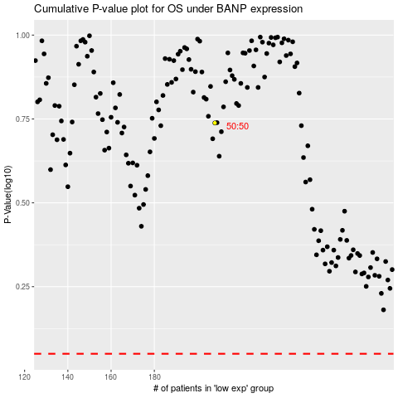

 |  |  |  |  |  | cases_OS | p_OS | rank | exp
 |  |  |  |  |  |  | cases_RFS | p_RFS | rank | exp

