BARX1 _multivariate
Reported by Tex Li-Hsing Chi. tex@gate.sinica.edu.tw 2019-08-21

Table 2. The clinicopathological features of HNSCC cohort and BARX1 expression. (Chi square test)
Cutoff at -0.394 (30.7%)
 |  | BARX1 expression |  | BARX1 expression |  | (Optimised)
 | Features | Low | (%) | High | (%) | Case no | P-value | Remark | Matthews
Gender | Female | 95 | 22.9 | 211 | 50.8 | 415 | 0.8357 | 0 | 0
2 | Male | 32 | 7.7 | 77 | 18.6
Age at diagnosis | <=65y | 85 | 20.5 | 189 | 45.5 | 415 | 0.8839 | 0 | 0
4 | >65y | 42 | 10.1 | 99 | 23.9
Clinical T Status | T1+T2 | 47 | 11.3 | 102 | 24.6 | 415 | 0.8412 | 0 | 0
6 | T3+T4 | 80 | 19.3 | 186 | 44.8
Clinical N Status | N0 | 72 | 17.3 | 144 | 34.7 | 415 | 0.2497 | 0 | 0
8 | N1-3 | 55 | 13.3 | 144 | 34.7
Clinical M Status | M0 | 127 | 30.6 | 285 | 68.7 | 415 | 0.5562 | 0 | 0
10 | M1 | 0 | 0 | 3 | 0.7
Clinical Stage | Stage I+II | 32 | 7.7 | 70 | 16.9 | 415 | 0.9437 | 0 | 0
12 | Stage III+IV | 95 | 22.9 | 218 | 52.5
Surgical Margin status | Negative | 102 | 24.6 | 216 | 52 | 415 | 0.2593 | 0 | 0
14 | Positive | 25 | 6 | 72 | 17.3
Tobacco Exposure | Low | 57 | 13.7 | 104 | 25.1 | 415 | 0.1015 | 0 | 0
16 | High | 70 | 16.9 | 184 | 44.3

Table 3. Univariate/Multivariate Cox's proportional hazards regression analyses on OS time of BARX1 gene expression in HNSCC

 |  | Univariate |  |  |  | Multivariate
 | Features | HR | CI95%(L) | CI95%(H) | P-value | HR | CI95%(L) | CI95%(H) | P-value
1 | Female | 1 |  |  |  | 1
Gender | Male | 1.157 | 0.843 | 1.587 | 0.367 | 1.192 | 0.854 | 1.664 | 0.301
11 | <=65y | 1 |  |  |  | 1
Age at diagnosis | >65y | 1.329 | 0.99 | 1.784 | 0.058 | 1.403 | 1.032 | 1.908 | 0.031
12 | T1+T2 | 1 |  |  |  | 1
Clinical T Status | T3+T4 | 1.409 | 1.028 | 1.931 | 0.033 | 2.103 | 1.11 | 3.985 | 0.023
13 | N0 | 1 |  |  |  | 1
Clinical N Status | N1-3 | 1.185 | 0.89 | 1.577 | 0.246 | 1.22 | 0.854 | 1.742 | 0.274
14 | M0 | 1 |  |  |  | 1
Clinical M Status | M1 | 4.097 | 1.009 | 16.644 | 0.049 | 8.438 | 1.831 | 38.894 | 0.006
15 | Stage I+II | 1 |  |  |  | 1
Clinical Stage | Stage III+IV | 1.245 | 0.882 | 1.759 | 0.213 | 0.535 | 0.248 | 1.151 | 0.109
16 | Negative | 1 |  |  |  | 1
Surgical Margin status | Positive | 1.591 | 1.155 | 2.191 | 0.004 | 1.622 | 1.172 | 2.245 | 0.004
17 | Low | 1 |  |  |  | 1
Tobacco Exposure | High | 1.364 | 1.008 | 1.844 | 0.044 | 1.421 | 1.032 | 1.957 | 0.031
18 | Low | 1 |  |  |  | 1
RNAseq(z-score) | High | 1.415 | 1.021 | 1.962 | 0.037 | 1.277 | 0.916 | 1.78 | 0.15

Table 4. Univariate/Multivariate Cox's proportional hazards regression analyses on RFS time of BARX1 gene expression in HNSCC

 |  | Univariate |  |  |  | Multivariate
 | Features | HR | CI95%(L) | CI95%(H) | P-value | HR | CI95%(L) | CI95%(H) | P-value
1 | Female | 1 |  |  |  | 1
Gender | Male | 1.157 | 0.843 | 1.587 | 0.367 | 1.192 | 0.854 | 1.664 | 0.301
11 | <=65y | 1 |  |  |  | 1
Age at diagnosis | >65y | 1.329 | 0.99 | 1.784 | 0.058 | 1.403 | 1.032 | 1.908 | 0.031
12 | T1+T2 | 1 |  |  |  | 1
Clinical T Status | T3+T4 | 1.409 | 1.028 | 1.931 | 0.033 | 2.103 | 1.11 | 3.985 | 0.023
13 | N0 | 1 |  |  |  | 1
Clinical N Status | N1-3 | 1.185 | 0.89 | 1.577 | 0.246 | 1.22 | 0.854 | 1.742 | 0.274
14 | M0 | 1 |  |  |  | 1
Clinical M Status | M1 | 4.097 | 1.009 | 16.644 | 0.049 | 8.438 | 1.831 | 38.894 | 0.006
15 | Stage I+II | 1 |  |  |  | 1
Clinical Stage | Stage III+IV | 1.245 | 0.882 | 1.759 | 0.213 | 0.535 | 0.248 | 1.151 | 0.109
16 | Negative | 1 |  |  |  | 1
Surgical Margin status | Positive | 1.591 | 1.155 | 2.191 | 0.004 | 1.622 | 1.172 | 2.245 | 0.004
17 | Low | 1 |  |  |  | 1
Tobacco Exposure | High | 1.364 | 1.008 | 1.844 | 0.044 | 1.421 | 1.032 | 1.957 | 0.031
18 | Low | 1 |  |  |  | 1
RNAseq(z-score) | High | 1.415 | 1.021 | 1.962 | 0.037 | 1.277 | 0.916 | 1.78 | 0.15

Kaplan-Meier survival estimate: Cutoff at -0.394 (30.7%)



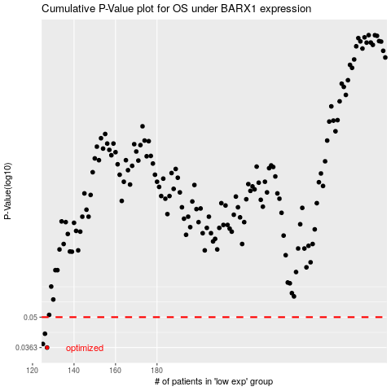

 |  |  |  |  |  | cases_OS | p_OS | rank | exp
 |  |  |  |  |  | 127 | 0.0363 | 264 | -0.39398232541
 |  |  |  |  |  | 125 | 0.0377 | 72 | -0.39442651093
 |  |  |  |  |  | 126 | 0.042 | 341 | -0.39400563228
 |  |  |  |  |  |  | cases_RFS | p_RFS | rank | exp
 |  |  |  |  |  |  | 126 | 0.0363 | 341 | -0.39400563228
 |  |  |  |  |  |  |  | 0.0377 | 236 | -0.3950520022
 |  |  |  |  |  |  | 125 | 0.042 | 72 | -0.39442651093

