BARX2 _multivariate
Reported by Tex Li-Hsing Chi. tex@gate.sinica.edu.tw 2019-08-21

Table 2. The clinicopathological features of HNSCC cohort and BARX2 expression. (Chi square test)
Cutoff at -0.308 (50.0%)
 |  | BARX2 expression |  | BARX2 expression |  | (Optimised)
 | Features | Low | (%) | High | (%) | Case no | P-value | Remark | Matthews
Gender | Female | 154 | 37.1 | 152 | 36.6 | 415 | 0.8463 | 0 | 0
2 | Male | 53 | 12.8 | 56 | 13.5
Age at diagnosis | <=65y | 127 | 30.6 | 147 | 35.4 | 415 | 0.0573 | 0 | 0
4 | >65y | 80 | 19.3 | 61 | 14.7
Clinical T Status | T1+T2 | 81 | 19.5 | 68 | 16.4 | 415 | 0.206 | 0 | 0
6 | T3+T4 | 126 | 30.4 | 140 | 33.7
Clinical N Status | N0 | 104 | 25.1 | 112 | 27 | 415 | 0.5243 | 0 | 0
8 | N1-3 | 103 | 24.8 | 96 | 23.1
Clinical M Status | M0 | 207 | 49.9 | 205 | 49.4 | 415 | 0.2482 | 0 | 0
10 | M1 | 0 | 0 | 3 | 0.7
Clinical Stage | Stage I+II | 53 | 12.8 | 49 | 11.8 | 415 | 0.7113 | 0 | 0
12 | Stage III+IV | 154 | 37.1 | 159 | 38.3
Surgical Margin status | Negative | 158 | 38.1 | 160 | 38.6 | 415 | 0.9081 | 0 | 0
14 | Positive | 49 | 11.8 | 48 | 11.6
Tobacco Exposure | Low | 73 | 17.6 | 88 | 21.2 | 415 | 0.1587 | 0 | 0
16 | High | 134 | 32.3 | 120 | 28.9

Table 3. Univariate/Multivariate Cox's proportional hazards regression analyses on OS time of BARX2 gene expression in HNSCC

 |  | Univariate |  |  |  | Multivariate
 | Features | HR | CI95%(L) | CI95%(H) | P-value | HR | CI95%(L) | CI95%(H) | P-value
1 | Female | 1 |  |  |  | 1
Gender | Male | 1.157 | 0.843 | 1.587 | 0.367 | 1.206 | 0.863 | 1.686 | 0.272
11 | <=65y | 1 |  |  |  | 1
Age at diagnosis | >65y | 1.329 | 0.99 | 1.784 | 0.058 | 1.369 | 1.003 | 1.868 | 0.048
12 | T1+T2 | 1 |  |  |  | 1
Clinical T Status | T3+T4 | 1.409 | 1.028 | 1.931 | 0.033 | 2.213 | 1.17 | 4.186 | 0.015
13 | N0 | 1 |  |  |  | 1
Clinical N Status | N1-3 | 1.185 | 0.89 | 1.577 | 0.246 | 1.229 | 0.86 | 1.755 | 0.258
14 | M0 | 1 |  |  |  | 1
Clinical M Status | M1 | 4.097 | 1.009 | 16.644 | 0.049 | 9.989 | 2.159 | 46.221 | 0.003
15 | Stage I+II | 1 |  |  |  | 1
Clinical Stage | Stage III+IV | 1.245 | 0.882 | 1.759 | 0.213 | 0.505 | 0.236 | 1.085 | 0.08
16 | Negative | 1 |  |  |  | 1
Surgical Margin status | Positive | 1.591 | 1.155 | 2.191 | 0.004 | 1.687 | 1.22 | 2.334 | 0.002
17 | Low | 1 |  |  |  | 1
Tobacco Exposure | High | 1.364 | 1.008 | 1.844 | 0.044 | 1.448 | 1.05 | 1.996 | 0.024
18 | Low | 1 |  |  |  | 1
RNAseq(z-score) | High | 0.907 | 0.681 | 1.208 | 0.505 | 0.9 | 0.672 | 1.206 | 0.482

Table 4. Univariate/Multivariate Cox's proportional hazards regression analyses on RFS time of BARX2 gene expression in HNSCC

 |  | Univariate |  |  |  | Multivariate
 | Features | HR | CI95%(L) | CI95%(H) | P-value | HR | CI95%(L) | CI95%(H) | P-value
1 | Female | 1 |  |  |  | 1
Gender | Male | 1.157 | 0.843 | 1.587 | 0.367 | 1.206 | 0.863 | 1.686 | 0.272
11 | <=65y | 1 |  |  |  | 1
Age at diagnosis | >65y | 1.329 | 0.99 | 1.784 | 0.058 | 1.369 | 1.003 | 1.868 | 0.048
12 | T1+T2 | 1 |  |  |  | 1
Clinical T Status | T3+T4 | 1.409 | 1.028 | 1.931 | 0.033 | 2.213 | 1.17 | 4.186 | 0.015
13 | N0 | 1 |  |  |  | 1
Clinical N Status | N1-3 | 1.185 | 0.89 | 1.577 | 0.246 | 1.229 | 0.86 | 1.755 | 0.258
14 | M0 | 1 |  |  |  | 1
Clinical M Status | M1 | 4.097 | 1.009 | 16.644 | 0.049 | 9.989 | 2.159 | 46.221 | 0.003
15 | Stage I+II | 1 |  |  |  | 1
Clinical Stage | Stage III+IV | 1.245 | 0.882 | 1.759 | 0.213 | 0.505 | 0.236 | 1.085 | 0.08
16 | Negative | 1 |  |  |  | 1
Surgical Margin status | Positive | 1.591 | 1.155 | 2.191 | 0.004 | 1.687 | 1.22 | 2.334 | 0.002
17 | Low | 1 |  |  |  | 1
Tobacco Exposure | High | 1.364 | 1.008 | 1.844 | 0.044 | 1.448 | 1.05 | 1.996 | 0.024
18 | Low | 1 |  |  |  | 1
RNAseq(z-score) | High | 0.907 | 0.681 | 1.208 | 0.505 | 0.9 | 0.672 | 1.206 | 0.482

Kaplan-Meier survival estimate: Cutoff at -0.308 (50.0%)



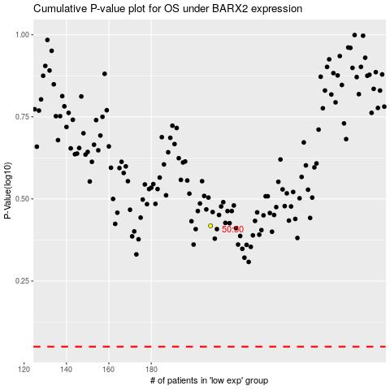

 |  |  |  |  |  | cases_OS | p_OS | rank | exp
 |  |  |  |  |  |  | cases_RFS | p_RFS | rank | exp

