BAT1 _multivariate
Reported by Tex Li-Hsing Chi. tex@gate.sinica.edu.tw 2019-08-21

Table 2. The clinicopathological features of HNSCC cohort and BAT1 expression. (Chi square test)
Cutoff at -0.16 (49.8%)
 |  | BAT1 expression |  | BAT1 expression |  | (Optimised)
 | Features | Low | (%) | High | (%) | Case no | P-value | Remark | Matthews
Gender | Female | 148 | 35.7 | 158 | 38.1 | 415 | 0.3567 | 0 | 0
2 | Male | 59 | 14.2 | 50 | 12
Age at diagnosis | <=65y | 140 | 33.7 | 134 | 32.3 | 415 | 0.5574 | 0 | 0
4 | >65y | 67 | 16.1 | 74 | 17.8
Clinical T Status | T1+T2 | 80 | 19.3 | 69 | 16.6 | 415 | 0.2891 | 0 | 0
6 | T3+T4 | 127 | 30.6 | 139 | 33.5
Clinical N Status | N0 | 108 | 26 | 108 | 26 | 415 | 1 | 0 | 0
8 | N1-3 | 99 | 23.9 | 100 | 24.1
Clinical M Status | M0 | 207 | 49.9 | 205 | 49.4 | 415 | 0.2482 | 0 | 0
10 | M1 | 0 | 0 | 3 | 0.7
Clinical Stage | Stage I+II | 56 | 13.5 | 46 | 11.1 | 415 | 0.2918 | 0 | 0
12 | Stage III+IV | 151 | 36.4 | 162 | 39
Surgical Margin status | Negative | 172 | 41.4 | 146 | 35.2 | 415 | 0.0025 | 1 | 0
14 | Positive | 35 | 8.4 | 62 | 14.9
Tobacco Exposure | Low | 88 | 21.2 | 73 | 17.6 | 415 | 0.1314 | 0 | 0
16 | High | 119 | 28.7 | 135 | 32.5

Table 3. Univariate/Multivariate Cox's proportional hazards regression analyses on OS time of BAT1 gene expression in HNSCC

 |  | Univariate |  |  |  | Multivariate
 | Features | HR | CI95%(L) | CI95%(H) | P-value | HR | CI95%(L) | CI95%(H) | P-value
1 | Female | 1 |  |  |  | 1
Gender | Male | 1.157 | 0.843 | 1.587 | 0.367 | 1.206 | 0.865 | 1.683 | 0.269
11 | <=65y | 1 |  |  |  | 1
Age at diagnosis | >65y | 1.329 | 0.99 | 1.784 | 0.058 | 1.412 | 1.038 | 1.923 | 0.028
12 | T1+T2 | 1 |  |  |  | 1
Clinical T Status | T3+T4 | 1.409 | 1.028 | 1.931 | 0.033 | 2.226 | 1.177 | 4.21 | 0.014
13 | N0 | 1 |  |  |  | 1
Clinical N Status | N1-3 | 1.185 | 0.89 | 1.577 | 0.246 | 1.235 | 0.866 | 1.762 | 0.244
14 | M0 | 1 |  |  |  | 1
Clinical M Status | M1 | 4.097 | 1.009 | 16.644 | 0.049 | 10.329 | 2.229 | 47.872 | 0.003
15 | Stage I+II | 1 |  |  |  | 1
Clinical Stage | Stage III+IV | 1.245 | 0.882 | 1.759 | 0.213 | 0.504 | 0.235 | 1.082 | 0.079
16 | Negative | 1 |  |  |  | 1
Surgical Margin status | Positive | 1.591 | 1.155 | 2.191 | 0.004 | 1.717 | 1.238 | 2.383 | 0.001
17 | Low | 1 |  |  |  | 1
Tobacco Exposure | High | 1.364 | 1.008 | 1.844 | 0.044 | 1.47 | 1.066 | 2.026 | 0.019
18 | Low | 1 |  |  |  | 1
RNAseq(z-score) | High | 1.003 | 0.752 | 1.339 | 0.982 | 0.857 | 0.638 | 1.152 | 0.308

Table 4. Univariate/Multivariate Cox's proportional hazards regression analyses on RFS time of BAT1 gene expression in HNSCC

 |  | Univariate |  |  |  | Multivariate
 | Features | HR | CI95%(L) | CI95%(H) | P-value | HR | CI95%(L) | CI95%(H) | P-value
1 | Female | 1 |  |  |  | 1
Gender | Male | 1.157 | 0.843 | 1.587 | 0.367 | 1.206 | 0.865 | 1.683 | 0.269
11 | <=65y | 1 |  |  |  | 1
Age at diagnosis | >65y | 1.329 | 0.99 | 1.784 | 0.058 | 1.412 | 1.038 | 1.923 | 0.028
12 | T1+T2 | 1 |  |  |  | 1
Clinical T Status | T3+T4 | 1.409 | 1.028 | 1.931 | 0.033 | 2.226 | 1.177 | 4.21 | 0.014
13 | N0 | 1 |  |  |  | 1
Clinical N Status | N1-3 | 1.185 | 0.89 | 1.577 | 0.246 | 1.235 | 0.866 | 1.762 | 0.244
14 | M0 | 1 |  |  |  | 1
Clinical M Status | M1 | 4.097 | 1.009 | 16.644 | 0.049 | 10.329 | 2.229 | 47.872 | 0.003
15 | Stage I+II | 1 |  |  |  | 1
Clinical Stage | Stage III+IV | 1.245 | 0.882 | 1.759 | 0.213 | 0.504 | 0.235 | 1.082 | 0.079
16 | Negative | 1 |  |  |  | 1
Surgical Margin status | Positive | 1.591 | 1.155 | 2.191 | 0.004 | 1.717 | 1.238 | 2.383 | 0.001
17 | Low | 1 |  |  |  | 1
Tobacco Exposure | High | 1.364 | 1.008 | 1.844 | 0.044 | 1.47 | 1.066 | 2.026 | 0.019
18 | Low | 1 |  |  |  | 1
RNAseq(z-score) | High | 1.003 | 0.752 | 1.339 | 0.982 | 0.857 | 0.638 | 1.152 | 0.308

Kaplan-Meier survival estimate: Cutoff at -0.16 (49.8%)



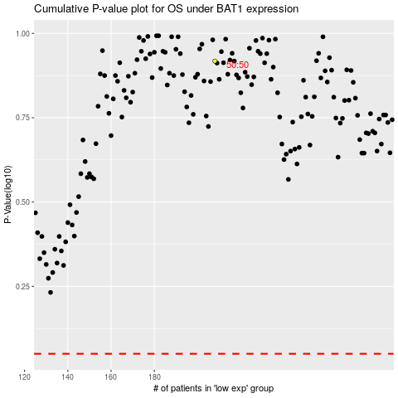

 |  |  |  |  |  | cases_OS | p_OS | rank | exp
 |  |  |  |  |  |  | cases_RFS | p_RFS | rank | exp

