BAT2 _multivariate
Reported by Tex Li-Hsing Chi. tex@gate.sinica.edu.tw 2019-08-21

Table 2. The clinicopathological features of HNSCC cohort and BAT2 expression. (Chi square test)
Cutoff at -0.058 (49.8%)
 |  | BAT2 expression |  | BAT2 expression |  | (Optimised)
 | Features | Low | (%) | High | (%) | Case no | P-value | Remark | Matthews
Gender | Female | 143 | 34.5 | 163 | 39.3 | 415 | 0.0416 | 1 | 0
2 | Male | 64 | 15.4 | 45 | 10.8
Age at diagnosis | <=65y | 133 | 32 | 141 | 34 | 415 | 0.5111 | 0 | 0
4 | >65y | 74 | 17.8 | 67 | 16.1
Clinical T Status | T1+T2 | 73 | 17.6 | 76 | 18.3 | 415 | 0.8666 | 0 | 0
6 | T3+T4 | 134 | 32.3 | 132 | 31.8
Clinical N Status | N0 | 114 | 27.5 | 102 | 24.6 | 415 | 0.2576 | 1 | 0
8 | N1-3 | 93 | 22.4 | 106 | 25.5
Clinical M Status | M0 | 205 | 49.4 | 207 | 49.9 | 415 | 0.6232 | 0 | 0
10 | M1 | 2 | 0.5 | 1 | 0.2
Clinical Stage | Stage I+II | 48 | 11.6 | 54 | 13 | 415 | 0.5878 | 0 | 0
12 | Stage III+IV | 159 | 38.3 | 154 | 37.1
Surgical Margin status | Negative | 154 | 37.1 | 164 | 39.5 | 415 | 0.2984 | 0 | 0
14 | Positive | 53 | 12.8 | 44 | 10.6
Tobacco Exposure | Low | 91 | 21.9 | 70 | 16.9 | 415 | 0.0346 | 1 | 0
16 | High | 116 | 28 | 138 | 33.3

Table 3. Univariate/Multivariate Cox's proportional hazards regression analyses on OS time of BAT2 gene expression in HNSCC

 |  | Univariate |  |  |  | Multivariate
 | Features | HR | CI95%(L) | CI95%(H) | P-value | HR | CI95%(L) | CI95%(H) | P-value
1 | Female | 1 |  |  |  | 1
Gender | Male | 1.157 | 0.843 | 1.587 | 0.367 | 1.233 | 0.881 | 1.727 | 0.222
11 | <=65y | 1 |  |  |  | 1
Age at diagnosis | >65y | 1.329 | 0.99 | 1.784 | 0.058 | 1.397 | 1.027 | 1.9 | 0.033
12 | T1+T2 | 1 |  |  |  | 1
Clinical T Status | T3+T4 | 1.409 | 1.028 | 1.931 | 0.033 | 2.21 | 1.169 | 4.179 | 0.015
13 | N0 | 1 |  |  |  | 1
Clinical N Status | N1-3 | 1.185 | 0.89 | 1.577 | 0.246 | 1.226 | 0.859 | 1.751 | 0.261
14 | M0 | 1 |  |  |  | 1
Clinical M Status | M1 | 4.097 | 1.009 | 16.644 | 0.049 | 9.772 | 2.128 | 44.88 | 0.003
15 | Stage I+II | 1 |  |  |  | 1
Clinical Stage | Stage III+IV | 1.245 | 0.882 | 1.759 | 0.213 | 0.51 | 0.238 | 1.095 | 0.084
16 | Negative | 1 |  |  |  | 1
Surgical Margin status | Positive | 1.591 | 1.155 | 2.191 | 0.004 | 1.702 | 1.23 | 2.355 | 0.001
17 | Low | 1 |  |  |  | 1
Tobacco Exposure | High | 1.364 | 1.008 | 1.844 | 0.044 | 1.442 | 1.047 | 1.988 | 0.025
18 | Low | 1 |  |  |  | 1
RNAseq(z-score) | High | 1.148 | 0.861 | 1.531 | 0.348 | 1.199 | 0.894 | 1.608 | 0.226

Table 4. Univariate/Multivariate Cox's proportional hazards regression analyses on RFS time of BAT2 gene expression in HNSCC

 |  | Univariate |  |  |  | Multivariate
 | Features | HR | CI95%(L) | CI95%(H) | P-value | HR | CI95%(L) | CI95%(H) | P-value
1 | Female | 1 |  |  |  | 1
Gender | Male | 1.157 | 0.843 | 1.587 | 0.367 | 1.233 | 0.881 | 1.727 | 0.222
11 | <=65y | 1 |  |  |  | 1
Age at diagnosis | >65y | 1.329 | 0.99 | 1.784 | 0.058 | 1.397 | 1.027 | 1.9 | 0.033
12 | T1+T2 | 1 |  |  |  | 1
Clinical T Status | T3+T4 | 1.409 | 1.028 | 1.931 | 0.033 | 2.21 | 1.169 | 4.179 | 0.015
13 | N0 | 1 |  |  |  | 1
Clinical N Status | N1-3 | 1.185 | 0.89 | 1.577 | 0.246 | 1.226 | 0.859 | 1.751 | 0.261
14 | M0 | 1 |  |  |  | 1
Clinical M Status | M1 | 4.097 | 1.009 | 16.644 | 0.049 | 9.772 | 2.128 | 44.88 | 0.003
15 | Stage I+II | 1 |  |  |  | 1
Clinical Stage | Stage III+IV | 1.245 | 0.882 | 1.759 | 0.213 | 0.51 | 0.238 | 1.095 | 0.084
16 | Negative | 1 |  |  |  | 1
Surgical Margin status | Positive | 1.591 | 1.155 | 2.191 | 0.004 | 1.702 | 1.23 | 2.355 | 0.001
17 | Low | 1 |  |  |  | 1
Tobacco Exposure | High | 1.364 | 1.008 | 1.844 | 0.044 | 1.442 | 1.047 | 1.988 | 0.025
18 | Low | 1 |  |  |  | 1
RNAseq(z-score) | High | 1.148 | 0.861 | 1.531 | 0.348 | 1.199 | 0.894 | 1.608 | 0.226

Kaplan-Meier survival estimate: Cutoff at -0.058 (49.8%)

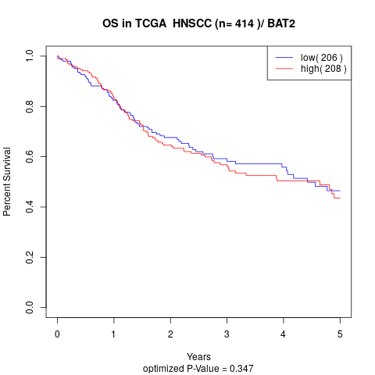

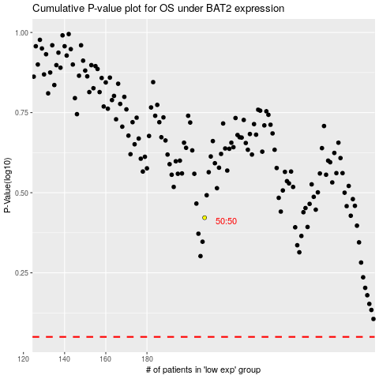

 |  |  |  |  |  | cases_OS | p_OS | rank | exp
 |  |  |  |  |  |  | cases_RFS | p_RFS | rank | exp

