BAT2L1 _multivariate
Reported by Tex Li-Hsing Chi. tex@gate.sinica.edu.tw 2019-08-21

Table 2. The clinicopathological features of HNSCC cohort and BAT2L1 expression. (Chi square test)
Cutoff at -0.138 (49.8%)
 |  | BAT2L1 expression |  | BAT2L1 expression |  | (Optimised)
 | Features | Low | (%) | High | (%) | Case no | P-value | Remark | Matthews
Gender | Female | 143 | 34.5 | 163 | 39.3 | 415 | 0.0416 | 1 | 0
2 | Male | 64 | 15.4 | 45 | 10.8
Age at diagnosis | <=65y | 132 | 31.8 | 142 | 34.2 | 415 | 0.3874 | 0 | 0
4 | >65y | 75 | 18.1 | 66 | 15.9
Clinical T Status | T1+T2 | 70 | 16.9 | 79 | 19 | 415 | 0.4343 | 0 | 0
6 | T3+T4 | 137 | 33 | 129 | 31.1
Clinical N Status | N0 | 110 | 26.5 | 106 | 25.5 | 415 | 0.7294 | 0 | 0
8 | N1-3 | 97 | 23.4 | 102 | 24.6
Clinical M Status | M0 | 205 | 49.4 | 207 | 49.9 | 415 | 0.6232 | 0 | 0
10 | M1 | 2 | 0.5 | 1 | 0.2
Clinical Stage | Stage I+II | 48 | 11.6 | 54 | 13 | 415 | 0.5878 | 0 | 0
12 | Stage III+IV | 159 | 38.3 | 154 | 37.1
Surgical Margin status | Negative | 153 | 36.9 | 165 | 39.8 | 415 | 0.2036 | 0 | 0
14 | Positive | 54 | 13 | 43 | 10.4
Tobacco Exposure | Low | 95 | 22.9 | 66 | 15.9 | 415 | 0.0035 | 1 | 0
16 | High | 112 | 27 | 142 | 34.2

Table 3. Univariate/Multivariate Cox's proportional hazards regression analyses on OS time of BAT2L1 gene expression in HNSCC

 |  | Univariate |  |  |  | Multivariate
 | Features | HR | CI95%(L) | CI95%(H) | P-value | HR | CI95%(L) | CI95%(H) | P-value
1 | Female | 1 |  |  |  | 1
Gender | Male | 1.157 | 0.843 | 1.587 | 0.367 | 1.182 | 0.843 | 1.657 | 0.333
11 | <=65y | 1 |  |  |  | 1
Age at diagnosis | >65y | 1.329 | 0.99 | 1.784 | 0.058 | 1.4 | 1.029 | 1.904 | 0.032
12 | T1+T2 | 1 |  |  |  | 1
Clinical T Status | T3+T4 | 1.409 | 1.028 | 1.931 | 0.033 | 2.174 | 1.148 | 4.116 | 0.017
13 | N0 | 1 |  |  |  | 1
Clinical N Status | N1-3 | 1.185 | 0.89 | 1.577 | 0.246 | 1.246 | 0.873 | 1.777 | 0.226
14 | M0 | 1 |  |  |  | 1
Clinical M Status | M1 | 4.097 | 1.009 | 16.644 | 0.049 | 8.997 | 1.951 | 41.495 | 0.005
15 | Stage I+II | 1 |  |  |  | 1
Clinical Stage | Stage III+IV | 1.245 | 0.882 | 1.759 | 0.213 | 0.507 | 0.236 | 1.087 | 0.081
16 | Negative | 1 |  |  |  | 1
Surgical Margin status | Positive | 1.591 | 1.155 | 2.191 | 0.004 | 1.654 | 1.195 | 2.289 | 0.002
17 | Low | 1 |  |  |  | 1
Tobacco Exposure | High | 1.364 | 1.008 | 1.844 | 0.044 | 1.464 | 1.062 | 2.018 | 0.02
18 | Low | 1 |  |  |  | 1
RNAseq(z-score) | High | 0.865 | 0.65 | 1.153 | 0.324 | 0.91 | 0.677 | 1.223 | 0.531

Table 4. Univariate/Multivariate Cox's proportional hazards regression analyses on RFS time of BAT2L1 gene expression in HNSCC

 |  | Univariate |  |  |  | Multivariate
 | Features | HR | CI95%(L) | CI95%(H) | P-value | HR | CI95%(L) | CI95%(H) | P-value
1 | Female | 1 |  |  |  | 1
Gender | Male | 1.157 | 0.843 | 1.587 | 0.367 | 1.182 | 0.843 | 1.657 | 0.333
11 | <=65y | 1 |  |  |  | 1
Age at diagnosis | >65y | 1.329 | 0.99 | 1.784 | 0.058 | 1.4 | 1.029 | 1.904 | 0.032
12 | T1+T2 | 1 |  |  |  | 1
Clinical T Status | T3+T4 | 1.409 | 1.028 | 1.931 | 0.033 | 2.174 | 1.148 | 4.116 | 0.017
13 | N0 | 1 |  |  |  | 1
Clinical N Status | N1-3 | 1.185 | 0.89 | 1.577 | 0.246 | 1.246 | 0.873 | 1.777 | 0.226
14 | M0 | 1 |  |  |  | 1
Clinical M Status | M1 | 4.097 | 1.009 | 16.644 | 0.049 | 8.997 | 1.951 | 41.495 | 0.005
15 | Stage I+II | 1 |  |  |  | 1
Clinical Stage | Stage III+IV | 1.245 | 0.882 | 1.759 | 0.213 | 0.507 | 0.236 | 1.087 | 0.081
16 | Negative | 1 |  |  |  | 1
Surgical Margin status | Positive | 1.591 | 1.155 | 2.191 | 0.004 | 1.654 | 1.195 | 2.289 | 0.002
17 | Low | 1 |  |  |  | 1
Tobacco Exposure | High | 1.364 | 1.008 | 1.844 | 0.044 | 1.464 | 1.062 | 2.018 | 0.02
18 | Low | 1 |  |  |  | 1
RNAseq(z-score) | High | 0.865 | 0.65 | 1.153 | 0.324 | 0.91 | 0.677 | 1.223 | 0.531

Kaplan-Meier survival estimate: Cutoff at -0.138 (49.8%)



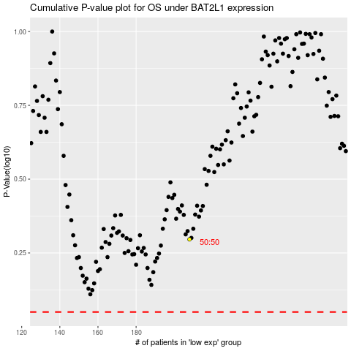

 |  |  |  |  |  | cases_OS | p_OS | rank | exp
 |  |  |  |  |  |  | cases_RFS | p_RFS | rank | exp

