BAT2L2 _multivariate
Reported by Tex Li-Hsing Chi. tex@gate.sinica.edu.tw 2019-08-21

Table 2. The clinicopathological features of HNSCC cohort and BAT2L2 expression. (Chi square test)
Cutoff at -0.008 (50.0%)
 |  | BAT2L2 expression |  | BAT2L2 expression |  | (Optimised)
 | Features | Low | (%) | High | (%) | Case no | P-value | Remark | Matthews
Gender | Female | 162 | 39 | 144 | 34.7 | 415 | 0.0479 | 1 | 0
2 | Male | 45 | 10.8 | 64 | 15.4
Age at diagnosis | <=65y | 136 | 32.8 | 138 | 33.3 | 415 | 0.9719 | 0 | 0
4 | >65y | 71 | 17.1 | 70 | 16.9
Clinical T Status | T1+T2 | 85 | 20.5 | 64 | 15.4 | 415 | 0.0372 | 1 | 0
6 | T3+T4 | 122 | 29.4 | 144 | 34.7
Clinical N Status | N0 | 117 | 28.2 | 99 | 23.9 | 415 | 0.0852 | 1 | 0
8 | N1-3 | 90 | 21.7 | 109 | 26.3
Clinical M Status | M0 | 204 | 49.2 | 208 | 50.1 | 415 | 0.1232 | 0 | 0
10 | M1 | 3 | 0.7 | 0 | 0
Clinical Stage | Stage I+II | 62 | 14.9 | 40 | 9.6 | 415 | 0.0154 | 1 | 0
12 | Stage III+IV | 145 | 34.9 | 168 | 40.5
Surgical Margin status | Negative | 156 | 37.6 | 162 | 39 | 415 | 0.5636 | 0 | 0
14 | Positive | 51 | 12.3 | 46 | 11.1
Tobacco Exposure | Low | 79 | 19 | 82 | 19.8 | 415 | 0.8405 | 0 | 0
16 | High | 128 | 30.8 | 126 | 30.4

Table 3. Univariate/Multivariate Cox's proportional hazards regression analyses on OS time of BAT2L2 gene expression in HNSCC

 |  | Univariate |  |  |  | Multivariate
 | Features | HR | CI95%(L) | CI95%(H) | P-value | HR | CI95%(L) | CI95%(H) | P-value
1 | Female | 1 |  |  |  | 1
Gender | Male | 1.157 | 0.843 | 1.587 | 0.367 | 1.199 | 0.859 | 1.675 | 0.286
11 | <=65y | 1 |  |  |  | 1
Age at diagnosis | >65y | 1.329 | 0.99 | 1.784 | 0.058 | 1.394 | 1.026 | 1.896 | 0.034
12 | T1+T2 | 1 |  |  |  | 1
Clinical T Status | T3+T4 | 1.409 | 1.028 | 1.931 | 0.033 | 2.206 | 1.167 | 4.171 | 0.015
13 | N0 | 1 |  |  |  | 1
Clinical N Status | N1-3 | 1.185 | 0.89 | 1.577 | 0.246 | 1.236 | 0.866 | 1.765 | 0.243
14 | M0 | 1 |  |  |  | 1
Clinical M Status | M1 | 4.097 | 1.009 | 16.644 | 0.049 | 9.763 | 2.107 | 45.237 | 0.004
15 | Stage I+II | 1 |  |  |  | 1
Clinical Stage | Stage III+IV | 1.245 | 0.882 | 1.759 | 0.213 | 0.499 | 0.232 | 1.073 | 0.075
16 | Negative | 1 |  |  |  | 1
Surgical Margin status | Positive | 1.591 | 1.155 | 2.191 | 0.004 | 1.679 | 1.214 | 2.323 | 0.002
17 | Low | 1 |  |  |  | 1
Tobacco Exposure | High | 1.364 | 1.008 | 1.844 | 0.044 | 1.458 | 1.058 | 2.009 | 0.021
18 | Low | 1 |  |  |  | 1
RNAseq(z-score) | High | 1.04 | 0.78 | 1.386 | 0.79 | 1.063 | 0.792 | 1.426 | 0.684

Table 4. Univariate/Multivariate Cox's proportional hazards regression analyses on RFS time of BAT2L2 gene expression in HNSCC

 |  | Univariate |  |  |  | Multivariate
 | Features | HR | CI95%(L) | CI95%(H) | P-value | HR | CI95%(L) | CI95%(H) | P-value
1 | Female | 1 |  |  |  | 1
Gender | Male | 1.157 | 0.843 | 1.587 | 0.367 | 1.199 | 0.859 | 1.675 | 0.286
11 | <=65y | 1 |  |  |  | 1
Age at diagnosis | >65y | 1.329 | 0.99 | 1.784 | 0.058 | 1.394 | 1.026 | 1.896 | 0.034
12 | T1+T2 | 1 |  |  |  | 1
Clinical T Status | T3+T4 | 1.409 | 1.028 | 1.931 | 0.033 | 2.206 | 1.167 | 4.171 | 0.015
13 | N0 | 1 |  |  |  | 1
Clinical N Status | N1-3 | 1.185 | 0.89 | 1.577 | 0.246 | 1.236 | 0.866 | 1.765 | 0.243
14 | M0 | 1 |  |  |  | 1
Clinical M Status | M1 | 4.097 | 1.009 | 16.644 | 0.049 | 9.763 | 2.107 | 45.237 | 0.004
15 | Stage I+II | 1 |  |  |  | 1
Clinical Stage | Stage III+IV | 1.245 | 0.882 | 1.759 | 0.213 | 0.499 | 0.232 | 1.073 | 0.075
16 | Negative | 1 |  |  |  | 1
Surgical Margin status | Positive | 1.591 | 1.155 | 2.191 | 0.004 | 1.679 | 1.214 | 2.323 | 0.002
17 | Low | 1 |  |  |  | 1
Tobacco Exposure | High | 1.364 | 1.008 | 1.844 | 0.044 | 1.458 | 1.058 | 2.009 | 0.021
18 | Low | 1 |  |  |  | 1
RNAseq(z-score) | High | 1.04 | 0.78 | 1.386 | 0.79 | 1.063 | 0.792 | 1.426 | 0.684

Kaplan-Meier survival estimate: Cutoff at -0.008 (50.0%)



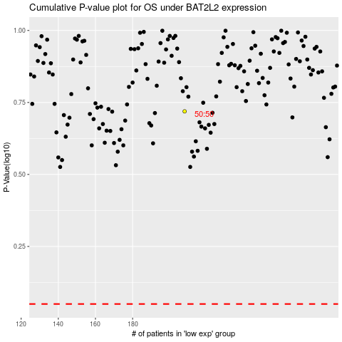

 |  |  |  |  |  | cases_OS | p_OS | rank | exp
 |  |  |  |  |  |  | cases_RFS | p_RFS | rank | exp

