BAT4 _multivariate
Reported by Tex Li-Hsing Chi. tex@gate.sinica.edu.tw 2019-08-21

Table 2. The clinicopathological features of HNSCC cohort and BAT4 expression. (Chi square test)
Cutoff at -0.29 (49.8%)
 |  | BAT4 expression |  | BAT4 expression |  | (Optimised)
 | Features | Low | (%) | High | (%) | Case no | P-value | Remark | Matthews
Gender | Female | 146 | 35.2 | 160 | 38.6 | 415 | 0.1714 | 0 | 0
2 | Male | 61 | 14.7 | 48 | 11.6
Age at diagnosis | <=65y | 136 | 32.8 | 138 | 33.3 | 415 | 0.9719 | 0 | 0
4 | >65y | 71 | 17.1 | 70 | 16.9
Clinical T Status | T1+T2 | 71 | 17.1 | 78 | 18.8 | 415 | 0.5638 | 0 | 0
6 | T3+T4 | 136 | 32.8 | 130 | 31.3
Clinical N Status | N0 | 104 | 25.1 | 112 | 27 | 415 | 0.5243 | 0 | 0
8 | N1-3 | 103 | 24.8 | 96 | 23.1
Clinical M Status | M0 | 206 | 49.6 | 206 | 49.6 | 415 | 1 | 0 | 0
10 | M1 | 1 | 0.2 | 2 | 0.5
Clinical Stage | Stage I+II | 50 | 12 | 52 | 12.5 | 415 | 0.9315 | 0 | 0
12 | Stage III+IV | 157 | 37.8 | 156 | 37.6
Surgical Margin status | Negative | 168 | 40.5 | 150 | 36.1 | 415 | 0.0366 | 1 | 0
14 | Positive | 39 | 9.4 | 58 | 14
Tobacco Exposure | Low | 79 | 19 | 82 | 19.8 | 415 | 0.8405 | 0 | 0
16 | High | 128 | 30.8 | 126 | 30.4

Table 3. Univariate/Multivariate Cox's proportional hazards regression analyses on OS time of BAT4 gene expression in HNSCC

 |  | Univariate |  |  |  | Multivariate
 | Features | HR | CI95%(L) | CI95%(H) | P-value | HR | CI95%(L) | CI95%(H) | P-value
1 | Female | 1 |  |  |  | 1
Gender | Male | 1.157 | 0.843 | 1.587 | 0.367 | 1.201 | 0.861 | 1.676 | 0.281
11 | <=65y | 1 |  |  |  | 1
Age at diagnosis | >65y | 1.329 | 0.99 | 1.784 | 0.058 | 1.384 | 1.018 | 1.884 | 0.038
12 | T1+T2 | 1 |  |  |  | 1
Clinical T Status | T3+T4 | 1.409 | 1.028 | 1.931 | 0.033 | 2.158 | 1.141 | 4.082 | 0.018
13 | N0 | 1 |  |  |  | 1
Clinical N Status | N1-3 | 1.185 | 0.89 | 1.577 | 0.246 | 1.207 | 0.844 | 1.726 | 0.302
14 | M0 | 1 |  |  |  | 1
Clinical M Status | M1 | 4.097 | 1.009 | 16.644 | 0.049 | 9.986 | 2.174 | 45.862 | 0.003
15 | Stage I+II | 1 |  |  |  | 1
Clinical Stage | Stage III+IV | 1.245 | 0.882 | 1.759 | 0.213 | 0.52 | 0.242 | 1.117 | 0.093
16 | Negative | 1 |  |  |  | 1
Surgical Margin status | Positive | 1.591 | 1.155 | 2.191 | 0.004 | 1.741 | 1.254 | 2.418 | 0.001
17 | Low | 1 |  |  |  | 1
Tobacco Exposure | High | 1.364 | 1.008 | 1.844 | 0.044 | 1.454 | 1.056 | 2.003 | 0.022
18 | Low | 1 |  |  |  | 1
RNAseq(z-score) | High | 0.844 | 0.633 | 1.126 | 0.249 | 0.803 | 0.599 | 1.078 | 0.145

Table 4. Univariate/Multivariate Cox's proportional hazards regression analyses on RFS time of BAT4 gene expression in HNSCC

 |  | Univariate |  |  |  | Multivariate
 | Features | HR | CI95%(L) | CI95%(H) | P-value | HR | CI95%(L) | CI95%(H) | P-value
1 | Female | 1 |  |  |  | 1
Gender | Male | 1.157 | 0.843 | 1.587 | 0.367 | 1.201 | 0.861 | 1.676 | 0.281
11 | <=65y | 1 |  |  |  | 1
Age at diagnosis | >65y | 1.329 | 0.99 | 1.784 | 0.058 | 1.384 | 1.018 | 1.884 | 0.038
12 | T1+T2 | 1 |  |  |  | 1
Clinical T Status | T3+T4 | 1.409 | 1.028 | 1.931 | 0.033 | 2.158 | 1.141 | 4.082 | 0.018
13 | N0 | 1 |  |  |  | 1
Clinical N Status | N1-3 | 1.185 | 0.89 | 1.577 | 0.246 | 1.207 | 0.844 | 1.726 | 0.302
14 | M0 | 1 |  |  |  | 1
Clinical M Status | M1 | 4.097 | 1.009 | 16.644 | 0.049 | 9.986 | 2.174 | 45.862 | 0.003
15 | Stage I+II | 1 |  |  |  | 1
Clinical Stage | Stage III+IV | 1.245 | 0.882 | 1.759 | 0.213 | 0.52 | 0.242 | 1.117 | 0.093
16 | Negative | 1 |  |  |  | 1
Surgical Margin status | Positive | 1.591 | 1.155 | 2.191 | 0.004 | 1.741 | 1.254 | 2.418 | 0.001
17 | Low | 1 |  |  |  | 1
Tobacco Exposure | High | 1.364 | 1.008 | 1.844 | 0.044 | 1.454 | 1.056 | 2.003 | 0.022
18 | Low | 1 |  |  |  | 1
RNAseq(z-score) | High | 0.844 | 0.633 | 1.126 | 0.249 | 0.803 | 0.599 | 1.078 | 0.145

Kaplan-Meier survival estimate: Cutoff at -0.29 (49.8%)



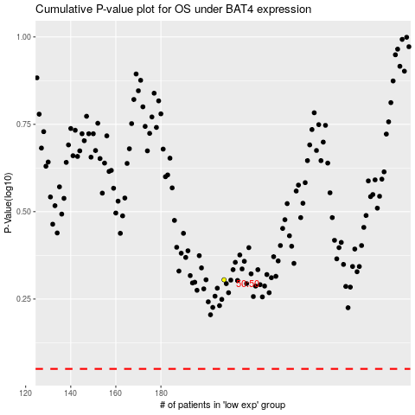

 |  |  |  |  |  | cases_OS | p_OS | rank | exp
 |  |  |  |  |  |  | cases_RFS | p_RFS | rank | exp

