BATF3 _multivariate
Reported by Tex Li-Hsing Chi. tex@gate.sinica.edu.tw 2019-08-21

Table 2. The clinicopathological features of HNSCC cohort and BATF3 expression. (Chi square test)
Cutoff at -0.222 (49.8%)
 |  | BATF3 expression |  | BATF3 expression |  | (Optimised)
 | Features | Low | (%) | High | (%) | Case no | P-value | Remark | Matthews
Gender | Female | 156 | 37.6 | 150 | 36.1 | 415 | 0.5222 | 0 | 0
2 | Male | 51 | 12.3 | 58 | 14
Age at diagnosis | <=65y | 142 | 34.2 | 132 | 31.8 | 415 | 0.3167 | 0 | 0
4 | >65y | 65 | 15.7 | 76 | 18.3
Clinical T Status | T1+T2 | 71 | 17.1 | 78 | 18.8 | 415 | 0.5638 | 0 | 0
6 | T3+T4 | 136 | 32.8 | 130 | 31.3
Clinical N Status | N0 | 118 | 28.4 | 98 | 23.6 | 415 | 0.0551 | 1 | 0
8 | N1-3 | 89 | 21.4 | 110 | 26.5
Clinical M Status | M0 | 206 | 49.6 | 206 | 49.6 | 415 | 1 | 0 | 0
10 | M1 | 1 | 0.2 | 2 | 0.5
Clinical Stage | Stage I+II | 49 | 11.8 | 53 | 12.8 | 415 | 0.7535 | 0 | 0
12 | Stage III+IV | 158 | 38.1 | 155 | 37.3
Surgical Margin status | Negative | 158 | 38.1 | 160 | 38.6 | 415 | 0.9081 | 0 | 0
14 | Positive | 49 | 11.8 | 48 | 11.6
Tobacco Exposure | Low | 76 | 18.3 | 85 | 20.5 | 415 | 0.4207 | 0 | 0
16 | High | 131 | 31.6 | 123 | 29.6

Table 3. Univariate/Multivariate Cox's proportional hazards regression analyses on OS time of BATF3 gene expression in HNSCC

 |  | Univariate |  |  |  | Multivariate
 | Features | HR | CI95%(L) | CI95%(H) | P-value | HR | CI95%(L) | CI95%(H) | P-value
1 | Female | 1 |  |  |  | 1
Gender | Male | 1.157 | 0.843 | 1.587 | 0.367 | 1.228 | 0.878 | 1.718 | 0.231
11 | <=65y | 1 |  |  |  | 1
Age at diagnosis | >65y | 1.329 | 0.99 | 1.784 | 0.058 | 1.409 | 1.036 | 1.917 | 0.029
12 | T1+T2 | 1 |  |  |  | 1
Clinical T Status | T3+T4 | 1.409 | 1.028 | 1.931 | 0.033 | 2.243 | 1.186 | 4.244 | 0.013
13 | N0 | 1 |  |  |  | 1
Clinical N Status | N1-3 | 1.185 | 0.89 | 1.577 | 0.246 | 1.288 | 0.899 | 1.846 | 0.168
14 | M0 | 1 |  |  |  | 1
Clinical M Status | M1 | 4.097 | 1.009 | 16.644 | 0.049 | 9.717 | 2.117 | 44.593 | 0.003
15 | Stage I+II | 1 |  |  |  | 1
Clinical Stage | Stage III+IV | 1.245 | 0.882 | 1.759 | 0.213 | 0.482 | 0.224 | 1.038 | 0.062
16 | Negative | 1 |  |  |  | 1
Surgical Margin status | Positive | 1.591 | 1.155 | 2.191 | 0.004 | 1.674 | 1.211 | 2.314 | 0.002
17 | Low | 1 |  |  |  | 1
Tobacco Exposure | High | 1.364 | 1.008 | 1.844 | 0.044 | 1.434 | 1.039 | 1.978 | 0.028
18 | Low | 1 |  |  |  | 1
RNAseq(z-score) | High | 0.864 | 0.649 | 1.152 | 0.32 | 0.824 | 0.613 | 1.107 | 0.198

Table 4. Univariate/Multivariate Cox's proportional hazards regression analyses on RFS time of BATF3 gene expression in HNSCC

 |  | Univariate |  |  |  | Multivariate
 | Features | HR | CI95%(L) | CI95%(H) | P-value | HR | CI95%(L) | CI95%(H) | P-value
1 | Female | 1 |  |  |  | 1
Gender | Male | 1.157 | 0.843 | 1.587 | 0.367 | 1.228 | 0.878 | 1.718 | 0.231
11 | <=65y | 1 |  |  |  | 1
Age at diagnosis | >65y | 1.329 | 0.99 | 1.784 | 0.058 | 1.409 | 1.036 | 1.917 | 0.029
12 | T1+T2 | 1 |  |  |  | 1
Clinical T Status | T3+T4 | 1.409 | 1.028 | 1.931 | 0.033 | 2.243 | 1.186 | 4.244 | 0.013
13 | N0 | 1 |  |  |  | 1
Clinical N Status | N1-3 | 1.185 | 0.89 | 1.577 | 0.246 | 1.288 | 0.899 | 1.846 | 0.168
14 | M0 | 1 |  |  |  | 1
Clinical M Status | M1 | 4.097 | 1.009 | 16.644 | 0.049 | 9.717 | 2.117 | 44.593 | 0.003
15 | Stage I+II | 1 |  |  |  | 1
Clinical Stage | Stage III+IV | 1.245 | 0.882 | 1.759 | 0.213 | 0.482 | 0.224 | 1.038 | 0.062
16 | Negative | 1 |  |  |  | 1
Surgical Margin status | Positive | 1.591 | 1.155 | 2.191 | 0.004 | 1.674 | 1.211 | 2.314 | 0.002
17 | Low | 1 |  |  |  | 1
Tobacco Exposure | High | 1.364 | 1.008 | 1.844 | 0.044 | 1.434 | 1.039 | 1.978 | 0.028
18 | Low | 1 |  |  |  | 1
RNAseq(z-score) | High | 0.864 | 0.649 | 1.152 | 0.32 | 0.824 | 0.613 | 1.107 | 0.198

Kaplan-Meier survival estimate: Cutoff at -0.222 (49.8%)



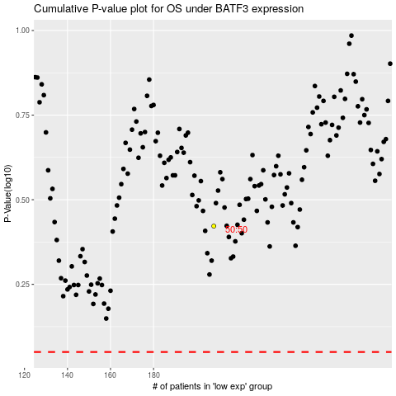

 |  |  |  |  |  | cases_OS | p_OS | rank | exp
 |  |  |  |  |  |  | cases_RFS | p_RFS | rank | exp

