BAX _multivariate
Reported by Tex Li-Hsing Chi. tex@gate.sinica.edu.tw 2019-08-21

Table 2. The clinicopathological features of HNSCC cohort and BAX expression. (Chi square test)
Cutoff at -0.221 (50.0%)
 |  | BAX expression |  | BAX expression |  | (Optimised)
 | Features | Low | (%) | High | (%) | Case no | P-value | Remark | Matthews
Gender | Female | 144 | 34.7 | 162 | 39 | 415 | 0.0697 | 0 | 0
2 | Male | 63 | 15.2 | 46 | 11.1
Age at diagnosis | <=65y | 141 | 34 | 133 | 32 | 415 | 0.4272 | 0 | 0
4 | >65y | 66 | 15.9 | 75 | 18.1
Clinical T Status | T1+T2 | 78 | 18.8 | 71 | 17.1 | 415 | 0.5152 | 0 | 0
6 | T3+T4 | 129 | 31.1 | 137 | 33
Clinical N Status | N0 | 115 | 27.7 | 101 | 24.3 | 415 | 0.184 | 1 | 0
8 | N1-3 | 92 | 22.2 | 107 | 25.8
Clinical M Status | M0 | 206 | 49.6 | 206 | 49.6 | 415 | 1 | 0 | 0
10 | M1 | 1 | 0.2 | 2 | 0.5
Clinical Stage | Stage I+II | 56 | 13.5 | 46 | 11.1 | 415 | 0.2918 | 0 | 0
12 | Stage III+IV | 151 | 36.4 | 162 | 39
Surgical Margin status | Negative | 167 | 40.2 | 151 | 36.4 | 415 | 0.0632 | 0 | 0
14 | Positive | 40 | 9.6 | 57 | 13.7
Tobacco Exposure | Low | 75 | 18.1 | 86 | 20.7 | 415 | 0.3141 | 0 | 0
16 | High | 132 | 31.8 | 122 | 29.4

Table 3. Univariate/Multivariate Cox's proportional hazards regression analyses on OS time of BAX gene expression in HNSCC

 |  | Univariate |  |  |  | Multivariate
 | Features | HR | CI95%(L) | CI95%(H) | P-value | HR | CI95%(L) | CI95%(H) | P-value
1 | Female | 1 |  |  |  | 1
Gender | Male | 1.157 | 0.843 | 1.587 | 0.367 | 1.201 | 0.859 | 1.678 | 0.284
11 | <=65y | 1 |  |  |  | 1
Age at diagnosis | >65y | 1.329 | 0.99 | 1.784 | 0.058 | 1.388 | 1.021 | 1.888 | 0.036
12 | T1+T2 | 1 |  |  |  | 1
Clinical T Status | T3+T4 | 1.409 | 1.028 | 1.931 | 0.033 | 2.208 | 1.167 | 4.175 | 0.015
13 | N0 | 1 |  |  |  | 1
Clinical N Status | N1-3 | 1.185 | 0.89 | 1.577 | 0.246 | 1.237 | 0.867 | 1.766 | 0.241
14 | M0 | 1 |  |  |  | 1
Clinical M Status | M1 | 4.097 | 1.009 | 16.644 | 0.049 | 9.364 | 2.042 | 42.933 | 0.004
15 | Stage I+II | 1 |  |  |  | 1
Clinical Stage | Stage III+IV | 1.245 | 0.882 | 1.759 | 0.213 | 0.501 | 0.233 | 1.077 | 0.077
16 | Negative | 1 |  |  |  | 1
Surgical Margin status | Positive | 1.591 | 1.155 | 2.191 | 0.004 | 1.662 | 1.202 | 2.299 | 0.002
17 | Low | 1 |  |  |  | 1
Tobacco Exposure | High | 1.364 | 1.008 | 1.844 | 0.044 | 1.452 | 1.054 | 2.001 | 0.023
18 | Low | 1 |  |  |  | 1
RNAseq(z-score) | High | 1.135 | 0.852 | 1.511 | 0.387 | 1.067 | 0.799 | 1.425 | 0.66

Table 4. Univariate/Multivariate Cox's proportional hazards regression analyses on RFS time of BAX gene expression in HNSCC

 |  | Univariate |  |  |  | Multivariate
 | Features | HR | CI95%(L) | CI95%(H) | P-value | HR | CI95%(L) | CI95%(H) | P-value
1 | Female | 1 |  |  |  | 1
Gender | Male | 1.157 | 0.843 | 1.587 | 0.367 | 1.201 | 0.859 | 1.678 | 0.284
11 | <=65y | 1 |  |  |  | 1
Age at diagnosis | >65y | 1.329 | 0.99 | 1.784 | 0.058 | 1.388 | 1.021 | 1.888 | 0.036
12 | T1+T2 | 1 |  |  |  | 1
Clinical T Status | T3+T4 | 1.409 | 1.028 | 1.931 | 0.033 | 2.208 | 1.167 | 4.175 | 0.015
13 | N0 | 1 |  |  |  | 1
Clinical N Status | N1-3 | 1.185 | 0.89 | 1.577 | 0.246 | 1.237 | 0.867 | 1.766 | 0.241
14 | M0 | 1 |  |  |  | 1
Clinical M Status | M1 | 4.097 | 1.009 | 16.644 | 0.049 | 9.364 | 2.042 | 42.933 | 0.004
15 | Stage I+II | 1 |  |  |  | 1
Clinical Stage | Stage III+IV | 1.245 | 0.882 | 1.759 | 0.213 | 0.501 | 0.233 | 1.077 | 0.077
16 | Negative | 1 |  |  |  | 1
Surgical Margin status | Positive | 1.591 | 1.155 | 2.191 | 0.004 | 1.662 | 1.202 | 2.299 | 0.002
17 | Low | 1 |  |  |  | 1
Tobacco Exposure | High | 1.364 | 1.008 | 1.844 | 0.044 | 1.452 | 1.054 | 2.001 | 0.023
18 | Low | 1 |  |  |  | 1
RNAseq(z-score) | High | 1.135 | 0.852 | 1.511 | 0.387 | 1.067 | 0.799 | 1.425 | 0.66

Kaplan-Meier survival estimate: Cutoff at -0.221 (50.0%)

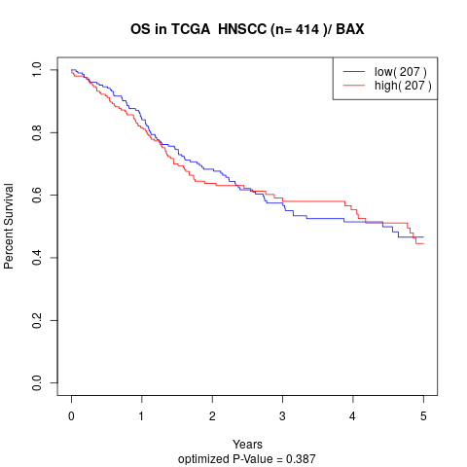

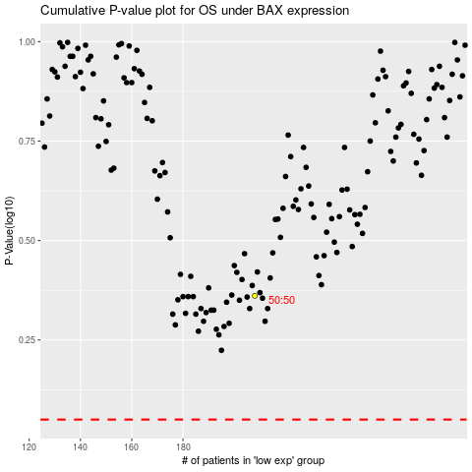

 |  |  |  |  |  | cases_OS | p_OS | rank | exp
 |  |  |  |  |  |  | cases_RFS | p_RFS | rank | exp

