BAZ1A _multivariate
Reported by Tex Li-Hsing Chi. tex@gate.sinica.edu.tw 2019-08-21

Table 2. The clinicopathological features of HNSCC cohort and BAZ1A expression. (Chi square test)
Cutoff at -0.012 (50.0%)
 |  | BAZ1A expression |  | BAZ1A expression |  | (Optimised)
 | Features | Low | (%) | High | (%) | Case no | P-value | Remark | Matthews
Gender | Female | 155 | 37.3 | 151 | 36.4 | 415 | 0.6768 | 0 | 0
2 | Male | 52 | 12.5 | 57 | 13.7
Age at diagnosis | <=65y | 141 | 34 | 133 | 32 | 415 | 0.4272 | 0 | 0
4 | >65y | 66 | 15.9 | 75 | 18.1
Clinical T Status | T1+T2 | 82 | 19.8 | 67 | 16.1 | 415 | 0.1417 | 0 | 0
6 | T3+T4 | 125 | 30.1 | 141 | 34
Clinical N Status | N0 | 104 | 25.1 | 112 | 27 | 415 | 0.5243 | 0 | 0
8 | N1-3 | 103 | 24.8 | 96 | 23.1
Clinical M Status | M0 | 205 | 49.4 | 207 | 49.9 | 415 | 0.6232 | 0 | 0
10 | M1 | 2 | 0.5 | 1 | 0.2
Clinical Stage | Stage I+II | 53 | 12.8 | 49 | 11.8 | 415 | 0.7113 | 0 | 0
12 | Stage III+IV | 154 | 37.1 | 159 | 38.3
Surgical Margin status | Negative | 157 | 37.8 | 161 | 38.8 | 415 | 0.729 | 0 | 0
14 | Positive | 50 | 12 | 47 | 11.3
Tobacco Exposure | Low | 80 | 19.3 | 81 | 19.5 | 415 | 1 | 0 | 0
16 | High | 127 | 30.6 | 127 | 30.6

Table 3. Univariate/Multivariate Cox's proportional hazards regression analyses on OS time of BAZ1A gene expression in HNSCC

 |  | Univariate |  |  |  | Multivariate
 | Features | HR | CI95%(L) | CI95%(H) | P-value | HR | CI95%(L) | CI95%(H) | P-value
1 | Female | 1 |  |  |  | 1
Gender | Male | 1.157 | 0.843 | 1.587 | 0.367 | 1.207 | 0.863 | 1.686 | 0.272
11 | <=65y | 1 |  |  |  | 1
Age at diagnosis | >65y | 1.329 | 0.99 | 1.784 | 0.058 | 1.388 | 1.021 | 1.887 | 0.036
12 | T1+T2 | 1 |  |  |  | 1
Clinical T Status | T3+T4 | 1.409 | 1.028 | 1.931 | 0.033 | 2.184 | 1.154 | 4.132 | 0.016
13 | N0 | 1 |  |  |  | 1
Clinical N Status | N1-3 | 1.185 | 0.89 | 1.577 | 0.246 | 1.246 | 0.873 | 1.778 | 0.226
14 | M0 | 1 |  |  |  | 1
Clinical M Status | M1 | 4.097 | 1.009 | 16.644 | 0.049 | 9.577 | 2.086 | 43.965 | 0.004
15 | Stage I+II | 1 |  |  |  | 1
Clinical Stage | Stage III+IV | 1.245 | 0.882 | 1.759 | 0.213 | 0.507 | 0.236 | 1.088 | 0.081
16 | Negative | 1 |  |  |  | 1
Surgical Margin status | Positive | 1.591 | 1.155 | 2.191 | 0.004 | 1.677 | 1.213 | 2.317 | 0.002
17 | Low | 1 |  |  |  | 1
Tobacco Exposure | High | 1.364 | 1.008 | 1.844 | 0.044 | 1.463 | 1.061 | 2.019 | 0.02
18 | Low | 1 |  |  |  | 1
RNAseq(z-score) | High | 1.065 | 0.799 | 1.419 | 0.669 | 1.084 | 0.81 | 1.45 | 0.587

Table 4. Univariate/Multivariate Cox's proportional hazards regression analyses on RFS time of BAZ1A gene expression in HNSCC

 |  | Univariate |  |  |  | Multivariate
 | Features | HR | CI95%(L) | CI95%(H) | P-value | HR | CI95%(L) | CI95%(H) | P-value
1 | Female | 1 |  |  |  | 1
Gender | Male | 1.157 | 0.843 | 1.587 | 0.367 | 1.207 | 0.863 | 1.686 | 0.272
11 | <=65y | 1 |  |  |  | 1
Age at diagnosis | >65y | 1.329 | 0.99 | 1.784 | 0.058 | 1.388 | 1.021 | 1.887 | 0.036
12 | T1+T2 | 1 |  |  |  | 1
Clinical T Status | T3+T4 | 1.409 | 1.028 | 1.931 | 0.033 | 2.184 | 1.154 | 4.132 | 0.016
13 | N0 | 1 |  |  |  | 1
Clinical N Status | N1-3 | 1.185 | 0.89 | 1.577 | 0.246 | 1.246 | 0.873 | 1.778 | 0.226
14 | M0 | 1 |  |  |  | 1
Clinical M Status | M1 | 4.097 | 1.009 | 16.644 | 0.049 | 9.577 | 2.086 | 43.965 | 0.004
15 | Stage I+II | 1 |  |  |  | 1
Clinical Stage | Stage III+IV | 1.245 | 0.882 | 1.759 | 0.213 | 0.507 | 0.236 | 1.088 | 0.081
16 | Negative | 1 |  |  |  | 1
Surgical Margin status | Positive | 1.591 | 1.155 | 2.191 | 0.004 | 1.677 | 1.213 | 2.317 | 0.002
17 | Low | 1 |  |  |  | 1
Tobacco Exposure | High | 1.364 | 1.008 | 1.844 | 0.044 | 1.463 | 1.061 | 2.019 | 0.02
18 | Low | 1 |  |  |  | 1
RNAseq(z-score) | High | 1.065 | 0.799 | 1.419 | 0.669 | 1.084 | 0.81 | 1.45 | 0.587

Kaplan-Meier survival estimate: Cutoff at -0.012 (50.0%)



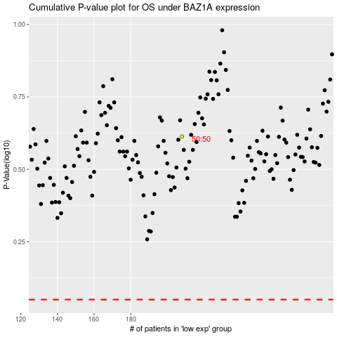

 |  |  |  |  |  | cases_OS | p_OS | rank | exp
 |  |  |  |  |  |  | cases_RFS | p_RFS | rank | exp

