BAZ2A _multivariate
Reported by Tex Li-Hsing Chi. tex@gate.sinica.edu.tw 2019-08-21

Table 2. The clinicopathological features of HNSCC cohort and BAZ2A expression. (Chi square test)
Cutoff at -0.014 (49.8%)
 |  | BAZ2A expression |  | BAZ2A expression |  | (Optimised)
 | Features | Low | (%) | High | (%) | Case no | P-value | Remark | Matthews
Gender | Female | 154 | 37.1 | 152 | 36.6 | 415 | 0.8463 | 0 | 0
2 | Male | 53 | 12.8 | 56 | 13.5
Age at diagnosis | <=65y | 146 | 35.2 | 128 | 30.8 | 415 | 0.0672 | 0 | 0
4 | >65y | 61 | 14.7 | 80 | 19.3
Clinical T Status | T1+T2 | 77 | 18.6 | 72 | 17.3 | 415 | 0.6556 | 0 | 0
6 | T3+T4 | 130 | 31.3 | 136 | 32.8
Clinical N Status | N0 | 110 | 26.5 | 106 | 25.5 | 415 | 0.7294 | 0 | 0
8 | N1-3 | 97 | 23.4 | 102 | 24.6
Clinical M Status | M0 | 205 | 49.4 | 207 | 49.9 | 415 | 0.6232 | 0 | 0
10 | M1 | 2 | 0.5 | 1 | 0.2
Clinical Stage | Stage I+II | 54 | 13 | 48 | 11.6 | 415 | 0.5498 | 0 | 0
12 | Stage III+IV | 153 | 36.9 | 160 | 38.6
Surgical Margin status | Negative | 155 | 37.3 | 163 | 39.3 | 415 | 0.4187 | 0 | 0
14 | Positive | 52 | 12.5 | 45 | 10.8
Tobacco Exposure | Low | 80 | 19.3 | 81 | 19.5 | 415 | 1 | 0 | 0
16 | High | 127 | 30.6 | 127 | 30.6

Table 3. Univariate/Multivariate Cox's proportional hazards regression analyses on OS time of BAZ2A gene expression in HNSCC

 |  | Univariate |  |  |  | Multivariate
 | Features | HR | CI95%(L) | CI95%(H) | P-value | HR | CI95%(L) | CI95%(H) | P-value
1 | Female | 1 |  |  |  | 1
Gender | Male | 1.157 | 0.843 | 1.587 | 0.367 | 1.235 | 0.883 | 1.728 | 0.217
11 | <=65y | 1 |  |  |  | 1
Age at diagnosis | >65y | 1.329 | 0.99 | 1.784 | 0.058 | 1.341 | 0.984 | 1.827 | 0.064
12 | T1+T2 | 1 |  |  |  | 1
Clinical T Status | T3+T4 | 1.409 | 1.028 | 1.931 | 0.033 | 2.25 | 1.189 | 4.258 | 0.013
13 | N0 | 1 |  |  |  | 1
Clinical N Status | N1-3 | 1.185 | 0.89 | 1.577 | 0.246 | 1.252 | 0.878 | 1.786 | 0.214
14 | M0 | 1 |  |  |  | 1
Clinical M Status | M1 | 4.097 | 1.009 | 16.644 | 0.049 | 10.561 | 2.293 | 48.63 | 0.002
15 | Stage I+II | 1 |  |  |  | 1
Clinical Stage | Stage III+IV | 1.245 | 0.882 | 1.759 | 0.213 | 0.49 | 0.228 | 1.054 | 0.068
16 | Negative | 1 |  |  |  | 1
Surgical Margin status | Positive | 1.591 | 1.155 | 2.191 | 0.004 | 1.732 | 1.25 | 2.398 | 0.001
17 | Low | 1 |  |  |  | 1
Tobacco Exposure | High | 1.364 | 1.008 | 1.844 | 0.044 | 1.474 | 1.068 | 2.033 | 0.018
18 | Low | 1 |  |  |  | 1
RNAseq(z-score) | High | 1.268 | 0.951 | 1.693 | 0.106 | 1.349 | 1.004 | 1.813 | 0.047

Table 4. Univariate/Multivariate Cox's proportional hazards regression analyses on RFS time of BAZ2A gene expression in HNSCC

 |  | Univariate |  |  |  | Multivariate
 | Features | HR | CI95%(L) | CI95%(H) | P-value | HR | CI95%(L) | CI95%(H) | P-value
1 | Female | 1 |  |  |  | 1
Gender | Male | 1.157 | 0.843 | 1.587 | 0.367 | 1.235 | 0.883 | 1.728 | 0.217
11 | <=65y | 1 |  |  |  | 1
Age at diagnosis | >65y | 1.329 | 0.99 | 1.784 | 0.058 | 1.341 | 0.984 | 1.827 | 0.064
12 | T1+T2 | 1 |  |  |  | 1
Clinical T Status | T3+T4 | 1.409 | 1.028 | 1.931 | 0.033 | 2.25 | 1.189 | 4.258 | 0.013
13 | N0 | 1 |  |  |  | 1
Clinical N Status | N1-3 | 1.185 | 0.89 | 1.577 | 0.246 | 1.252 | 0.878 | 1.786 | 0.214
14 | M0 | 1 |  |  |  | 1
Clinical M Status | M1 | 4.097 | 1.009 | 16.644 | 0.049 | 10.561 | 2.293 | 48.63 | 0.002
15 | Stage I+II | 1 |  |  |  | 1
Clinical Stage | Stage III+IV | 1.245 | 0.882 | 1.759 | 0.213 | 0.49 | 0.228 | 1.054 | 0.068
16 | Negative | 1 |  |  |  | 1
Surgical Margin status | Positive | 1.591 | 1.155 | 2.191 | 0.004 | 1.732 | 1.25 | 2.398 | 0.001
17 | Low | 1 |  |  |  | 1
Tobacco Exposure | High | 1.364 | 1.008 | 1.844 | 0.044 | 1.474 | 1.068 | 2.033 | 0.018
18 | Low | 1 |  |  |  | 1
RNAseq(z-score) | High | 1.268 | 0.951 | 1.693 | 0.106 | 1.349 | 1.004 | 1.813 | 0.047

Kaplan-Meier survival estimate: Cutoff at -0.014 (49.8%)



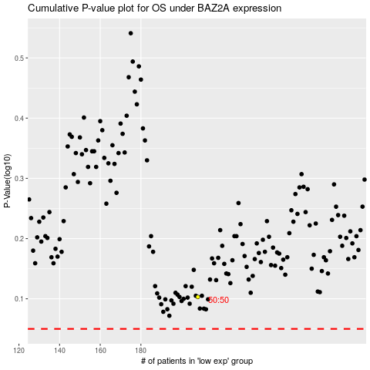

 |  |  |  |  |  | cases_OS | p_OS | rank | exp
 |  |  |  |  |  |  | cases_RFS | p_RFS | rank | exp

