BAZ2B _multivariate
Reported by Tex Li-Hsing Chi. tex@gate.sinica.edu.tw 2019-08-21

Table 2. The clinicopathological features of HNSCC cohort and BAZ2B expression. (Chi square test)
Cutoff at 0.178 (68.6%)
 |  | BAZ2B expression |  | BAZ2B expression |  | (Optimised)
 | Features | Low | (%) | High | (%) | Case no | P-value | Remark | Matthews
Gender | Female | 205 | 49.4 | 101 | 24.3 | 415 | 0.264 | 0 | 0
2 | Male | 80 | 19.3 | 29 | 7
Age at diagnosis | <=65y | 184 | 44.3 | 90 | 21.7 | 415 | 0.4123 | 0 | 0
4 | >65y | 101 | 24.3 | 40 | 9.6
Clinical T Status | T1+T2 | 102 | 24.6 | 47 | 11.3 | 415 | 1 | 0 | 0
6 | T3+T4 | 183 | 44.1 | 83 | 20
Clinical N Status | N0 | 147 | 35.4 | 69 | 16.6 | 415 | 0.8592 | 0 | 0
8 | N1-3 | 138 | 33.3 | 61 | 14.7
Clinical M Status | M0 | 282 | 68 | 130 | 31.3 | 415 | 0.5551 | 0 | 0
10 | M1 | 3 | 0.7 | 0 | 0
Clinical Stage | Stage I+II | 72 | 17.3 | 30 | 7.2 | 415 | 0.7212 | 0 | 0
12 | Stage III+IV | 213 | 51.3 | 100 | 24.1
Surgical Margin status | Negative | 215 | 51.8 | 103 | 24.8 | 415 | 0.4537 | 0 | 0
14 | Positive | 70 | 16.9 | 27 | 6.5
Tobacco Exposure | Low | 105 | 25.3 | 56 | 13.5 | 415 | 0.234 | 0 | 0
16 | High | 180 | 43.4 | 74 | 17.8

Table 3. Univariate/Multivariate Cox's proportional hazards regression analyses on OS time of BAZ2B gene expression in HNSCC

 |  | Univariate |  |  |  | Multivariate
 | Features | HR | CI95%(L) | CI95%(H) | P-value | HR | CI95%(L) | CI95%(H) | P-value
1 | Female | 1 |  |  |  | 1
Gender | Male | 1.157 | 0.843 | 1.587 | 0.367 | 1.197 | 0.855 | 1.674 | 0.295
11 | <=65y | 1 |  |  |  | 1
Age at diagnosis | >65y | 1.329 | 0.99 | 1.784 | 0.058 | 1.364 | 1.002 | 1.855 | 0.048
12 | T1+T2 | 1 |  |  |  | 1
Clinical T Status | T3+T4 | 1.409 | 1.028 | 1.931 | 0.033 | 2.131 | 1.126 | 4.031 | 0.02
13 | N0 | 1 |  |  |  | 1
Clinical N Status | N1-3 | 1.185 | 0.89 | 1.577 | 0.246 | 1.211 | 0.847 | 1.73 | 0.294
14 | M0 | 1 |  |  |  | 1
Clinical M Status | M1 | 4.097 | 1.009 | 16.644 | 0.049 | 8.495 | 1.843 | 39.156 | 0.006
15 | Stage I+II | 1 |  |  |  | 1
Clinical Stage | Stage III+IV | 1.245 | 0.882 | 1.759 | 0.213 | 0.545 | 0.252 | 1.177 | 0.122
16 | Negative | 1 |  |  |  | 1
Surgical Margin status | Positive | 1.591 | 1.155 | 2.191 | 0.004 | 1.636 | 1.183 | 2.262 | 0.003
17 | Low | 1 |  |  |  | 1
Tobacco Exposure | High | 1.364 | 1.008 | 1.844 | 0.044 | 1.431 | 1.037 | 1.975 | 0.029
18 | Low | 1 |  |  |  | 1
RNAseq(z-score) | High | 0.717 | 0.521 | 0.987 | 0.042 | 0.794 | 0.573 | 1.102 | 0.168

Table 4. Univariate/Multivariate Cox's proportional hazards regression analyses on RFS time of BAZ2B gene expression in HNSCC

 |  | Univariate |  |  |  | Multivariate
 | Features | HR | CI95%(L) | CI95%(H) | P-value | HR | CI95%(L) | CI95%(H) | P-value
1 | Female | 1 |  |  |  | 1
Gender | Male | 1.157 | 0.843 | 1.587 | 0.367 | 1.197 | 0.855 | 1.674 | 0.295
11 | <=65y | 1 |  |  |  | 1
Age at diagnosis | >65y | 1.329 | 0.99 | 1.784 | 0.058 | 1.364 | 1.002 | 1.855 | 0.048
12 | T1+T2 | 1 |  |  |  | 1
Clinical T Status | T3+T4 | 1.409 | 1.028 | 1.931 | 0.033 | 2.131 | 1.126 | 4.031 | 0.02
13 | N0 | 1 |  |  |  | 1
Clinical N Status | N1-3 | 1.185 | 0.89 | 1.577 | 0.246 | 1.211 | 0.847 | 1.73 | 0.294
14 | M0 | 1 |  |  |  | 1
Clinical M Status | M1 | 4.097 | 1.009 | 16.644 | 0.049 | 8.495 | 1.843 | 39.156 | 0.006
15 | Stage I+II | 1 |  |  |  | 1
Clinical Stage | Stage III+IV | 1.245 | 0.882 | 1.759 | 0.213 | 0.545 | 0.252 | 1.177 | 0.122
16 | Negative | 1 |  |  |  | 1
Surgical Margin status | Positive | 1.591 | 1.155 | 2.191 | 0.004 | 1.636 | 1.183 | 2.262 | 0.003
17 | Low | 1 |  |  |  | 1
Tobacco Exposure | High | 1.364 | 1.008 | 1.844 | 0.044 | 1.431 | 1.037 | 1.975 | 0.029
18 | Low | 1 |  |  |  | 1
RNAseq(z-score) | High | 0.717 | 0.521 | 0.987 | 0.042 | 0.794 | 0.573 | 1.102 | 0.168

Kaplan-Meier survival estimate: Cutoff at 0.178 (68.6%)



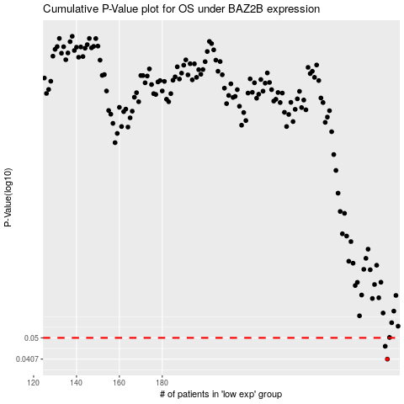

 |  |  |  |  |  | cases_OS | p_OS | rank | exp
 |  |  |  |  |  | 285 | 0.0407 | 402 | 0.17753315734
 |  |  |  |  |  | 284 | 0.0461 | 226 | 0.15736678288
 |  |  |  |  |  |  | cases_RFS | p_RFS | rank | exp
 |  |  |  |  |  |  | 284 | 0.0407 | 226 | 0.15736678288
 |  |  |  |  |  |  | 283 | 0.0461 | 191 | 0.15547611146

