BBOX1 _multivariate
Reported by Tex Li-Hsing Chi. tex@gate.sinica.edu.tw 2019-08-21

Table 2. The clinicopathological features of HNSCC cohort and BBOX1 expression. (Chi square test)
Cutoff at -0.376 (49.8%)
 |  | BBOX1 expression |  | BBOX1 expression |  | (Optimised)
 | Features | Low | (%) | High | (%) | Case no | P-value | Remark | Matthews
Gender | Female | 161 | 38.8 | 145 | 34.9 | 415 | 0.0792 | 0 | 0
2 | Male | 46 | 11.1 | 63 | 15.2
Age at diagnosis | <=65y | 142 | 34.2 | 132 | 31.8 | 415 | 0.3167 | 0 | 0
4 | >65y | 65 | 15.7 | 76 | 18.3
Clinical T Status | T1+T2 | 69 | 16.6 | 80 | 19.3 | 415 | 0.3239 | 0 | 0
6 | T3+T4 | 138 | 33.3 | 128 | 30.8
Clinical N Status | N0 | 95 | 22.9 | 121 | 29.2 | 415 | 0.0162 | 1 | 0
8 | N1-3 | 112 | 27 | 87 | 21
Clinical M Status | M0 | 205 | 49.4 | 207 | 49.9 | 415 | 0.6232 | 0 | 0
10 | M1 | 2 | 0.5 | 1 | 0.2
Clinical Stage | Stage I+II | 40 | 9.6 | 62 | 14.9 | 415 | 0.018 | 1 | 0
12 | Stage III+IV | 167 | 40.2 | 146 | 35.2
Surgical Margin status | Negative | 155 | 37.3 | 163 | 39.3 | 415 | 0.4187 | 0 | 0
14 | Positive | 52 | 12.5 | 45 | 10.8
Tobacco Exposure | Low | 66 | 15.9 | 95 | 22.9 | 415 | 0.0048 | 1 | 0
16 | High | 141 | 34 | 113 | 27.2

Table 3. Univariate/Multivariate Cox's proportional hazards regression analyses on OS time of BBOX1 gene expression in HNSCC

 |  | Univariate |  |  |  | Multivariate
 | Features | HR | CI95%(L) | CI95%(H) | P-value | HR | CI95%(L) | CI95%(H) | P-value
1 | Female | 1 |  |  |  | 1
Gender | Male | 1.157 | 0.843 | 1.587 | 0.367 | 1.202 | 0.86 | 1.679 | 0.281
11 | <=65y | 1 |  |  |  | 1
Age at diagnosis | >65y | 1.329 | 0.99 | 1.784 | 0.058 | 1.39 | 1.022 | 1.891 | 0.036
12 | T1+T2 | 1 |  |  |  | 1
Clinical T Status | T3+T4 | 1.409 | 1.028 | 1.931 | 0.033 | 2.206 | 1.166 | 4.174 | 0.015
13 | N0 | 1 |  |  |  | 1
Clinical N Status | N1-3 | 1.185 | 0.89 | 1.577 | 0.246 | 1.239 | 0.868 | 1.769 | 0.238
14 | M0 | 1 |  |  |  | 1
Clinical M Status | M1 | 4.097 | 1.009 | 16.644 | 0.049 | 9.41 | 2.053 | 43.134 | 0.004
15 | Stage I+II | 1 |  |  |  | 1
Clinical Stage | Stage III+IV | 1.245 | 0.882 | 1.759 | 0.213 | 0.502 | 0.233 | 1.081 | 0.078
16 | Negative | 1 |  |  |  | 1
Surgical Margin status | Positive | 1.591 | 1.155 | 2.191 | 0.004 | 1.672 | 1.21 | 2.31 | 0.002
17 | Low | 1 |  |  |  | 1
Tobacco Exposure | High | 1.364 | 1.008 | 1.844 | 0.044 | 1.451 | 1.052 | 2.001 | 0.023
18 | Low | 1 |  |  |  | 1
RNAseq(z-score) | High | 0.935 | 0.702 | 1.246 | 0.646 | 0.981 | 0.732 | 1.314 | 0.898

Table 4. Univariate/Multivariate Cox's proportional hazards regression analyses on RFS time of BBOX1 gene expression in HNSCC

 |  | Univariate |  |  |  | Multivariate
 | Features | HR | CI95%(L) | CI95%(H) | P-value | HR | CI95%(L) | CI95%(H) | P-value
1 | Female | 1 |  |  |  | 1
Gender | Male | 1.157 | 0.843 | 1.587 | 0.367 | 1.202 | 0.86 | 1.679 | 0.281
11 | <=65y | 1 |  |  |  | 1
Age at diagnosis | >65y | 1.329 | 0.99 | 1.784 | 0.058 | 1.39 | 1.022 | 1.891 | 0.036
12 | T1+T2 | 1 |  |  |  | 1
Clinical T Status | T3+T4 | 1.409 | 1.028 | 1.931 | 0.033 | 2.206 | 1.166 | 4.174 | 0.015
13 | N0 | 1 |  |  |  | 1
Clinical N Status | N1-3 | 1.185 | 0.89 | 1.577 | 0.246 | 1.239 | 0.868 | 1.769 | 0.238
14 | M0 | 1 |  |  |  | 1
Clinical M Status | M1 | 4.097 | 1.009 | 16.644 | 0.049 | 9.41 | 2.053 | 43.134 | 0.004
15 | Stage I+II | 1 |  |  |  | 1
Clinical Stage | Stage III+IV | 1.245 | 0.882 | 1.759 | 0.213 | 0.502 | 0.233 | 1.081 | 0.078
16 | Negative | 1 |  |  |  | 1
Surgical Margin status | Positive | 1.591 | 1.155 | 2.191 | 0.004 | 1.672 | 1.21 | 2.31 | 0.002
17 | Low | 1 |  |  |  | 1
Tobacco Exposure | High | 1.364 | 1.008 | 1.844 | 0.044 | 1.451 | 1.052 | 2.001 | 0.023
18 | Low | 1 |  |  |  | 1
RNAseq(z-score) | High | 0.935 | 0.702 | 1.246 | 0.646 | 0.981 | 0.732 | 1.314 | 0.898

Kaplan-Meier survival estimate: Cutoff at -0.376 (49.8%)



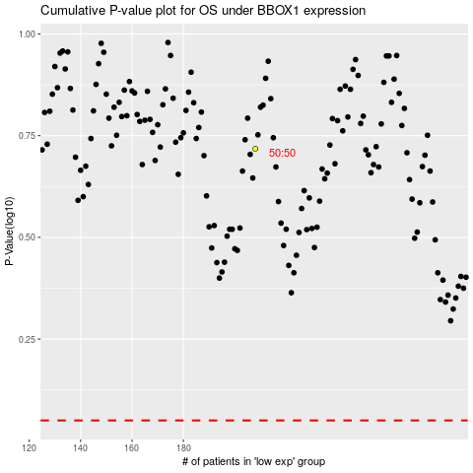

 |  |  |  |  |  | cases_OS | p_OS | rank | exp
 |  |  |  |  |  |  | cases_RFS | p_RFS | rank | exp

