BBS10 _multivariate
Reported by Tex Li-Hsing Chi. tex@gate.sinica.edu.tw 2019-08-21

Table 2. The clinicopathological features of HNSCC cohort and BBS10 expression. (Chi square test)
Cutoff at -0.166 (49.8%)
 |  | BBS10 expression |  | BBS10 expression |  | (Optimised)
 | Features | Low | (%) | High | (%) | Case no | P-value | Remark | Matthews
Gender | Female | 155 | 37.3 | 151 | 36.4 | 415 | 0.6768 | 0 | 0
2 | Male | 52 | 12.5 | 57 | 13.7
Age at diagnosis | <=65y | 138 | 33.3 | 136 | 32.8 | 415 | 0.8634 | 0 | 0
4 | >65y | 69 | 16.6 | 72 | 17.3
Clinical T Status | T1+T2 | 59 | 14.2 | 90 | 21.7 | 415 | 0.0024 | 1 | 0
6 | T3+T4 | 148 | 35.7 | 118 | 28.4
Clinical N Status | N0 | 107 | 25.8 | 109 | 26.3 | 415 | 0.9624 | 0 | 0
8 | N1-3 | 100 | 24.1 | 99 | 23.9
Clinical M Status | M0 | 206 | 49.6 | 206 | 49.6 | 415 | 1 | 0 | 0
10 | M1 | 1 | 0.2 | 2 | 0.5
Clinical Stage | Stage I+II | 39 | 9.4 | 63 | 15.2 | 415 | 0.0095 | 1 | 0
12 | Stage III+IV | 168 | 40.5 | 145 | 34.9
Surgical Margin status | Negative | 162 | 39 | 156 | 37.6 | 415 | 0.4867 | 0 | 0
14 | Positive | 45 | 10.8 | 52 | 12.5
Tobacco Exposure | Low | 77 | 18.6 | 84 | 20.2 | 415 | 0.5459 | 0 | 0
16 | High | 130 | 31.3 | 124 | 29.9

Table 3. Univariate/Multivariate Cox's proportional hazards regression analyses on OS time of BBS10 gene expression in HNSCC

 |  | Univariate |  |  |  | Multivariate
 | Features | HR | CI95%(L) | CI95%(H) | P-value | HR | CI95%(L) | CI95%(H) | P-value
1 | Female | 1 |  |  |  | 1
Gender | Male | 1.157 | 0.843 | 1.587 | 0.367 | 1.202 | 0.86 | 1.679 | 0.281
11 | <=65y | 1 |  |  |  | 1
Age at diagnosis | >65y | 1.329 | 0.99 | 1.784 | 0.058 | 1.391 | 1.023 | 1.892 | 0.035
12 | T1+T2 | 1 |  |  |  | 1
Clinical T Status | T3+T4 | 1.409 | 1.028 | 1.931 | 0.033 | 2.204 | 1.164 | 4.174 | 0.015
13 | N0 | 1 |  |  |  | 1
Clinical N Status | N1-3 | 1.185 | 0.89 | 1.577 | 0.246 | 1.24 | 0.868 | 1.771 | 0.237
14 | M0 | 1 |  |  |  | 1
Clinical M Status | M1 | 4.097 | 1.009 | 16.644 | 0.049 | 9.409 | 2.053 | 43.135 | 0.004
15 | Stage I+II | 1 |  |  |  | 1
Clinical Stage | Stage III+IV | 1.245 | 0.882 | 1.759 | 0.213 | 0.505 | 0.235 | 1.084 | 0.079
16 | Negative | 1 |  |  |  | 1
Surgical Margin status | Positive | 1.591 | 1.155 | 2.191 | 0.004 | 1.672 | 1.21 | 2.311 | 0.002
17 | Low | 1 |  |  |  | 1
Tobacco Exposure | High | 1.364 | 1.008 | 1.844 | 0.044 | 1.453 | 1.055 | 2.002 | 0.022
18 | Low | 1 |  |  |  | 1
RNAseq(z-score) | High | 0.951 | 0.714 | 1.266 | 0.729 | 1.006 | 0.753 | 1.345 | 0.966

Table 4. Univariate/Multivariate Cox's proportional hazards regression analyses on RFS time of BBS10 gene expression in HNSCC

 |  | Univariate |  |  |  | Multivariate
 | Features | HR | CI95%(L) | CI95%(H) | P-value | HR | CI95%(L) | CI95%(H) | P-value
1 | Female | 1 |  |  |  | 1
Gender | Male | 1.157 | 0.843 | 1.587 | 0.367 | 1.202 | 0.86 | 1.679 | 0.281
11 | <=65y | 1 |  |  |  | 1
Age at diagnosis | >65y | 1.329 | 0.99 | 1.784 | 0.058 | 1.391 | 1.023 | 1.892 | 0.035
12 | T1+T2 | 1 |  |  |  | 1
Clinical T Status | T3+T4 | 1.409 | 1.028 | 1.931 | 0.033 | 2.204 | 1.164 | 4.174 | 0.015
13 | N0 | 1 |  |  |  | 1
Clinical N Status | N1-3 | 1.185 | 0.89 | 1.577 | 0.246 | 1.24 | 0.868 | 1.771 | 0.237
14 | M0 | 1 |  |  |  | 1
Clinical M Status | M1 | 4.097 | 1.009 | 16.644 | 0.049 | 9.409 | 2.053 | 43.135 | 0.004
15 | Stage I+II | 1 |  |  |  | 1
Clinical Stage | Stage III+IV | 1.245 | 0.882 | 1.759 | 0.213 | 0.505 | 0.235 | 1.084 | 0.079
16 | Negative | 1 |  |  |  | 1
Surgical Margin status | Positive | 1.591 | 1.155 | 2.191 | 0.004 | 1.672 | 1.21 | 2.311 | 0.002
17 | Low | 1 |  |  |  | 1
Tobacco Exposure | High | 1.364 | 1.008 | 1.844 | 0.044 | 1.453 | 1.055 | 2.002 | 0.022
18 | Low | 1 |  |  |  | 1
RNAseq(z-score) | High | 0.951 | 0.714 | 1.266 | 0.729 | 1.006 | 0.753 | 1.345 | 0.966

Kaplan-Meier survival estimate: Cutoff at -0.166 (49.8%)



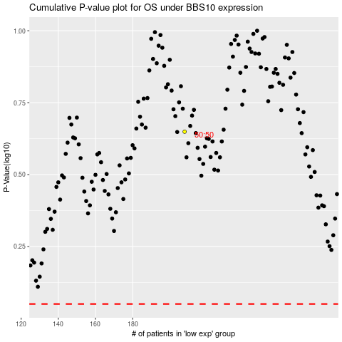

 |  |  |  |  |  | cases_OS | p_OS | rank | exp
 |  |  |  |  |  |  | cases_RFS | p_RFS | rank | exp

