BBS2 _multivariate
Reported by Tex Li-Hsing Chi. tex@gate.sinica.edu.tw 2019-08-21

Table 2. The clinicopathological features of HNSCC cohort and BBS2 expression. (Chi square test)
Cutoff at -0.27 (49.8%)
 |  | BBS2 expression |  | BBS2 expression |  | (Optimised)
 | Features | Low | (%) | High | (%) | Case no | P-value | Remark | Matthews
Gender | Female | 157 | 37.8 | 149 | 35.9 | 415 | 0.3881 | 0 | 0
2 | Male | 50 | 12 | 59 | 14.2
Age at diagnosis | <=65y | 132 | 31.8 | 142 | 34.2 | 415 | 0.3874 | 0 | 0
4 | >65y | 75 | 18.1 | 66 | 15.9
Clinical T Status | T1+T2 | 82 | 19.8 | 67 | 16.1 | 415 | 0.1417 | 0 | 0
6 | T3+T4 | 125 | 30.1 | 141 | 34
Clinical N Status | N0 | 113 | 27.2 | 103 | 24.8 | 415 | 0.3495 | 1 | 0
8 | N1-3 | 94 | 22.7 | 105 | 25.3
Clinical M Status | M0 | 207 | 49.9 | 205 | 49.4 | 415 | 0.2482 | 0 | 0
10 | M1 | 0 | 0 | 3 | 0.7
Clinical Stage | Stage I+II | 55 | 13.3 | 47 | 11.3 | 415 | 0.4087 | 0 | 0
12 | Stage III+IV | 152 | 36.6 | 161 | 38.8
Surgical Margin status | Negative | 159 | 38.3 | 159 | 38.3 | 415 | 1 | 0 | 0
14 | Positive | 48 | 11.6 | 49 | 11.8
Tobacco Exposure | Low | 83 | 20 | 78 | 18.8 | 415 | 0.6152 | 0 | 0
16 | High | 124 | 29.9 | 130 | 31.3

Table 3. Univariate/Multivariate Cox's proportional hazards regression analyses on OS time of BBS2 gene expression in HNSCC

 |  | Univariate |  |  |  | Multivariate
 | Features | HR | CI95%(L) | CI95%(H) | P-value | HR | CI95%(L) | CI95%(H) | P-value
1 | Female | 1 |  |  |  | 1
Gender | Male | 1.157 | 0.843 | 1.587 | 0.367 | 1.192 | 0.852 | 1.667 | 0.306
11 | <=65y | 1 |  |  |  | 1
Age at diagnosis | >65y | 1.329 | 0.99 | 1.784 | 0.058 | 1.396 | 1.027 | 1.898 | 0.033
12 | T1+T2 | 1 |  |  |  | 1
Clinical T Status | T3+T4 | 1.409 | 1.028 | 1.931 | 0.033 | 2.162 | 1.14 | 4.1 | 0.018
13 | N0 | 1 |  |  |  | 1
Clinical N Status | N1-3 | 1.185 | 0.89 | 1.577 | 0.246 | 1.235 | 0.866 | 1.763 | 0.244
14 | M0 | 1 |  |  |  | 1
Clinical M Status | M1 | 4.097 | 1.009 | 16.644 | 0.049 | 8.846 | 1.905 | 41.075 | 0.005
15 | Stage I+II | 1 |  |  |  | 1
Clinical Stage | Stage III+IV | 1.245 | 0.882 | 1.759 | 0.213 | 0.514 | 0.239 | 1.106 | 0.089
16 | Negative | 1 |  |  |  | 1
Surgical Margin status | Positive | 1.591 | 1.155 | 2.191 | 0.004 | 1.665 | 1.205 | 2.301 | 0.002
17 | Low | 1 |  |  |  | 1
Tobacco Exposure | High | 1.364 | 1.008 | 1.844 | 0.044 | 1.436 | 1.041 | 1.983 | 0.028
18 | Low | 1 |  |  |  | 1
RNAseq(z-score) | High | 1.197 | 0.899 | 1.594 | 0.219 | 1.093 | 0.816 | 1.465 | 0.552

Table 4. Univariate/Multivariate Cox's proportional hazards regression analyses on RFS time of BBS2 gene expression in HNSCC

 |  | Univariate |  |  |  | Multivariate
 | Features | HR | CI95%(L) | CI95%(H) | P-value | HR | CI95%(L) | CI95%(H) | P-value
1 | Female | 1 |  |  |  | 1
Gender | Male | 1.157 | 0.843 | 1.587 | 0.367 | 1.192 | 0.852 | 1.667 | 0.306
11 | <=65y | 1 |  |  |  | 1
Age at diagnosis | >65y | 1.329 | 0.99 | 1.784 | 0.058 | 1.396 | 1.027 | 1.898 | 0.033
12 | T1+T2 | 1 |  |  |  | 1
Clinical T Status | T3+T4 | 1.409 | 1.028 | 1.931 | 0.033 | 2.162 | 1.14 | 4.1 | 0.018
13 | N0 | 1 |  |  |  | 1
Clinical N Status | N1-3 | 1.185 | 0.89 | 1.577 | 0.246 | 1.235 | 0.866 | 1.763 | 0.244
14 | M0 | 1 |  |  |  | 1
Clinical M Status | M1 | 4.097 | 1.009 | 16.644 | 0.049 | 8.846 | 1.905 | 41.075 | 0.005
15 | Stage I+II | 1 |  |  |  | 1
Clinical Stage | Stage III+IV | 1.245 | 0.882 | 1.759 | 0.213 | 0.514 | 0.239 | 1.106 | 0.089
16 | Negative | 1 |  |  |  | 1
Surgical Margin status | Positive | 1.591 | 1.155 | 2.191 | 0.004 | 1.665 | 1.205 | 2.301 | 0.002
17 | Low | 1 |  |  |  | 1
Tobacco Exposure | High | 1.364 | 1.008 | 1.844 | 0.044 | 1.436 | 1.041 | 1.983 | 0.028
18 | Low | 1 |  |  |  | 1
RNAseq(z-score) | High | 1.197 | 0.899 | 1.594 | 0.219 | 1.093 | 0.816 | 1.465 | 0.552

Kaplan-Meier survival estimate: Cutoff at -0.27 (49.8%)



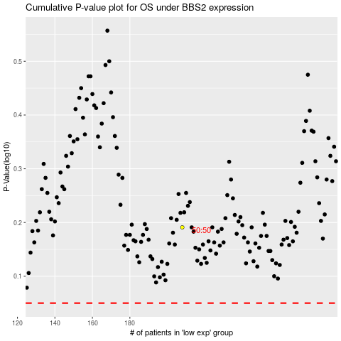

 |  |  |  |  |  | cases_OS | p_OS | rank | exp
 |  |  |  |  |  |  | cases_RFS | p_RFS | rank | exp

