BBX _multivariate
Reported by Tex Li-Hsing Chi. tex@gate.sinica.edu.tw 2019-08-21

Table 2. The clinicopathological features of HNSCC cohort and BBX expression. (Chi square test)
Cutoff at -0.054 (49.8%)
 |  | BBX expression |  | BBX expression |  | (Optimised)
 | Features | Low | (%) | High | (%) | Case no | P-value | Remark | Matthews
Gender | Female | 150 | 36.1 | 156 | 37.6 | 415 | 0.6344 | 0 | 0
2 | Male | 57 | 13.7 | 52 | 12.5
Age at diagnosis | <=65y | 144 | 34.7 | 130 | 31.3 | 415 | 0.1568 | 0 | 0
4 | >65y | 63 | 15.2 | 78 | 18.8
Clinical T Status | T1+T2 | 73 | 17.6 | 76 | 18.3 | 415 | 0.8666 | 0 | 0
6 | T3+T4 | 134 | 32.3 | 132 | 31.8
Clinical N Status | N0 | 110 | 26.5 | 106 | 25.5 | 415 | 0.7294 | 0 | 0
8 | N1-3 | 97 | 23.4 | 102 | 24.6
Clinical M Status | M0 | 205 | 49.4 | 207 | 49.9 | 415 | 0.6232 | 0 | 0
10 | M1 | 2 | 0.5 | 1 | 0.2
Clinical Stage | Stage I+II | 52 | 12.5 | 50 | 12 | 415 | 0.8871 | 0 | 0
12 | Stage III+IV | 155 | 37.3 | 158 | 38.1
Surgical Margin status | Negative | 152 | 36.6 | 166 | 40 | 415 | 0.1329 | 0 | 0
14 | Positive | 55 | 13.3 | 42 | 10.1
Tobacco Exposure | Low | 79 | 19 | 82 | 19.8 | 415 | 0.8405 | 0 | 0
16 | High | 128 | 30.8 | 126 | 30.4

Table 3. Univariate/Multivariate Cox's proportional hazards regression analyses on OS time of BBX gene expression in HNSCC

 |  | Univariate |  |  |  | Multivariate
 | Features | HR | CI95%(L) | CI95%(H) | P-value | HR | CI95%(L) | CI95%(H) | P-value
1 | Female | 1 |  |  |  | 1
Gender | Male | 1.157 | 0.843 | 1.587 | 0.367 | 1.253 | 0.895 | 1.754 | 0.189
11 | <=65y | 1 |  |  |  | 1
Age at diagnosis | >65y | 1.329 | 0.99 | 1.784 | 0.058 | 1.353 | 0.993 | 1.843 | 0.056
12 | T1+T2 | 1 |  |  |  | 1
Clinical T Status | T3+T4 | 1.409 | 1.028 | 1.931 | 0.033 | 2.31 | 1.22 | 4.377 | 0.01
13 | N0 | 1 |  |  |  | 1
Clinical N Status | N1-3 | 1.185 | 0.89 | 1.577 | 0.246 | 1.233 | 0.864 | 1.76 | 0.248
14 | M0 | 1 |  |  |  | 1
Clinical M Status | M1 | 4.097 | 1.009 | 16.644 | 0.049 | 10.895 | 2.357 | 50.355 | 0.002
15 | Stage I+II | 1 |  |  |  | 1
Clinical Stage | Stage III+IV | 1.245 | 0.882 | 1.759 | 0.213 | 0.478 | 0.222 | 1.029 | 0.059
16 | Negative | 1 |  |  |  | 1
Surgical Margin status | Positive | 1.591 | 1.155 | 2.191 | 0.004 | 1.742 | 1.257 | 2.414 | 0.001
17 | Low | 1 |  |  |  | 1
Tobacco Exposure | High | 1.364 | 1.008 | 1.844 | 0.044 | 1.498 | 1.086 | 2.068 | 0.014
18 | Low | 1 |  |  |  | 1
RNAseq(z-score) | High | 1.189 | 0.891 | 1.586 | 0.24 | 1.335 | 0.991 | 1.798 | 0.057

Table 4. Univariate/Multivariate Cox's proportional hazards regression analyses on RFS time of BBX gene expression in HNSCC

 |  | Univariate |  |  |  | Multivariate
 | Features | HR | CI95%(L) | CI95%(H) | P-value | HR | CI95%(L) | CI95%(H) | P-value
1 | Female | 1 |  |  |  | 1
Gender | Male | 1.157 | 0.843 | 1.587 | 0.367 | 1.253 | 0.895 | 1.754 | 0.189
11 | <=65y | 1 |  |  |  | 1
Age at diagnosis | >65y | 1.329 | 0.99 | 1.784 | 0.058 | 1.353 | 0.993 | 1.843 | 0.056
12 | T1+T2 | 1 |  |  |  | 1
Clinical T Status | T3+T4 | 1.409 | 1.028 | 1.931 | 0.033 | 2.31 | 1.22 | 4.377 | 0.01
13 | N0 | 1 |  |  |  | 1
Clinical N Status | N1-3 | 1.185 | 0.89 | 1.577 | 0.246 | 1.233 | 0.864 | 1.76 | 0.248
14 | M0 | 1 |  |  |  | 1
Clinical M Status | M1 | 4.097 | 1.009 | 16.644 | 0.049 | 10.895 | 2.357 | 50.355 | 0.002
15 | Stage I+II | 1 |  |  |  | 1
Clinical Stage | Stage III+IV | 1.245 | 0.882 | 1.759 | 0.213 | 0.478 | 0.222 | 1.029 | 0.059
16 | Negative | 1 |  |  |  | 1
Surgical Margin status | Positive | 1.591 | 1.155 | 2.191 | 0.004 | 1.742 | 1.257 | 2.414 | 0.001
17 | Low | 1 |  |  |  | 1
Tobacco Exposure | High | 1.364 | 1.008 | 1.844 | 0.044 | 1.498 | 1.086 | 2.068 | 0.014
18 | Low | 1 |  |  |  | 1
RNAseq(z-score) | High | 1.189 | 0.891 | 1.586 | 0.24 | 1.335 | 0.991 | 1.798 | 0.057

Kaplan-Meier survival estimate: Cutoff at -0.054 (49.8%)



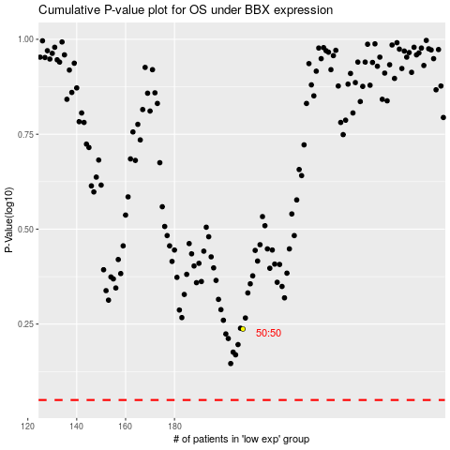

 |  |  |  |  |  | cases_OS | p_OS | rank | exp
 |  |  |  |  |  |  | cases_RFS | p_RFS | rank | exp

