BCAT2 _multivariate
Reported by Tex Li-Hsing Chi. tex@gate.sinica.edu.tw 2019-08-21

Table 2. The clinicopathological features of HNSCC cohort and BCAT2 expression. (Chi square test)
Cutoff at -0.49 (35.0%)
 |  | BCAT2 expression |  | BCAT2 expression |  | (Optimised)
 | Features | Low | (%) | High | (%) | Case no | P-value | Remark | Matthews
Gender | Female | 99 | 23.9 | 207 | 49.9 | 415 | 0.0569 | 0 | 0
2 | Male | 47 | 11.3 | 62 | 14.9
Age at diagnosis | <=65y | 94 | 22.7 | 180 | 43.4 | 415 | 0.6808 | 0 | 0
4 | >65y | 52 | 12.5 | 89 | 21.4
Clinical T Status | T1+T2 | 60 | 14.5 | 89 | 21.4 | 415 | 0.1292 | 0 | 0
6 | T3+T4 | 86 | 20.7 | 180 | 43.4
Clinical N Status | N0 | 81 | 19.5 | 135 | 32.5 | 415 | 0.3535 | 0 | 0
8 | N1-3 | 65 | 15.7 | 134 | 32.3
Clinical M Status | M0 | 146 | 35.2 | 266 | 64.1 | 415 | 0.555 | 0 | 0
10 | M1 | 0 | 0 | 3 | 0.7
Clinical Stage | Stage I+II | 44 | 10.6 | 58 | 14 | 415 | 0.069 | 0 | 0
12 | Stage III+IV | 102 | 24.6 | 211 | 50.8
Surgical Margin status | Negative | 113 | 27.2 | 205 | 49.4 | 415 | 0.8093 | 0 | 0
14 | Positive | 33 | 8 | 64 | 15.4
Tobacco Exposure | Low | 70 | 16.9 | 91 | 21.9 | 415 | 0.006 | 1 | 0
16 | High | 76 | 18.3 | 178 | 42.9

Table 3. Univariate/Multivariate Cox's proportional hazards regression analyses on OS time of BCAT2 gene expression in HNSCC

 |  | Univariate |  |  |  | Multivariate
 | Features | HR | CI95%(L) | CI95%(H) | P-value | HR | CI95%(L) | CI95%(H) | P-value
1 | Female | 1 |  |  |  | 1
Gender | Male | 1.157 | 0.843 | 1.587 | 0.367 | 1.219 | 0.871 | 1.704 | 0.248
11 | <=65y | 1 |  |  |  | 1
Age at diagnosis | >65y | 1.329 | 0.99 | 1.784 | 0.058 | 1.418 | 1.043 | 1.928 | 0.026
12 | T1+T2 | 1 |  |  |  | 1
Clinical T Status | T3+T4 | 1.409 | 1.028 | 1.931 | 0.033 | 2.189 | 1.158 | 4.137 | 0.016
13 | N0 | 1 |  |  |  | 1
Clinical N Status | N1-3 | 1.185 | 0.89 | 1.577 | 0.246 | 1.239 | 0.868 | 1.77 | 0.238
14 | M0 | 1 |  |  |  | 1
Clinical M Status | M1 | 4.097 | 1.009 | 16.644 | 0.049 | 8.625 | 1.877 | 39.632 | 0.006
15 | Stage I+II | 1 |  |  |  | 1
Clinical Stage | Stage III+IV | 1.245 | 0.882 | 1.759 | 0.213 | 0.489 | 0.228 | 1.05 | 0.067
16 | Negative | 1 |  |  |  | 1
Surgical Margin status | Positive | 1.591 | 1.155 | 2.191 | 0.004 | 1.69 | 1.222 | 2.336 | 0.001
17 | Low | 1 |  |  |  | 1
Tobacco Exposure | High | 1.364 | 1.008 | 1.844 | 0.044 | 1.403 | 1.016 | 1.937 | 0.04
18 | Low | 1 |  |  |  | 1
RNAseq(z-score) | High | 1.378 | 1.011 | 1.88 | 0.043 | 1.34 | 0.975 | 1.841 | 0.072

Table 4. Univariate/Multivariate Cox's proportional hazards regression analyses on RFS time of BCAT2 gene expression in HNSCC

 |  | Univariate |  |  |  | Multivariate
 | Features | HR | CI95%(L) | CI95%(H) | P-value | HR | CI95%(L) | CI95%(H) | P-value
1 | Female | 1 |  |  |  | 1
Gender | Male | 1.157 | 0.843 | 1.587 | 0.367 | 1.219 | 0.871 | 1.704 | 0.248
11 | <=65y | 1 |  |  |  | 1
Age at diagnosis | >65y | 1.329 | 0.99 | 1.784 | 0.058 | 1.418 | 1.043 | 1.928 | 0.026
12 | T1+T2 | 1 |  |  |  | 1
Clinical T Status | T3+T4 | 1.409 | 1.028 | 1.931 | 0.033 | 2.189 | 1.158 | 4.137 | 0.016
13 | N0 | 1 |  |  |  | 1
Clinical N Status | N1-3 | 1.185 | 0.89 | 1.577 | 0.246 | 1.239 | 0.868 | 1.77 | 0.238
14 | M0 | 1 |  |  |  | 1
Clinical M Status | M1 | 4.097 | 1.009 | 16.644 | 0.049 | 8.625 | 1.877 | 39.632 | 0.006
15 | Stage I+II | 1 |  |  |  | 1
Clinical Stage | Stage III+IV | 1.245 | 0.882 | 1.759 | 0.213 | 0.489 | 0.228 | 1.05 | 0.067
16 | Negative | 1 |  |  |  | 1
Surgical Margin status | Positive | 1.591 | 1.155 | 2.191 | 0.004 | 1.69 | 1.222 | 2.336 | 0.001
17 | Low | 1 |  |  |  | 1
Tobacco Exposure | High | 1.364 | 1.008 | 1.844 | 0.044 | 1.403 | 1.016 | 1.937 | 0.04
18 | Low | 1 |  |  |  | 1
RNAseq(z-score) | High | 1.378 | 1.011 | 1.88 | 0.043 | 1.34 | 0.975 | 1.841 | 0.072

Kaplan-Meier survival estimate: Cutoff at -0.49 (35.0%)



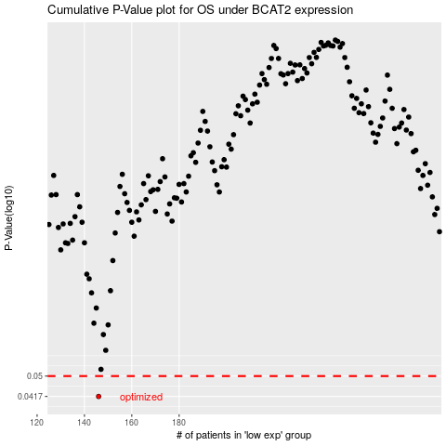

 |  |  |  |  |  | cases_OS | p_OS | rank | exp
 |  |  |  |  |  | 146 | 0.0417 | 181 | -0.48962638243
 |  |  |  |  |  |  | cases_RFS | p_RFS | rank | exp
 |  |  |  |  |  |  | 145 | 0.0417 | 271 | -0.49037409723

