BCL11B _multivariate
Reported by Tex Li-Hsing Chi. tex@gate.sinica.edu.tw 2019-08-21

Table 2. The clinicopathological features of HNSCC cohort and BCL11B expression. (Chi square test)
Cutoff at -0.057 (49.8%)
 |  | BCL11B expression |  | BCL11B expression |  | (Optimised)
 | Features | Low | (%) | High | (%) | Case no | P-value | Remark | Matthews
Gender | Female | 156 | 37.6 | 150 | 36.1 | 415 | 0.5222 | 0 | 0
2 | Male | 51 | 12.3 | 58 | 14
Age at diagnosis | <=65y | 133 | 32 | 141 | 34 | 415 | 0.5111 | 0 | 0
4 | >65y | 74 | 17.8 | 67 | 16.1
Clinical T Status | T1+T2 | 71 | 17.1 | 78 | 18.8 | 415 | 0.5638 | 0 | 0
6 | T3+T4 | 136 | 32.8 | 130 | 31.3
Clinical N Status | N0 | 92 | 22.2 | 124 | 29.9 | 415 | 0.0027 | 1 | 0
8 | N1-3 | 115 | 27.7 | 84 | 20.2
Clinical M Status | M0 | 204 | 49.2 | 208 | 50.1 | 415 | 0.1232 | 0 | 0
10 | M1 | 3 | 0.7 | 0 | 0
Clinical Stage | Stage I+II | 41 | 9.9 | 61 | 14.7 | 415 | 0.0325 | 1 | 0
12 | Stage III+IV | 166 | 40 | 147 | 35.4
Surgical Margin status | Negative | 155 | 37.3 | 163 | 39.3 | 415 | 0.4187 | 0 | 0
14 | Positive | 52 | 12.5 | 45 | 10.8
Tobacco Exposure | Low | 74 | 17.8 | 87 | 21 | 415 | 0.227 | 0 | 0
16 | High | 133 | 32 | 121 | 29.2

Table 3. Univariate/Multivariate Cox's proportional hazards regression analyses on OS time of BCL11B gene expression in HNSCC

 |  | Univariate |  |  |  | Multivariate
 | Features | HR | CI95%(L) | CI95%(H) | P-value | HR | CI95%(L) | CI95%(H) | P-value
1 | Female | 1 |  |  |  | 1
Gender | Male | 1.157 | 0.843 | 1.587 | 0.367 | 1.203 | 0.861 | 1.681 | 0.278
11 | <=65y | 1 |  |  |  | 1
Age at diagnosis | >65y | 1.329 | 0.99 | 1.784 | 0.058 | 1.397 | 1.028 | 1.9 | 0.033
12 | T1+T2 | 1 |  |  |  | 1
Clinical T Status | T3+T4 | 1.409 | 1.028 | 1.931 | 0.033 | 2.195 | 1.161 | 4.152 | 0.016
13 | N0 | 1 |  |  |  | 1
Clinical N Status | N1-3 | 1.185 | 0.89 | 1.577 | 0.246 | 1.251 | 0.875 | 1.789 | 0.22
14 | M0 | 1 |  |  |  | 1
Clinical M Status | M1 | 4.097 | 1.009 | 16.644 | 0.049 | 9.62 | 2.09 | 44.293 | 0.004
15 | Stage I+II | 1 |  |  |  | 1
Clinical Stage | Stage III+IV | 1.245 | 0.882 | 1.759 | 0.213 | 0.508 | 0.236 | 1.09 | 0.082
16 | Negative | 1 |  |  |  | 1
Surgical Margin status | Positive | 1.591 | 1.155 | 2.191 | 0.004 | 1.672 | 1.21 | 2.311 | 0.002
17 | Low | 1 |  |  |  | 1
Tobacco Exposure | High | 1.364 | 1.008 | 1.844 | 0.044 | 1.453 | 1.055 | 2.001 | 0.022
18 | Low | 1 |  |  |  | 1
RNAseq(z-score) | High | 0.994 | 0.746 | 1.324 | 0.965 | 1.059 | 0.79 | 1.421 | 0.701

Table 4. Univariate/Multivariate Cox's proportional hazards regression analyses on RFS time of BCL11B gene expression in HNSCC

 |  | Univariate |  |  |  | Multivariate
 | Features | HR | CI95%(L) | CI95%(H) | P-value | HR | CI95%(L) | CI95%(H) | P-value
1 | Female | 1 |  |  |  | 1
Gender | Male | 1.157 | 0.843 | 1.587 | 0.367 | 1.203 | 0.861 | 1.681 | 0.278
11 | <=65y | 1 |  |  |  | 1
Age at diagnosis | >65y | 1.329 | 0.99 | 1.784 | 0.058 | 1.397 | 1.028 | 1.9 | 0.033
12 | T1+T2 | 1 |  |  |  | 1
Clinical T Status | T3+T4 | 1.409 | 1.028 | 1.931 | 0.033 | 2.195 | 1.161 | 4.152 | 0.016
13 | N0 | 1 |  |  |  | 1
Clinical N Status | N1-3 | 1.185 | 0.89 | 1.577 | 0.246 | 1.251 | 0.875 | 1.789 | 0.22
14 | M0 | 1 |  |  |  | 1
Clinical M Status | M1 | 4.097 | 1.009 | 16.644 | 0.049 | 9.62 | 2.09 | 44.293 | 0.004
15 | Stage I+II | 1 |  |  |  | 1
Clinical Stage | Stage III+IV | 1.245 | 0.882 | 1.759 | 0.213 | 0.508 | 0.236 | 1.09 | 0.082
16 | Negative | 1 |  |  |  | 1
Surgical Margin status | Positive | 1.591 | 1.155 | 2.191 | 0.004 | 1.672 | 1.21 | 2.311 | 0.002
17 | Low | 1 |  |  |  | 1
Tobacco Exposure | High | 1.364 | 1.008 | 1.844 | 0.044 | 1.453 | 1.055 | 2.001 | 0.022
18 | Low | 1 |  |  |  | 1
RNAseq(z-score) | High | 0.994 | 0.746 | 1.324 | 0.965 | 1.059 | 0.79 | 1.421 | 0.701

Kaplan-Meier survival estimate: Cutoff at -0.057 (49.8%)



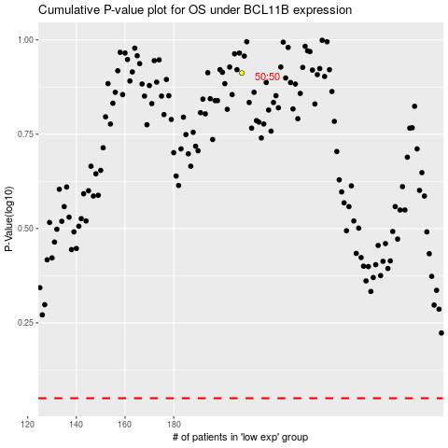

 |  |  |  |  |  | cases_OS | p_OS | rank | exp
 |  |  |  |  |  |  | cases_RFS | p_RFS | rank | exp

