BCL2 _multivariate
Reported by Tex Li-Hsing Chi. tex@gate.sinica.edu.tw 2019-08-21

Table 2. The clinicopathological features of HNSCC cohort and BCL2 expression. (Chi square test)
Cutoff at -0.194 (65.2%)
 |  | BCL2 expression |  | BCL2 expression |  | (Optimised)
 | Features | Low | (%) | High | (%) | Case no | P-value | Remark | Matthews
Gender | Female | 195 | 47 | 111 | 26.7 | 415 | 0.3112 | 0 | 0
2 | Male | 76 | 18.3 | 33 | 8
Age at diagnosis | <=65y | 175 | 42.2 | 99 | 23.9 | 415 | 0.4558 | 0 | 0
4 | >65y | 96 | 23.1 | 45 | 10.8
Clinical T Status | T1+T2 | 86 | 20.7 | 63 | 15.2 | 415 | 0.0203 | 1 | 0
6 | T3+T4 | 185 | 44.6 | 81 | 19.5
Clinical N Status | N0 | 145 | 34.9 | 71 | 17.1 | 415 | 0.4764 | 0 | 0
8 | N1-3 | 126 | 30.4 | 73 | 17.6
Clinical M Status | M0 | 268 | 64.6 | 144 | 34.7 | 415 | 0.5545 | 0 | 0
10 | M1 | 3 | 0.7 | 0 | 0
Clinical Stage | Stage I+II | 66 | 15.9 | 36 | 8.7 | 415 | 0.9795 | 0 | 0
12 | Stage III+IV | 205 | 49.4 | 108 | 26
Surgical Margin status | Negative | 207 | 49.9 | 111 | 26.7 | 415 | 0.9036 | 0 | 0
14 | Positive | 64 | 15.4 | 33 | 8
Tobacco Exposure | Low | 111 | 26.7 | 50 | 12 | 415 | 0.2446 | 0 | 0
16 | High | 160 | 38.6 | 94 | 22.7

Table 3. Univariate/Multivariate Cox's proportional hazards regression analyses on OS time of BCL2 gene expression in HNSCC

 |  | Univariate |  |  |  | Multivariate
 | Features | HR | CI95%(L) | CI95%(H) | P-value | HR | CI95%(L) | CI95%(H) | P-value
1 | Female | 1 |  |  |  | 1
Gender | Male | 1.157 | 0.843 | 1.587 | 0.367 | 1.187 | 0.849 | 1.66 | 0.315
11 | <=65y | 1 |  |  |  | 1
Age at diagnosis | >65y | 1.329 | 0.99 | 1.784 | 0.058 | 1.353 | 0.995 | 1.842 | 0.054
12 | T1+T2 | 1 |  |  |  | 1
Clinical T Status | T3+T4 | 1.409 | 1.028 | 1.931 | 0.033 | 1.974 | 1.035 | 3.762 | 0.039
13 | N0 | 1 |  |  |  | 1
Clinical N Status | N1-3 | 1.185 | 0.89 | 1.577 | 0.246 | 1.236 | 0.867 | 1.764 | 0.242
14 | M0 | 1 |  |  |  | 1
Clinical M Status | M1 | 4.097 | 1.009 | 16.644 | 0.049 | 7.674 | 1.656 | 35.55 | 0.009
15 | Stage I+II | 1 |  |  |  | 1
Clinical Stage | Stage III+IV | 1.245 | 0.882 | 1.759 | 0.213 | 0.55 | 0.255 | 1.186 | 0.127
16 | Negative | 1 |  |  |  | 1
Surgical Margin status | Positive | 1.591 | 1.155 | 2.191 | 0.004 | 1.66 | 1.201 | 2.294 | 0.002
17 | Low | 1 |  |  |  | 1
Tobacco Exposure | High | 1.364 | 1.008 | 1.844 | 0.044 | 1.486 | 1.076 | 2.052 | 0.016
18 | Low | 1 |  |  |  | 1
RNAseq(z-score) | High | 0.663 | 0.484 | 0.907 | 0.01 | 0.714 | 0.518 | 0.986 | 0.041

Table 4. Univariate/Multivariate Cox's proportional hazards regression analyses on RFS time of BCL2 gene expression in HNSCC

 |  | Univariate |  |  |  | Multivariate
 | Features | HR | CI95%(L) | CI95%(H) | P-value | HR | CI95%(L) | CI95%(H) | P-value
1 | Female | 1 |  |  |  | 1
Gender | Male | 1.157 | 0.843 | 1.587 | 0.367 | 1.187 | 0.849 | 1.66 | 0.315
11 | <=65y | 1 |  |  |  | 1
Age at diagnosis | >65y | 1.329 | 0.99 | 1.784 | 0.058 | 1.353 | 0.995 | 1.842 | 0.054
12 | T1+T2 | 1 |  |  |  | 1
Clinical T Status | T3+T4 | 1.409 | 1.028 | 1.931 | 0.033 | 1.974 | 1.035 | 3.762 | 0.039
13 | N0 | 1 |  |  |  | 1
Clinical N Status | N1-3 | 1.185 | 0.89 | 1.577 | 0.246 | 1.236 | 0.867 | 1.764 | 0.242
14 | M0 | 1 |  |  |  | 1
Clinical M Status | M1 | 4.097 | 1.009 | 16.644 | 0.049 | 7.674 | 1.656 | 35.55 | 0.009
15 | Stage I+II | 1 |  |  |  | 1
Clinical Stage | Stage III+IV | 1.245 | 0.882 | 1.759 | 0.213 | 0.55 | 0.255 | 1.186 | 0.127
16 | Negative | 1 |  |  |  | 1
Surgical Margin status | Positive | 1.591 | 1.155 | 2.191 | 0.004 | 1.66 | 1.201 | 2.294 | 0.002
17 | Low | 1 |  |  |  | 1
Tobacco Exposure | High | 1.364 | 1.008 | 1.844 | 0.044 | 1.486 | 1.076 | 2.052 | 0.016
18 | Low | 1 |  |  |  | 1
RNAseq(z-score) | High | 0.663 | 0.484 | 0.907 | 0.01 | 0.714 | 0.518 | 0.986 | 0.041

Kaplan-Meier survival estimate: Cutoff at -0.194 (65.2%)

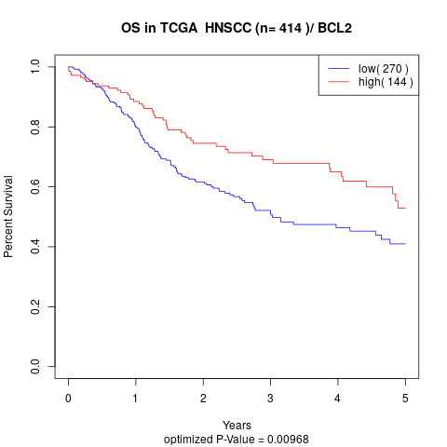

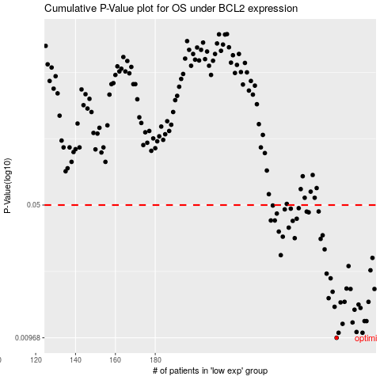

 |  |  |  |  |  | cases_OS | p_OS | rank | exp
 |  |  |  |  |  | 271 | 0.00968 | 197 | -0.19366389134
 |  |  |  |  |  | 272 | 0.0103 | 35 | -0.19206714308
 |  |  |  |  |  | 284 | 0.0103 | 408 | -0.14655801876
 |  |  |  |  |  | 281 | 0.0104 | 111 | -0.16502052544
 |  |  |  |  |  | 274 | 0.0115 | 106 | -0.18491571611
 |  |  |  |  |  | 279 | 0.0117 | 382 | -0.17593103889
 |  |  |  |  |  | 286 | 0.0119 | 30 | -0.14126023015
 |  |  |  |  |  | 285 | 0.0119 | 277 | -0.14607805883
 |  |  |  |  |  | 280 | 0.0137 | 410 | -0.17375286991
 |  |  |  |  |  | 283 | 0.014 | 86 | -0.16104628451
 |  |  |  |  |  | 270 | 0.0142 | 70 | -0.19456648465
 |  |  |  |  |  | 282 | 0.0146 | 228 | -0.16329737094
 |  |  |  |  |  | 273 | 0.015 | 414 | -0.19147756711
 |  |  |  |  |  | 287 | 0.0151 | 131 | -0.13292029671
 |  |  |  |  |  | 275 | 0.0151 | 293 | -0.18401168364
 |  |  |  |  |  | 267 | 0.0158 | 149 | -0.20437004404
 |  |  |  |  |  | 269 | 0.0171 | 153 | -0.19929412596
 |  |  |  |  |  | 290 | 0.0177 | 52 | -0.11976133528
 |  |  |  |  |  | 278 | 0.0177 | 247 | -0.17846923779
 |  |  |  |  |  | 276 | 0.0178 | 50 | -0.1797289827
 |  |  |  |  |  | 268 | 0.0202 | 142 | -0.20045049119
 |  |  |  |  |  | 266 | 0.0214 | 385 | -0.20629156279
 |  |  |  |  |  | 288 | 0.0223 | 5 | -0.12428773402
 |  |  |  |  |  | 277 | 0.0235 | 92 | -0.17861891045
 |  |  |  |  |  | 289 | 0.026 | 224 | -0.12337026938
 |  |  |  |  |  | 243 | 0.0269 | 112 | -0.25700708904
 |  |  |  |  |  | 265 | 0.0289 | 123 | -0.20722437846
 |  |  |  |  |  | 263 | 0.0329 | 27 | -0.2176590096
 |  |  |  |  |  | 250 | 0.0332 | 71 | -0.24086498835
 |  |  |  |  |  | 244 | 0.0338 | 57 | -0.24983407467
 |  |  |  |  |  | 264 | 0.0344 | 273 | -0.2144072271
 |  |  |  |  |  | 242 | 0.036 | 227 | -0.26031068131
 |  |  |  |  |  | 247 | 0.0378 | 44 | -0.24596657145
 |  |  |  |  |  | 249 | 0.0411 | 74 | -0.2409031261
 |  |  |  |  |  | 238 | 0.0413 | 350 | -0.274675659
 |  |  |  |  |  | 240 | 0.0413 | 415 | -0.2634425338
 |  |  |  |  |  | 251 | 0.0422 | 53 | -0.23962275322
 |  |  |  |  |  | 241 | 0.045 | 161 | -0.2624696615
 |  |  |  |  |  | 257 | 0.0457 | 255 | -0.23213360332
 |  |  |  |  |  | 256 | 0.0461 | 179 | -0.23404888571
 |  |  |  |  |  | 262 | 0.0462 | 239 | -0.21973403877
 |  |  |  |  |  | 245 | 0.0474 | 146 | -0.24982999705
 |  |  |  |  |  | 248 | 0.0478 | 322 | -0.24421679249
 |  |  |  |  |  | 252 | 0.0481 | 109 | -0.23938001487
 |  |  |  |  |  | 239 | 0.0497 | 215 | -0.26864653714
 |  |  |  |  |  |  | cases_RFS | p_RFS | rank | exp
 |  |  |  |  |  |  | 270 | 0.00968 | 70 | -0.19456648465
 |  |  |  |  |  |  | 283 | 0.0103 | 86 | -0.16104628451
 |  |  |  |  |  |  | 271 | 0.0103 | 197 | -0.19366389134
 |  |  |  |  |  |  | 280 | 0.0104 | 410 | -0.17375286991
 |  |  |  |  |  |  | 273 | 0.0115 | 414 | -0.19147756711
 |  |  |  |  |  |  | 278 | 0.0117 | 247 | -0.17846923779
 |  |  |  |  |  |  | 285 | 0.0119 | 277 | -0.14607805883
 |  |  |  |  |  |  | 284 | 0.0119 | 408 | -0.14655801876
 |  |  |  |  |  |  | 279 | 0.0137 | 382 | -0.17593103889
 |  |  |  |  |  |  | 282 | 0.014 | 228 | -0.16329737094
 |  |  |  |  |  |  | 269 | 0.0142 | 153 | -0.19929412596
 |  |  |  |  |  |  | 281 | 0.0146 | 111 | -0.16502052544
 |  |  |  |  |  |  | 272 | 0.015 | 35 | -0.19206714308
 |  |  |  |  |  |  | 286 | 0.0151 | 30 | -0.14126023015
 |  |  |  |  |  |  | 274 | 0.0151 | 106 | -0.18491571611
 |  |  |  |  |  |  | 266 | 0.0158 | 385 | -0.20629156279
 |  |  |  |  |  |  | 268 | 0.0171 | 142 | -0.20045049119
 |  |  |  |  |  |  | 277 | 0.0177 | 92 | -0.17861891045
 |  |  |  |  |  |  | 289 | 0.0177 | 224 | -0.12337026938
 |  |  |  |  |  |  | 275 | 0.0178 | 293 | -0.18401168364
 |  |  |  |  |  |  | 267 | 0.0202 | 149 | -0.20437004404
 |  |  |  |  |  |  | 265 | 0.0214 | 123 | -0.20722437846
 |  |  |  |  |  |  | 287 | 0.0223 | 131 | -0.13292029671
 |  |  |  |  |  |  | 276 | 0.0235 | 50 | -0.1797289827
 |  |  |  |  |  |  | 288 | 0.026 | 5 | -0.12428773402
 |  |  |  |  |  |  | 242 | 0.0269 | 227 | -0.26031068131
 |  |  |  |  |  |  | 264 | 0.0289 | 273 | -0.2144072271
 |  |  |  |  |  |  | 262 | 0.0329 | 239 | -0.21973403877
 |  |  |  |  |  |  | 249 | 0.0332 | 74 | -0.2409031261
 |  |  |  |  |  |  | 243 | 0.0338 | 112 | -0.25700708904
 |  |  |  |  |  |  | 263 | 0.0344 | 27 | -0.2176590096
 |  |  |  |  |  |  | 241 | 0.036 | 161 | -0.2624696615
 |  |  |  |  |  |  | 246 | 0.0378 | 114 | -0.24902526663
 |  |  |  |  |  |  | 248 | 0.0411 | 322 | -0.24421679249
 |  |  |  |  |  |  | 237 | 0.0413 | 124 | -0.27516377417
 |  |  |  |  |  |  | 239 | 0.0413 | 215 | -0.26864653714
 |  |  |  |  |  |  | 250 | 0.0422 | 71 | -0.24086498835
 |  |  |  |  |  |  | 240 | 0.045 | 415 | -0.2634425338
 |  |  |  |  |  |  | 256 | 0.0457 | 179 | -0.23404888571
 |  |  |  |  |  |  | 255 | 0.0461 | 87 | -0.23690274042
 |  |  |  |  |  |  | 261 | 0.0462 | 204 | -0.22222258664
 |  |  |  |  |  |  | 244 | 0.0474 | 57 | -0.24983407467
 |  |  |  |  |  |  | 247 | 0.0478 | 44 | -0.24596657145
 |  |  |  |  |  |  | 251 | 0.0481 | 53 | -0.23962275322
 |  |  |  |  |  |  | 238 | 0.0497 | 350 | -0.274675659

