BCL2A1 _multivariate
Reported by Tex Li-Hsing Chi. tex@gate.sinica.edu.tw 2019-08-21

Table 2. The clinicopathological features of HNSCC cohort and BCL2A1 expression. (Chi square test)
Cutoff at -0.229 (50.0%)
 |  | BCL2A1 expression |  | BCL2A1 expression |  | (Optimised)
 | Features | Low | (%) | High | (%) | Case no | P-value | Remark | Matthews
Gender | Female | 163 | 39.3 | 143 | 34.5 | 415 | 0.0277 | 1 | 0
2 | Male | 44 | 10.6 | 65 | 15.7
Age at diagnosis | <=65y | 151 | 36.4 | 123 | 29.6 | 415 | 0.0041 | 1 | 0
4 | >65y | 56 | 13.5 | 85 | 20.5
Clinical T Status | T1+T2 | 70 | 16.9 | 79 | 19 | 415 | 0.4343 | 0 | 0
6 | T3+T4 | 137 | 33 | 129 | 31.1
Clinical N Status | N0 | 115 | 27.7 | 101 | 24.3 | 415 | 0.184 | 1 | 0
8 | N1-3 | 92 | 22.2 | 107 | 25.8
Clinical M Status | M0 | 207 | 49.9 | 205 | 49.4 | 415 | 0.2482 | 0 | 0
10 | M1 | 0 | 0 | 3 | 0.7
Clinical Stage | Stage I+II | 48 | 11.6 | 54 | 13 | 415 | 0.5878 | 0 | 0
12 | Stage III+IV | 159 | 38.3 | 154 | 37.1
Surgical Margin status | Negative | 159 | 38.3 | 159 | 38.3 | 415 | 1 | 0 | 0
14 | Positive | 48 | 11.6 | 49 | 11.8
Tobacco Exposure | Low | 77 | 18.6 | 84 | 20.2 | 415 | 0.5459 | 0 | 0
16 | High | 130 | 31.3 | 124 | 29.9

Table 3. Univariate/Multivariate Cox's proportional hazards regression analyses on OS time of BCL2A1 gene expression in HNSCC

 |  | Univariate |  |  |  | Multivariate
 | Features | HR | CI95%(L) | CI95%(H) | P-value | HR | CI95%(L) | CI95%(H) | P-value
1 | Female | 1 |  |  |  | 1
Gender | Male | 1.157 | 0.843 | 1.587 | 0.367 | 1.209 | 0.864 | 1.692 | 0.269
11 | <=65y | 1 |  |  |  | 1
Age at diagnosis | >65y | 1.329 | 0.99 | 1.784 | 0.058 | 1.402 | 1.029 | 1.91 | 0.032
12 | T1+T2 | 1 |  |  |  | 1
Clinical T Status | T3+T4 | 1.409 | 1.028 | 1.931 | 0.033 | 2.207 | 1.167 | 4.173 | 0.015
13 | N0 | 1 |  |  |  | 1
Clinical N Status | N1-3 | 1.185 | 0.89 | 1.577 | 0.246 | 1.25 | 0.874 | 1.789 | 0.221
14 | M0 | 1 |  |  |  | 1
Clinical M Status | M1 | 4.097 | 1.009 | 16.644 | 0.049 | 9.686 | 2.094 | 44.805 | 0.004
15 | Stage I+II | 1 |  |  |  | 1
Clinical Stage | Stage III+IV | 1.245 | 0.882 | 1.759 | 0.213 | 0.5 | 0.232 | 1.075 | 0.076
16 | Negative | 1 |  |  |  | 1
Surgical Margin status | Positive | 1.591 | 1.155 | 2.191 | 0.004 | 1.676 | 1.213 | 2.317 | 0.002
17 | Low | 1 |  |  |  | 1
Tobacco Exposure | High | 1.364 | 1.008 | 1.844 | 0.044 | 1.455 | 1.056 | 2.004 | 0.022
18 | Low | 1 |  |  |  | 1
RNAseq(z-score) | High | 1.03 | 0.774 | 1.372 | 0.838 | 0.949 | 0.706 | 1.275 | 0.727

Table 4. Univariate/Multivariate Cox's proportional hazards regression analyses on RFS time of BCL2A1 gene expression in HNSCC

 |  | Univariate |  |  |  | Multivariate
 | Features | HR | CI95%(L) | CI95%(H) | P-value | HR | CI95%(L) | CI95%(H) | P-value
1 | Female | 1 |  |  |  | 1
Gender | Male | 1.157 | 0.843 | 1.587 | 0.367 | 1.209 | 0.864 | 1.692 | 0.269
11 | <=65y | 1 |  |  |  | 1
Age at diagnosis | >65y | 1.329 | 0.99 | 1.784 | 0.058 | 1.402 | 1.029 | 1.91 | 0.032
12 | T1+T2 | 1 |  |  |  | 1
Clinical T Status | T3+T4 | 1.409 | 1.028 | 1.931 | 0.033 | 2.207 | 1.167 | 4.173 | 0.015
13 | N0 | 1 |  |  |  | 1
Clinical N Status | N1-3 | 1.185 | 0.89 | 1.577 | 0.246 | 1.25 | 0.874 | 1.789 | 0.221
14 | M0 | 1 |  |  |  | 1
Clinical M Status | M1 | 4.097 | 1.009 | 16.644 | 0.049 | 9.686 | 2.094 | 44.805 | 0.004
15 | Stage I+II | 1 |  |  |  | 1
Clinical Stage | Stage III+IV | 1.245 | 0.882 | 1.759 | 0.213 | 0.5 | 0.232 | 1.075 | 0.076
16 | Negative | 1 |  |  |  | 1
Surgical Margin status | Positive | 1.591 | 1.155 | 2.191 | 0.004 | 1.676 | 1.213 | 2.317 | 0.002
17 | Low | 1 |  |  |  | 1
Tobacco Exposure | High | 1.364 | 1.008 | 1.844 | 0.044 | 1.455 | 1.056 | 2.004 | 0.022
18 | Low | 1 |  |  |  | 1
RNAseq(z-score) | High | 1.03 | 0.774 | 1.372 | 0.838 | 0.949 | 0.706 | 1.275 | 0.727

Kaplan-Meier survival estimate: Cutoff at -0.229 (50.0%)



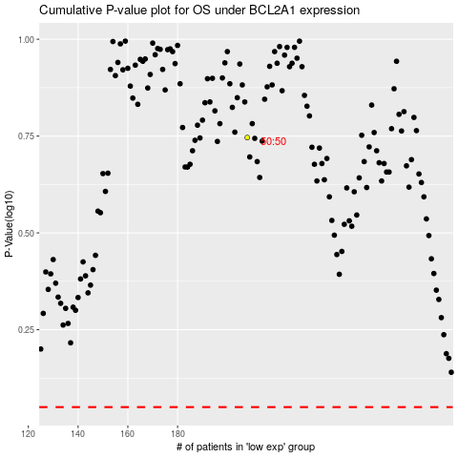

 |  |  |  |  |  | cases_OS | p_OS | rank | exp
 |  |  |  |  |  |  | cases_RFS | p_RFS | rank | exp

