BCL2L10 _multivariate
Reported by Tex Li-Hsing Chi. tex@gate.sinica.edu.tw 2019-08-21

Table 2. The clinicopathological features of HNSCC cohort and BCL2L10 expression. (Chi square test)
Cutoff at -0.302 (49.8%)
 |  | BCL2L10 expression |  | BCL2L10 expression |  | (Optimised)
 | Features | Low | (%) | High | (%) | Case no | P-value | Remark | Matthews
Gender | Female | 155 | 37.3 | 151 | 36.4 | 415 | 0.6768 | 0 | 0
2 | Male | 52 | 12.5 | 57 | 13.7
Age at diagnosis | <=65y | 136 | 32.8 | 138 | 33.3 | 415 | 0.9719 | 0 | 0
4 | >65y | 71 | 17.1 | 70 | 16.9
Clinical T Status | T1+T2 | 78 | 18.8 | 71 | 17.1 | 415 | 0.5152 | 0 | 0
6 | T3+T4 | 129 | 31.1 | 137 | 33
Clinical N Status | N0 | 96 | 23.1 | 120 | 28.9 | 415 | 0.0272 | 1 | 0
8 | N1-3 | 111 | 26.7 | 88 | 21.2
Clinical M Status | M0 | 204 | 49.2 | 208 | 50.1 | 415 | 0.1232 | 0 | 0
10 | M1 | 3 | 0.7 | 0 | 0
Clinical Stage | Stage I+II | 52 | 12.5 | 50 | 12 | 415 | 0.8871 | 0 | 0
12 | Stage III+IV | 155 | 37.3 | 158 | 38.1
Surgical Margin status | Negative | 160 | 38.6 | 158 | 38.1 | 415 | 0.8167 | 0 | 0
14 | Positive | 47 | 11.3 | 50 | 12
Tobacco Exposure | Low | 83 | 20 | 78 | 18.8 | 415 | 0.6152 | 0 | 0
16 | High | 124 | 29.9 | 130 | 31.3

Table 3. Univariate/Multivariate Cox's proportional hazards regression analyses on OS time of BCL2L10 gene expression in HNSCC

 |  | Univariate |  |  |  | Multivariate
 | Features | HR | CI95%(L) | CI95%(H) | P-value | HR | CI95%(L) | CI95%(H) | P-value
1 | Female | 1 |  |  |  | 1
Gender | Male | 1.157 | 0.843 | 1.587 | 0.367 | 1.179 | 0.844 | 1.647 | 0.334
11 | <=65y | 1 |  |  |  | 1
Age at diagnosis | >65y | 1.329 | 0.99 | 1.784 | 0.058 | 1.416 | 1.041 | 1.924 | 0.027
12 | T1+T2 | 1 |  |  |  | 1
Clinical T Status | T3+T4 | 1.409 | 1.028 | 1.931 | 0.033 | 2.194 | 1.161 | 4.146 | 0.016
13 | N0 | 1 |  |  |  | 1
Clinical N Status | N1-3 | 1.185 | 0.89 | 1.577 | 0.246 | 1.315 | 0.915 | 1.889 | 0.139
14 | M0 | 1 |  |  |  | 1
Clinical M Status | M1 | 4.097 | 1.009 | 16.644 | 0.049 | 10.597 | 2.296 | 48.923 | 0.002
15 | Stage I+II | 1 |  |  |  | 1
Clinical Stage | Stage III+IV | 1.245 | 0.882 | 1.759 | 0.213 | 0.479 | 0.223 | 1.03 | 0.06
16 | Negative | 1 |  |  |  | 1
Surgical Margin status | Positive | 1.591 | 1.155 | 2.191 | 0.004 | 1.645 | 1.189 | 2.276 | 0.003
17 | Low | 1 |  |  |  | 1
Tobacco Exposure | High | 1.364 | 1.008 | 1.844 | 0.044 | 1.43 | 1.038 | 1.97 | 0.029
18 | Low | 1 |  |  |  | 1
RNAseq(z-score) | High | 1.292 | 0.966 | 1.729 | 0.084 | 1.303 | 0.965 | 1.758 | 0.084

Table 4. Univariate/Multivariate Cox's proportional hazards regression analyses on RFS time of BCL2L10 gene expression in HNSCC

 |  | Univariate |  |  |  | Multivariate
 | Features | HR | CI95%(L) | CI95%(H) | P-value | HR | CI95%(L) | CI95%(H) | P-value
1 | Female | 1 |  |  |  | 1
Gender | Male | 1.157 | 0.843 | 1.587 | 0.367 | 1.179 | 0.844 | 1.647 | 0.334
11 | <=65y | 1 |  |  |  | 1
Age at diagnosis | >65y | 1.329 | 0.99 | 1.784 | 0.058 | 1.416 | 1.041 | 1.924 | 0.027
12 | T1+T2 | 1 |  |  |  | 1
Clinical T Status | T3+T4 | 1.409 | 1.028 | 1.931 | 0.033 | 2.194 | 1.161 | 4.146 | 0.016
13 | N0 | 1 |  |  |  | 1
Clinical N Status | N1-3 | 1.185 | 0.89 | 1.577 | 0.246 | 1.315 | 0.915 | 1.889 | 0.139
14 | M0 | 1 |  |  |  | 1
Clinical M Status | M1 | 4.097 | 1.009 | 16.644 | 0.049 | 10.597 | 2.296 | 48.923 | 0.002
15 | Stage I+II | 1 |  |  |  | 1
Clinical Stage | Stage III+IV | 1.245 | 0.882 | 1.759 | 0.213 | 0.479 | 0.223 | 1.03 | 0.06
16 | Negative | 1 |  |  |  | 1
Surgical Margin status | Positive | 1.591 | 1.155 | 2.191 | 0.004 | 1.645 | 1.189 | 2.276 | 0.003
17 | Low | 1 |  |  |  | 1
Tobacco Exposure | High | 1.364 | 1.008 | 1.844 | 0.044 | 1.43 | 1.038 | 1.97 | 0.029
18 | Low | 1 |  |  |  | 1
RNAseq(z-score) | High | 1.292 | 0.966 | 1.729 | 0.084 | 1.303 | 0.965 | 1.758 | 0.084

Kaplan-Meier survival estimate: Cutoff at -0.302 (49.8%)

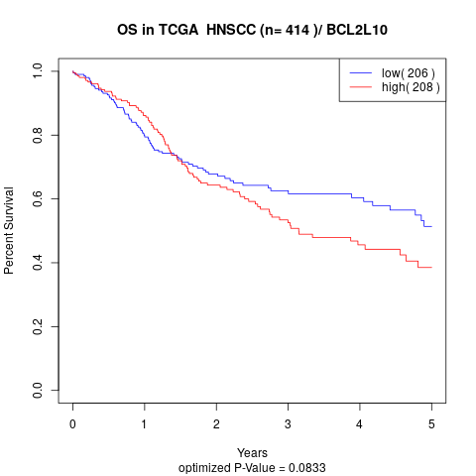

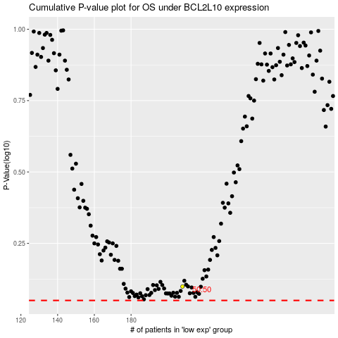

 |  |  |  |  |  | cases_OS | p_OS | rank | exp
 |  |  |  |  |  |  | cases_RFS | p_RFS | rank | exp

