BCL2L11 _multivariate
Reported by Tex Li-Hsing Chi. tex@gate.sinica.edu.tw 2019-08-21

Table 2. The clinicopathological features of HNSCC cohort and BCL2L11 expression. (Chi square test)
Cutoff at 0.225 (67.1%)
 |  | BCL2L11 expression |  | BCL2L11 expression |  | (Optimised)
 | Features | Low | (%) | High | (%) | Case no | P-value | Remark | Matthews
Gender | Female | 199 | 48 | 107 | 25.8 | 415 | 0.1393 | 0 | 0
2 | Male | 80 | 19.3 | 29 | 7
Age at diagnosis | <=65y | 188 | 45.3 | 86 | 20.7 | 415 | 0.4672 | 0 | 0
4 | >65y | 91 | 21.9 | 50 | 12
Clinical T Status | T1+T2 | 98 | 23.6 | 51 | 12.3 | 415 | 0.7156 | 0 | 0
6 | T3+T4 | 181 | 43.6 | 85 | 20.5
Clinical N Status | N0 | 145 | 34.9 | 71 | 17.1 | 415 | 1 | 0 | 0
8 | N1-3 | 134 | 32.3 | 65 | 15.7
Clinical M Status | M0 | 276 | 66.5 | 136 | 32.8 | 415 | 0.554 | 0 | 0
10 | M1 | 3 | 0.7 | 0 | 0
Clinical Stage | Stage I+II | 73 | 17.6 | 29 | 7 | 415 | 0.3402 | 0 | 0
12 | Stage III+IV | 206 | 49.6 | 107 | 25.8
Surgical Margin status | Negative | 219 | 52.8 | 99 | 23.9 | 415 | 0.2172 | 0 | 0
14 | Positive | 60 | 14.5 | 37 | 8.9
Tobacco Exposure | Low | 108 | 26 | 53 | 12.8 | 415 | 1 | 0 | 0
16 | High | 171 | 41.2 | 83 | 20

Table 3. Univariate/Multivariate Cox's proportional hazards regression analyses on OS time of BCL2L11 gene expression in HNSCC

 |  | Univariate |  |  |  | Multivariate
 | Features | HR | CI95%(L) | CI95%(H) | P-value | HR | CI95%(L) | CI95%(H) | P-value
1 | Female | 1 |  |  |  | 1
Gender | Male | 1.157 | 0.843 | 1.587 | 0.367 | 1.141 | 0.813 | 1.601 | 0.446
11 | <=65y | 1 |  |  |  | 1
Age at diagnosis | >65y | 1.329 | 0.99 | 1.784 | 0.058 | 1.41 | 1.037 | 1.916 | 0.028
12 | T1+T2 | 1 |  |  |  | 1
Clinical T Status | T3+T4 | 1.409 | 1.028 | 1.931 | 0.033 | 2.089 | 1.103 | 3.958 | 0.024
13 | N0 | 1 |  |  |  | 1
Clinical N Status | N1-3 | 1.185 | 0.89 | 1.577 | 0.246 | 1.23 | 0.862 | 1.754 | 0.253
14 | M0 | 1 |  |  |  | 1
Clinical M Status | M1 | 4.097 | 1.009 | 16.644 | 0.049 | 8.056 | 1.746 | 37.167 | 0.007
15 | Stage I+II | 1 |  |  |  | 1
Clinical Stage | Stage III+IV | 1.245 | 0.882 | 1.759 | 0.213 | 0.539 | 0.25 | 1.161 | 0.114
16 | Negative | 1 |  |  |  | 1
Surgical Margin status | Positive | 1.591 | 1.155 | 2.191 | 0.004 | 1.696 | 1.227 | 2.345 | 0.001
17 | Low | 1 |  |  |  | 1
Tobacco Exposure | High | 1.364 | 1.008 | 1.844 | 0.044 | 1.437 | 1.042 | 1.981 | 0.027
18 | Low | 1 |  |  |  | 1
RNAseq(z-score) | High | 0.719 | 0.523 | 0.989 | 0.043 | 0.73 | 0.528 | 1.011 | 0.058

Table 4. Univariate/Multivariate Cox's proportional hazards regression analyses on RFS time of BCL2L11 gene expression in HNSCC

 |  | Univariate |  |  |  | Multivariate
 | Features | HR | CI95%(L) | CI95%(H) | P-value | HR | CI95%(L) | CI95%(H) | P-value
1 | Female | 1 |  |  |  | 1
Gender | Male | 1.157 | 0.843 | 1.587 | 0.367 | 1.141 | 0.813 | 1.601 | 0.446
11 | <=65y | 1 |  |  |  | 1
Age at diagnosis | >65y | 1.329 | 0.99 | 1.784 | 0.058 | 1.41 | 1.037 | 1.916 | 0.028
12 | T1+T2 | 1 |  |  |  | 1
Clinical T Status | T3+T4 | 1.409 | 1.028 | 1.931 | 0.033 | 2.089 | 1.103 | 3.958 | 0.024
13 | N0 | 1 |  |  |  | 1
Clinical N Status | N1-3 | 1.185 | 0.89 | 1.577 | 0.246 | 1.23 | 0.862 | 1.754 | 0.253
14 | M0 | 1 |  |  |  | 1
Clinical M Status | M1 | 4.097 | 1.009 | 16.644 | 0.049 | 8.056 | 1.746 | 37.167 | 0.007
15 | Stage I+II | 1 |  |  |  | 1
Clinical Stage | Stage III+IV | 1.245 | 0.882 | 1.759 | 0.213 | 0.539 | 0.25 | 1.161 | 0.114
16 | Negative | 1 |  |  |  | 1
Surgical Margin status | Positive | 1.591 | 1.155 | 2.191 | 0.004 | 1.696 | 1.227 | 2.345 | 0.001
17 | Low | 1 |  |  |  | 1
Tobacco Exposure | High | 1.364 | 1.008 | 1.844 | 0.044 | 1.437 | 1.042 | 1.981 | 0.027
18 | Low | 1 |  |  |  | 1
RNAseq(z-score) | High | 0.719 | 0.523 | 0.989 | 0.043 | 0.73 | 0.528 | 1.011 | 0.058

Kaplan-Meier survival estimate: Cutoff at 0.225 (67.1%)



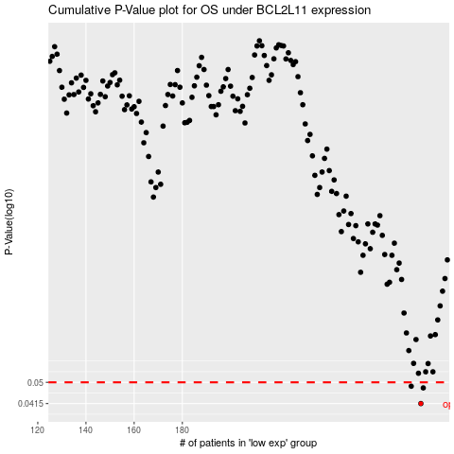

 |  |  |  |  |  | cases_OS | p_OS | rank | exp
 |  |  |  |  |  | 279 | 0.0415 | 376 | 0.22463241804
 |  |  |  |  |  | 280 | 0.0476 | 293 | 0.23018476333
 |  |  |  |  |  | 275 | 0.0483 | 42 | 0.20098358912
 |  |  |  |  |  |  | cases_RFS | p_RFS | rank | exp
 |  |  |  |  |  |  | 278 | 0.0415 | 284 | 0.2225957441
 |  |  |  |  |  |  | 279 | 0.0476 | 376 | 0.22463241804
 |  |  |  |  |  |  | 274 | 0.0483 | 222 | 0.19918580565

