BCL2L2 _multivariate
Reported by Tex Li-Hsing Chi. tex@gate.sinica.edu.tw 2019-08-21

Table 2. The clinicopathological features of HNSCC cohort and BCL2L2 expression. (Chi square test)
Cutoff at -0.217 (50.0%)
 |  | BCL2L2 expression |  | BCL2L2 expression |  | (Optimised)
 | Features | Low | (%) | High | (%) | Case no | P-value | Remark | Matthews
Gender | Female | 153 | 36.9 | 153 | 36.9 | 415 | 1 | 0 | 0
2 | Male | 54 | 13 | 55 | 13.3
Age at diagnosis | <=65y | 126 | 30.4 | 148 | 35.7 | 415 | 0.035 | 1 | 0
4 | >65y | 81 | 19.5 | 60 | 14.5
Clinical T Status | T1+T2 | 75 | 18.1 | 74 | 17.8 | 415 | 0.9707 | 0 | 0
6 | T3+T4 | 132 | 31.8 | 134 | 32.3
Clinical N Status | N0 | 99 | 23.9 | 117 | 28.2 | 415 | 0.1054 | 0 | 0
8 | N1-3 | 108 | 26 | 91 | 21.9
Clinical M Status | M0 | 206 | 49.6 | 206 | 49.6 | 415 | 1 | 0 | 0
10 | M1 | 1 | 0.2 | 2 | 0.5
Clinical Stage | Stage I+II | 47 | 11.3 | 55 | 13.3 | 415 | 0.4413 | 0 | 0
12 | Stage III+IV | 160 | 38.6 | 153 | 36.9
Surgical Margin status | Negative | 164 | 39.5 | 154 | 37.1 | 415 | 0.2462 | 0 | 0
14 | Positive | 43 | 10.4 | 54 | 13
Tobacco Exposure | Low | 94 | 22.7 | 67 | 16.1 | 415 | 0.0065 | 1 | 0
16 | High | 113 | 27.2 | 141 | 34

Table 3. Univariate/Multivariate Cox's proportional hazards regression analyses on OS time of BCL2L2 gene expression in HNSCC

 |  | Univariate |  |  |  | Multivariate
 | Features | HR | CI95%(L) | CI95%(H) | P-value | HR | CI95%(L) | CI95%(H) | P-value
1 | Female | 1 |  |  |  | 1
Gender | Male | 1.157 | 0.843 | 1.587 | 0.367 | 1.203 | 0.861 | 1.682 | 0.278
11 | <=65y | 1 |  |  |  | 1
Age at diagnosis | >65y | 1.329 | 0.99 | 1.784 | 0.058 | 1.39 | 1.022 | 1.89 | 0.036
12 | T1+T2 | 1 |  |  |  | 1
Clinical T Status | T3+T4 | 1.409 | 1.028 | 1.931 | 0.033 | 2.203 | 1.165 | 4.165 | 0.015
13 | N0 | 1 |  |  |  | 1
Clinical N Status | N1-3 | 1.185 | 0.89 | 1.577 | 0.246 | 1.236 | 0.862 | 1.771 | 0.249
14 | M0 | 1 |  |  |  | 1
Clinical M Status | M1 | 4.097 | 1.009 | 16.644 | 0.049 | 9.451 | 2.059 | 43.376 | 0.004
15 | Stage I+II | 1 |  |  |  | 1
Clinical Stage | Stage III+IV | 1.245 | 0.882 | 1.759 | 0.213 | 0.504 | 0.235 | 1.083 | 0.079
16 | Negative | 1 |  |  |  | 1
Surgical Margin status | Positive | 1.591 | 1.155 | 2.191 | 0.004 | 1.676 | 1.211 | 2.319 | 0.002
17 | Low | 1 |  |  |  | 1
Tobacco Exposure | High | 1.364 | 1.008 | 1.844 | 0.044 | 1.459 | 1.054 | 2.019 | 0.023
18 | Low | 1 |  |  |  | 1
RNAseq(z-score) | High | 1.029 | 0.773 | 1.372 | 0.843 | 0.978 | 0.726 | 1.316 | 0.881

Table 4. Univariate/Multivariate Cox's proportional hazards regression analyses on RFS time of BCL2L2 gene expression in HNSCC

 |  | Univariate |  |  |  | Multivariate
 | Features | HR | CI95%(L) | CI95%(H) | P-value | HR | CI95%(L) | CI95%(H) | P-value
1 | Female | 1 |  |  |  | 1
Gender | Male | 1.157 | 0.843 | 1.587 | 0.367 | 1.203 | 0.861 | 1.682 | 0.278
11 | <=65y | 1 |  |  |  | 1
Age at diagnosis | >65y | 1.329 | 0.99 | 1.784 | 0.058 | 1.39 | 1.022 | 1.89 | 0.036
12 | T1+T2 | 1 |  |  |  | 1
Clinical T Status | T3+T4 | 1.409 | 1.028 | 1.931 | 0.033 | 2.203 | 1.165 | 4.165 | 0.015
13 | N0 | 1 |  |  |  | 1
Clinical N Status | N1-3 | 1.185 | 0.89 | 1.577 | 0.246 | 1.236 | 0.862 | 1.771 | 0.249
14 | M0 | 1 |  |  |  | 1
Clinical M Status | M1 | 4.097 | 1.009 | 16.644 | 0.049 | 9.451 | 2.059 | 43.376 | 0.004
15 | Stage I+II | 1 |  |  |  | 1
Clinical Stage | Stage III+IV | 1.245 | 0.882 | 1.759 | 0.213 | 0.504 | 0.235 | 1.083 | 0.079
16 | Negative | 1 |  |  |  | 1
Surgical Margin status | Positive | 1.591 | 1.155 | 2.191 | 0.004 | 1.676 | 1.211 | 2.319 | 0.002
17 | Low | 1 |  |  |  | 1
Tobacco Exposure | High | 1.364 | 1.008 | 1.844 | 0.044 | 1.459 | 1.054 | 2.019 | 0.023
18 | Low | 1 |  |  |  | 1
RNAseq(z-score) | High | 1.029 | 0.773 | 1.372 | 0.843 | 0.978 | 0.726 | 1.316 | 0.881

Kaplan-Meier survival estimate: Cutoff at -0.217 (50.0%)



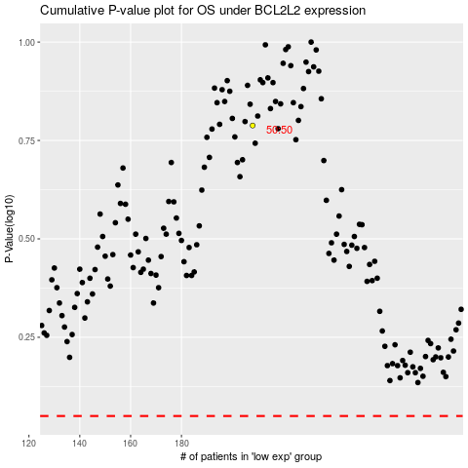

 |  |  |  |  |  | cases_OS | p_OS | rank | exp
 |  |  |  |  |  |  | cases_RFS | p_RFS | rank | exp

