BCL7A _multivariate
Reported by Tex Li-Hsing Chi. tex@gate.sinica.edu.tw 2019-08-21

Table 2. The clinicopathological features of HNSCC cohort and BCL7A expression. (Chi square test)
Cutoff at -0.12 (49.8%)
 |  | BCL7A expression |  | BCL7A expression |  | (Optimised)
 | Features | Low | (%) | High | (%) | Case no | P-value | Remark | Matthews
Gender | Female | 148 | 35.7 | 158 | 38.1 | 415 | 0.3567 | 0 | 0
2 | Male | 59 | 14.2 | 50 | 12
Age at diagnosis | <=65y | 139 | 33.5 | 135 | 32.5 | 415 | 0.7044 | 0 | 0
4 | >65y | 68 | 16.4 | 73 | 17.6
Clinical T Status | T1+T2 | 84 | 20.2 | 65 | 15.7 | 415 | 0.0603 | 0 | 0
6 | T3+T4 | 123 | 29.6 | 143 | 34.5
Clinical N Status | N0 | 101 | 24.3 | 115 | 27.7 | 415 | 0.2201 | 0 | 0
8 | N1-3 | 106 | 25.5 | 93 | 22.4
Clinical M Status | M0 | 206 | 49.6 | 206 | 49.6 | 415 | 1 | 0 | 0
10 | M1 | 1 | 0.2 | 2 | 0.5
Clinical Stage | Stage I+II | 57 | 13.7 | 45 | 10.8 | 415 | 0.1998 | 0 | 0
12 | Stage III+IV | 150 | 36.1 | 163 | 39.3
Surgical Margin status | Negative | 160 | 38.6 | 158 | 38.1 | 415 | 0.8167 | 0 | 0
14 | Positive | 47 | 11.3 | 50 | 12
Tobacco Exposure | Low | 85 | 20.5 | 76 | 18.3 | 415 | 0.3655 | 0 | 0
16 | High | 122 | 29.4 | 132 | 31.8

Table 3. Univariate/Multivariate Cox's proportional hazards regression analyses on OS time of BCL7A gene expression in HNSCC

 |  | Univariate |  |  |  | Multivariate
 | Features | HR | CI95%(L) | CI95%(H) | P-value | HR | CI95%(L) | CI95%(H) | P-value
1 | Female | 1 |  |  |  | 1
Gender | Male | 1.157 | 0.843 | 1.587 | 0.367 | 1.195 | 0.853 | 1.676 | 0.301
11 | <=65y | 1 |  |  |  | 1
Age at diagnosis | >65y | 1.329 | 0.99 | 1.784 | 0.058 | 1.392 | 1.024 | 1.893 | 0.035
12 | T1+T2 | 1 |  |  |  | 1
Clinical T Status | T3+T4 | 1.409 | 1.028 | 1.931 | 0.033 | 2.21 | 1.168 | 4.181 | 0.015
13 | N0 | 1 |  |  |  | 1
Clinical N Status | N1-3 | 1.185 | 0.89 | 1.577 | 0.246 | 1.236 | 0.865 | 1.767 | 0.244
14 | M0 | 1 |  |  |  | 1
Clinical M Status | M1 | 4.097 | 1.009 | 16.644 | 0.049 | 9.45 | 2.06 | 43.343 | 0.004
15 | Stage I+II | 1 |  |  |  | 1
Clinical Stage | Stage III+IV | 1.245 | 0.882 | 1.759 | 0.213 | 0.506 | 0.236 | 1.087 | 0.081
16 | Negative | 1 |  |  |  | 1
Surgical Margin status | Positive | 1.591 | 1.155 | 2.191 | 0.004 | 1.675 | 1.212 | 2.316 | 0.002
17 | Low | 1 |  |  |  | 1
Tobacco Exposure | High | 1.364 | 1.008 | 1.844 | 0.044 | 1.452 | 1.054 | 2.002 | 0.023
18 | Low | 1 |  |  |  | 1
RNAseq(z-score) | High | 1 | 0.751 | 1.333 | 0.999 | 0.968 | 0.72 | 1.301 | 0.828

Table 4. Univariate/Multivariate Cox's proportional hazards regression analyses on RFS time of BCL7A gene expression in HNSCC

 |  | Univariate |  |  |  | Multivariate
 | Features | HR | CI95%(L) | CI95%(H) | P-value | HR | CI95%(L) | CI95%(H) | P-value
1 | Female | 1 |  |  |  | 1
Gender | Male | 1.157 | 0.843 | 1.587 | 0.367 | 1.195 | 0.853 | 1.676 | 0.301
11 | <=65y | 1 |  |  |  | 1
Age at diagnosis | >65y | 1.329 | 0.99 | 1.784 | 0.058 | 1.392 | 1.024 | 1.893 | 0.035
12 | T1+T2 | 1 |  |  |  | 1
Clinical T Status | T3+T4 | 1.409 | 1.028 | 1.931 | 0.033 | 2.21 | 1.168 | 4.181 | 0.015
13 | N0 | 1 |  |  |  | 1
Clinical N Status | N1-3 | 1.185 | 0.89 | 1.577 | 0.246 | 1.236 | 0.865 | 1.767 | 0.244
14 | M0 | 1 |  |  |  | 1
Clinical M Status | M1 | 4.097 | 1.009 | 16.644 | 0.049 | 9.45 | 2.06 | 43.343 | 0.004
15 | Stage I+II | 1 |  |  |  | 1
Clinical Stage | Stage III+IV | 1.245 | 0.882 | 1.759 | 0.213 | 0.506 | 0.236 | 1.087 | 0.081
16 | Negative | 1 |  |  |  | 1
Surgical Margin status | Positive | 1.591 | 1.155 | 2.191 | 0.004 | 1.675 | 1.212 | 2.316 | 0.002
17 | Low | 1 |  |  |  | 1
Tobacco Exposure | High | 1.364 | 1.008 | 1.844 | 0.044 | 1.452 | 1.054 | 2.002 | 0.023
18 | Low | 1 |  |  |  | 1
RNAseq(z-score) | High | 1 | 0.751 | 1.333 | 0.999 | 0.968 | 0.72 | 1.301 | 0.828

Kaplan-Meier survival estimate: Cutoff at -0.12 (49.8%)



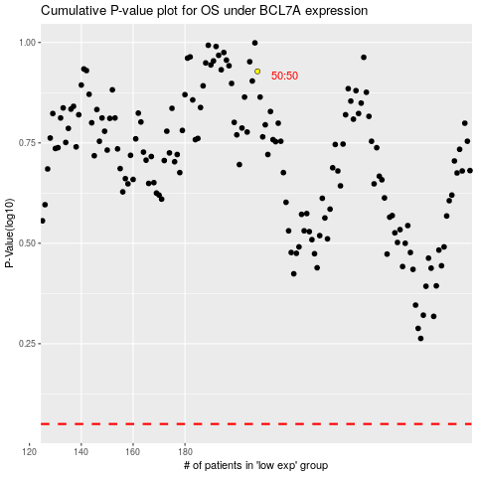

 |  |  |  |  |  | cases_OS | p_OS | rank | exp
 |  |  |  |  |  |  | cases_RFS | p_RFS | rank | exp

