BCO2 _multivariate
Reported by Tex Li-Hsing Chi. tex@gate.sinica.edu.tw 2019-08-21

Table 2. The clinicopathological features of HNSCC cohort and BCO2 expression. (Chi square test)
Cutoff at -0.369 (49.8%)
 |  | BCO2 expression |  | BCO2 expression |  | (Optimised)
 | Features | Low | (%) | High | (%) | Case no | P-value | Remark | Matthews
Gender | Female | 154 | 37.1 | 152 | 36.6 | 415 | 0.8463 | 0 | 0
2 | Male | 53 | 12.8 | 56 | 13.5
Age at diagnosis | <=65y | 135 | 32.5 | 139 | 33.5 | 415 | 0.8084 | 0 | 0
4 | >65y | 72 | 17.3 | 69 | 16.6
Clinical T Status | T1+T2 | 73 | 17.6 | 76 | 18.3 | 415 | 0.8666 | 0 | 0
6 | T3+T4 | 134 | 32.3 | 132 | 31.8
Clinical N Status | N0 | 101 | 24.3 | 115 | 27.7 | 415 | 0.2201 | 0 | 0
8 | N1-3 | 106 | 25.5 | 93 | 22.4
Clinical M Status | M0 | 207 | 49.9 | 205 | 49.4 | 415 | 0.2482 | 0 | 0
10 | M1 | 0 | 0 | 3 | 0.7
Clinical Stage | Stage I+II | 52 | 12.5 | 50 | 12 | 415 | 0.8871 | 0 | 0
12 | Stage III+IV | 155 | 37.3 | 158 | 38.1
Surgical Margin status | Negative | 155 | 37.3 | 163 | 39.3 | 415 | 0.4187 | 0 | 0
14 | Positive | 52 | 12.5 | 45 | 10.8
Tobacco Exposure | Low | 83 | 20 | 78 | 18.8 | 415 | 0.6152 | 0 | 0
16 | High | 124 | 29.9 | 130 | 31.3

Table 3. Univariate/Multivariate Cox's proportional hazards regression analyses on OS time of BCO2 gene expression in HNSCC

 |  | Univariate |  |  |  | Multivariate
 | Features | HR | CI95%(L) | CI95%(H) | P-value | HR | CI95%(L) | CI95%(H) | P-value
1 | Female | 1 |  |  |  | 1
Gender | Male | 1.157 | 0.843 | 1.587 | 0.367 | 1.21 | 0.867 | 1.689 | 0.263
11 | <=65y | 1 |  |  |  | 1
Age at diagnosis | >65y | 1.329 | 0.99 | 1.784 | 0.058 | 1.419 | 1.041 | 1.933 | 0.027
12 | T1+T2 | 1 |  |  |  | 1
Clinical T Status | T3+T4 | 1.409 | 1.028 | 1.931 | 0.033 | 2.176 | 1.152 | 4.112 | 0.017
13 | N0 | 1 |  |  |  | 1
Clinical N Status | N1-3 | 1.185 | 0.89 | 1.577 | 0.246 | 1.234 | 0.864 | 1.763 | 0.247
14 | M0 | 1 |  |  |  | 1
Clinical M Status | M1 | 4.097 | 1.009 | 16.644 | 0.049 | 10.688 | 2.311 | 49.44 | 0.002
15 | Stage I+II | 1 |  |  |  | 1
Clinical Stage | Stage III+IV | 1.245 | 0.882 | 1.759 | 0.213 | 0.504 | 0.235 | 1.08 | 0.078
16 | Negative | 1 |  |  |  | 1
Surgical Margin status | Positive | 1.591 | 1.155 | 2.191 | 0.004 | 1.655 | 1.198 | 2.287 | 0.002
17 | Low | 1 |  |  |  | 1
Tobacco Exposure | High | 1.364 | 1.008 | 1.844 | 0.044 | 1.49 | 1.079 | 2.058 | 0.015
18 | Low | 1 |  |  |  | 1
RNAseq(z-score) | High | 0.802 | 0.601 | 1.071 | 0.136 | 0.786 | 0.585 | 1.054 | 0.108

Table 4. Univariate/Multivariate Cox's proportional hazards regression analyses on RFS time of BCO2 gene expression in HNSCC

 |  | Univariate |  |  |  | Multivariate
 | Features | HR | CI95%(L) | CI95%(H) | P-value | HR | CI95%(L) | CI95%(H) | P-value
1 | Female | 1 |  |  |  | 1
Gender | Male | 1.157 | 0.843 | 1.587 | 0.367 | 1.21 | 0.867 | 1.689 | 0.263
11 | <=65y | 1 |  |  |  | 1
Age at diagnosis | >65y | 1.329 | 0.99 | 1.784 | 0.058 | 1.419 | 1.041 | 1.933 | 0.027
12 | T1+T2 | 1 |  |  |  | 1
Clinical T Status | T3+T4 | 1.409 | 1.028 | 1.931 | 0.033 | 2.176 | 1.152 | 4.112 | 0.017
13 | N0 | 1 |  |  |  | 1
Clinical N Status | N1-3 | 1.185 | 0.89 | 1.577 | 0.246 | 1.234 | 0.864 | 1.763 | 0.247
14 | M0 | 1 |  |  |  | 1
Clinical M Status | M1 | 4.097 | 1.009 | 16.644 | 0.049 | 10.688 | 2.311 | 49.44 | 0.002
15 | Stage I+II | 1 |  |  |  | 1
Clinical Stage | Stage III+IV | 1.245 | 0.882 | 1.759 | 0.213 | 0.504 | 0.235 | 1.08 | 0.078
16 | Negative | 1 |  |  |  | 1
Surgical Margin status | Positive | 1.591 | 1.155 | 2.191 | 0.004 | 1.655 | 1.198 | 2.287 | 0.002
17 | Low | 1 |  |  |  | 1
Tobacco Exposure | High | 1.364 | 1.008 | 1.844 | 0.044 | 1.49 | 1.079 | 2.058 | 0.015
18 | Low | 1 |  |  |  | 1
RNAseq(z-score) | High | 0.802 | 0.601 | 1.071 | 0.136 | 0.786 | 0.585 | 1.054 | 0.108

Kaplan-Meier survival estimate: Cutoff at -0.369 (49.8%)



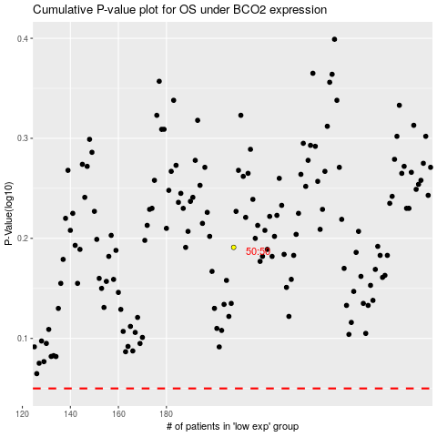

 |  |  |  |  |  | cases_OS | p_OS | rank | exp
 |  |  |  |  |  |  | cases_RFS | p_RFS | rank | exp

