BCR _multivariate
Reported by Tex Li-Hsing Chi. tex@gate.sinica.edu.tw 2019-08-21

Table 2. The clinicopathological features of HNSCC cohort and BCR expression. (Chi square test)
Cutoff at -0.061 (49.8%)
 |  | BCR expression |  | BCR expression |  | (Optimised)
 | Features | Low | (%) | High | (%) | Case no | P-value | Remark | Matthews
Gender | Female | 148 | 35.7 | 158 | 38.1 | 415 | 0.3567 | 0 | 0
2 | Male | 59 | 14.2 | 50 | 12
Age at diagnosis | <=65y | 137 | 33 | 137 | 33 | 415 | 1 | 0 | 0
4 | >65y | 70 | 16.9 | 71 | 17.1
Clinical T Status | T1+T2 | 86 | 20.7 | 63 | 15.2 | 415 | 0.0221 | 1 | 0
6 | T3+T4 | 121 | 29.2 | 145 | 34.9
Clinical N Status | N0 | 104 | 25.1 | 112 | 27 | 415 | 0.5243 | 0 | 0
8 | N1-3 | 103 | 24.8 | 96 | 23.1
Clinical M Status | M0 | 205 | 49.4 | 207 | 49.9 | 415 | 0.6232 | 0 | 0
10 | M1 | 2 | 0.5 | 1 | 0.2
Clinical Stage | Stage I+II | 61 | 14.7 | 41 | 9.9 | 415 | 0.0282 | 1 | 0
12 | Stage III+IV | 146 | 35.2 | 167 | 40.2
Surgical Margin status | Negative | 159 | 38.3 | 159 | 38.3 | 415 | 1 | 0 | 0
14 | Positive | 48 | 11.6 | 49 | 11.8
Tobacco Exposure | Low | 83 | 20 | 78 | 18.8 | 415 | 0.6152 | 0 | 0
16 | High | 124 | 29.9 | 130 | 31.3

Table 3. Univariate/Multivariate Cox's proportional hazards regression analyses on OS time of BCR gene expression in HNSCC

 |  | Univariate |  |  |  | Multivariate
 | Features | HR | CI95%(L) | CI95%(H) | P-value | HR | CI95%(L) | CI95%(H) | P-value
1 | Female | 1 |  |  |  | 1
Gender | Male | 1.157 | 0.843 | 1.587 | 0.367 | 1.202 | 0.86 | 1.679 | 0.281
11 | <=65y | 1 |  |  |  | 1
Age at diagnosis | >65y | 1.329 | 0.99 | 1.784 | 0.058 | 1.391 | 1.024 | 1.892 | 0.035
12 | T1+T2 | 1 |  |  |  | 1
Clinical T Status | T3+T4 | 1.409 | 1.028 | 1.931 | 0.033 | 2.206 | 1.165 | 4.176 | 0.015
13 | N0 | 1 |  |  |  | 1
Clinical N Status | N1-3 | 1.185 | 0.89 | 1.577 | 0.246 | 1.244 | 0.869 | 1.78 | 0.234
14 | M0 | 1 |  |  |  | 1
Clinical M Status | M1 | 4.097 | 1.009 | 16.644 | 0.049 | 9.432 | 2.055 | 43.288 | 0.004
15 | Stage I+II | 1 |  |  |  | 1
Clinical Stage | Stage III+IV | 1.245 | 0.882 | 1.759 | 0.213 | 0.502 | 0.232 | 1.086 | 0.08
16 | Negative | 1 |  |  |  | 1
Surgical Margin status | Positive | 1.591 | 1.155 | 2.191 | 0.004 | 1.673 | 1.21 | 2.313 | 0.002
17 | Low | 1 |  |  |  | 1
Tobacco Exposure | High | 1.364 | 1.008 | 1.844 | 0.044 | 1.454 | 1.055 | 2.003 | 0.022
18 | Low | 1 |  |  |  | 1
RNAseq(z-score) | High | 0.999 | 0.75 | 1.331 | 0.997 | 1.013 | 0.756 | 1.358 | 0.929

Table 4. Univariate/Multivariate Cox's proportional hazards regression analyses on RFS time of BCR gene expression in HNSCC

 |  | Univariate |  |  |  | Multivariate
 | Features | HR | CI95%(L) | CI95%(H) | P-value | HR | CI95%(L) | CI95%(H) | P-value
1 | Female | 1 |  |  |  | 1
Gender | Male | 1.157 | 0.843 | 1.587 | 0.367 | 1.202 | 0.86 | 1.679 | 0.281
11 | <=65y | 1 |  |  |  | 1
Age at diagnosis | >65y | 1.329 | 0.99 | 1.784 | 0.058 | 1.391 | 1.024 | 1.892 | 0.035
12 | T1+T2 | 1 |  |  |  | 1
Clinical T Status | T3+T4 | 1.409 | 1.028 | 1.931 | 0.033 | 2.206 | 1.165 | 4.176 | 0.015
13 | N0 | 1 |  |  |  | 1
Clinical N Status | N1-3 | 1.185 | 0.89 | 1.577 | 0.246 | 1.244 | 0.869 | 1.78 | 0.234
14 | M0 | 1 |  |  |  | 1
Clinical M Status | M1 | 4.097 | 1.009 | 16.644 | 0.049 | 9.432 | 2.055 | 43.288 | 0.004
15 | Stage I+II | 1 |  |  |  | 1
Clinical Stage | Stage III+IV | 1.245 | 0.882 | 1.759 | 0.213 | 0.502 | 0.232 | 1.086 | 0.08
16 | Negative | 1 |  |  |  | 1
Surgical Margin status | Positive | 1.591 | 1.155 | 2.191 | 0.004 | 1.673 | 1.21 | 2.313 | 0.002
17 | Low | 1 |  |  |  | 1
Tobacco Exposure | High | 1.364 | 1.008 | 1.844 | 0.044 | 1.454 | 1.055 | 2.003 | 0.022
18 | Low | 1 |  |  |  | 1
RNAseq(z-score) | High | 0.999 | 0.75 | 1.331 | 0.997 | 1.013 | 0.756 | 1.358 | 0.929

Kaplan-Meier survival estimate: Cutoff at -0.061 (49.8%)



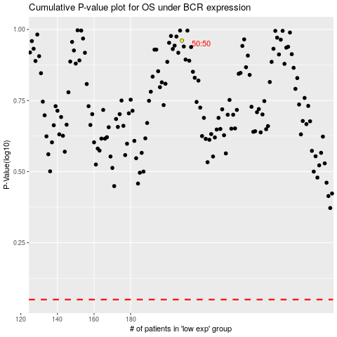

 |  |  |  |  |  | cases_OS | p_OS | rank | exp
 |  |  |  |  |  |  | cases_RFS | p_RFS | rank | exp

