BCS1L _multivariate
Reported by Tex Li-Hsing Chi. tex@gate.sinica.edu.tw 2019-08-21

Table 2. The clinicopathological features of HNSCC cohort and BCS1L expression. (Chi square test)
Cutoff at -0.195 (49.8%)
 |  | BCS1L expression |  | BCS1L expression |  | (Optimised)
 | Features | Low | (%) | High | (%) | Case no | P-value | Remark | Matthews
Gender | Female | 145 | 34.9 | 161 | 38.8 | 415 | 0.1116 | 0 | 0
2 | Male | 62 | 14.9 | 47 | 11.3
Age at diagnosis | <=65y | 129 | 31.1 | 145 | 34.9 | 415 | 0.1372 | 0 | 0
4 | >65y | 78 | 18.8 | 63 | 15.2
Clinical T Status | T1+T2 | 73 | 17.6 | 76 | 18.3 | 415 | 0.8666 | 0 | 0
6 | T3+T4 | 134 | 32.3 | 132 | 31.8
Clinical N Status | N0 | 111 | 26.7 | 105 | 25.3 | 415 | 0.5875 | 0 | 0
8 | N1-3 | 96 | 23.1 | 103 | 24.8
Clinical M Status | M0 | 207 | 49.9 | 205 | 49.4 | 415 | 0.2482 | 0 | 0
10 | M1 | 0 | 0 | 3 | 0.7
Clinical Stage | Stage I+II | 50 | 12 | 52 | 12.5 | 415 | 0.9315 | 0 | 0
12 | Stage III+IV | 157 | 37.8 | 156 | 37.6
Surgical Margin status | Negative | 161 | 38.8 | 157 | 37.8 | 415 | 0.6429 | 0 | 0
14 | Positive | 46 | 11.1 | 51 | 12.3
Tobacco Exposure | Low | 84 | 20.2 | 77 | 18.6 | 415 | 0.4816 | 0 | 0
16 | High | 123 | 29.6 | 131 | 31.6

Table 3. Univariate/Multivariate Cox's proportional hazards regression analyses on OS time of BCS1L gene expression in HNSCC

 |  | Univariate |  |  |  | Multivariate
 | Features | HR | CI95%(L) | CI95%(H) | P-value | HR | CI95%(L) | CI95%(H) | P-value
1 | Female | 1 |  |  |  | 1
Gender | Male | 1.157 | 0.843 | 1.587 | 0.367 | 1.199 | 0.859 | 1.674 | 0.285
11 | <=65y | 1 |  |  |  | 1
Age at diagnosis | >65y | 1.329 | 0.99 | 1.784 | 0.058 | 1.381 | 1.015 | 1.878 | 0.04
12 | T1+T2 | 1 |  |  |  | 1
Clinical T Status | T3+T4 | 1.409 | 1.028 | 1.931 | 0.033 | 2.239 | 1.183 | 4.238 | 0.013
13 | N0 | 1 |  |  |  | 1
Clinical N Status | N1-3 | 1.185 | 0.89 | 1.577 | 0.246 | 1.257 | 0.881 | 1.795 | 0.208
14 | M0 | 1 |  |  |  | 1
Clinical M Status | M1 | 4.097 | 1.009 | 16.644 | 0.049 | 10.351 | 2.235 | 47.942 | 0.003
15 | Stage I+II | 1 |  |  |  | 1
Clinical Stage | Stage III+IV | 1.245 | 0.882 | 1.759 | 0.213 | 0.493 | 0.23 | 1.06 | 0.07
16 | Negative | 1 |  |  |  | 1
Surgical Margin status | Positive | 1.591 | 1.155 | 2.191 | 0.004 | 1.704 | 1.23 | 2.36 | 0.001
17 | Low | 1 |  |  |  | 1
Tobacco Exposure | High | 1.364 | 1.008 | 1.844 | 0.044 | 1.459 | 1.058 | 2.01 | 0.021
18 | Low | 1 |  |  |  | 1
RNAseq(z-score) | High | 0.914 | 0.685 | 1.218 | 0.538 | 0.85 | 0.634 | 1.138 | 0.275

Table 4. Univariate/Multivariate Cox's proportional hazards regression analyses on RFS time of BCS1L gene expression in HNSCC

 |  | Univariate |  |  |  | Multivariate
 | Features | HR | CI95%(L) | CI95%(H) | P-value | HR | CI95%(L) | CI95%(H) | P-value
1 | Female | 1 |  |  |  | 1
Gender | Male | 1.157 | 0.843 | 1.587 | 0.367 | 1.199 | 0.859 | 1.674 | 0.285
11 | <=65y | 1 |  |  |  | 1
Age at diagnosis | >65y | 1.329 | 0.99 | 1.784 | 0.058 | 1.381 | 1.015 | 1.878 | 0.04
12 | T1+T2 | 1 |  |  |  | 1
Clinical T Status | T3+T4 | 1.409 | 1.028 | 1.931 | 0.033 | 2.239 | 1.183 | 4.238 | 0.013
13 | N0 | 1 |  |  |  | 1
Clinical N Status | N1-3 | 1.185 | 0.89 | 1.577 | 0.246 | 1.257 | 0.881 | 1.795 | 0.208
14 | M0 | 1 |  |  |  | 1
Clinical M Status | M1 | 4.097 | 1.009 | 16.644 | 0.049 | 10.351 | 2.235 | 47.942 | 0.003
15 | Stage I+II | 1 |  |  |  | 1
Clinical Stage | Stage III+IV | 1.245 | 0.882 | 1.759 | 0.213 | 0.493 | 0.23 | 1.06 | 0.07
16 | Negative | 1 |  |  |  | 1
Surgical Margin status | Positive | 1.591 | 1.155 | 2.191 | 0.004 | 1.704 | 1.23 | 2.36 | 0.001
17 | Low | 1 |  |  |  | 1
Tobacco Exposure | High | 1.364 | 1.008 | 1.844 | 0.044 | 1.459 | 1.058 | 2.01 | 0.021
18 | Low | 1 |  |  |  | 1
RNAseq(z-score) | High | 0.914 | 0.685 | 1.218 | 0.538 | 0.85 | 0.634 | 1.138 | 0.275

Kaplan-Meier survival estimate: Cutoff at -0.195 (49.8%)



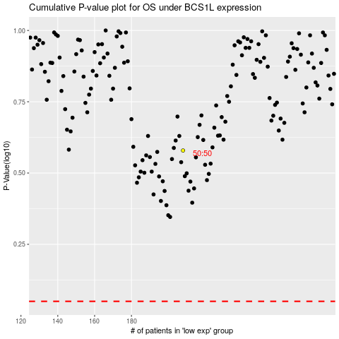

 |  |  |  |  |  | cases_OS | p_OS | rank | exp
 |  |  |  |  |  |  | cases_RFS | p_RFS | rank | exp

