BDH2 _multivariate
Reported by Tex Li-Hsing Chi. tex@gate.sinica.edu.tw 2019-08-21

Table 2. The clinicopathological features of HNSCC cohort and BDH2 expression. (Chi square test)
Cutoff at -0.346 (49.8%)
 |  | BDH2 expression |  | BDH2 expression |  | (Optimised)
 | Features | Low | (%) | High | (%) | Case no | P-value | Remark | Matthews
Gender | Female | 148 | 35.7 | 158 | 38.1 | 415 | 0.3567 | 0 | 0
2 | Male | 59 | 14.2 | 50 | 12
Age at diagnosis | <=65y | 133 | 32 | 141 | 34 | 415 | 0.5111 | 0 | 0
4 | >65y | 74 | 17.8 | 67 | 16.1
Clinical T Status | T1+T2 | 74 | 17.8 | 75 | 18.1 | 415 | 1 | 0 | 0
6 | T3+T4 | 133 | 32 | 133 | 32
Clinical N Status | N0 | 113 | 27.2 | 103 | 24.8 | 415 | 0.3495 | 1 | 0
8 | N1-3 | 94 | 22.7 | 105 | 25.3
Clinical M Status | M0 | 204 | 49.2 | 208 | 50.1 | 415 | 0.1232 | 0 | 0
10 | M1 | 3 | 0.7 | 0 | 0
Clinical Stage | Stage I+II | 54 | 13 | 48 | 11.6 | 415 | 0.5498 | 0 | 0
12 | Stage III+IV | 153 | 36.9 | 160 | 38.6
Surgical Margin status | Negative | 171 | 41.2 | 147 | 35.4 | 415 | 0.0052 | 1 | 0
14 | Positive | 36 | 8.7 | 61 | 14.7
Tobacco Exposure | Low | 80 | 19.3 | 81 | 19.5 | 415 | 1 | 0 | 0
16 | High | 127 | 30.6 | 127 | 30.6

Table 3. Univariate/Multivariate Cox's proportional hazards regression analyses on OS time of BDH2 gene expression in HNSCC

 |  | Univariate |  |  |  | Multivariate
 | Features | HR | CI95%(L) | CI95%(H) | P-value | HR | CI95%(L) | CI95%(H) | P-value
1 | Female | 1 |  |  |  | 1
Gender | Male | 1.157 | 0.843 | 1.587 | 0.367 | 1.206 | 0.863 | 1.686 | 0.272
11 | <=65y | 1 |  |  |  | 1
Age at diagnosis | >65y | 1.329 | 0.99 | 1.784 | 0.058 | 1.387 | 1.02 | 1.886 | 0.037
12 | T1+T2 | 1 |  |  |  | 1
Clinical T Status | T3+T4 | 1.409 | 1.028 | 1.931 | 0.033 | 2.164 | 1.143 | 4.095 | 0.018
13 | N0 | 1 |  |  |  | 1
Clinical N Status | N1-3 | 1.185 | 0.89 | 1.577 | 0.246 | 1.237 | 0.867 | 1.765 | 0.24
14 | M0 | 1 |  |  |  | 1
Clinical M Status | M1 | 4.097 | 1.009 | 16.644 | 0.049 | 8.643 | 1.87 | 39.946 | 0.006
15 | Stage I+II | 1 |  |  |  | 1
Clinical Stage | Stage III+IV | 1.245 | 0.882 | 1.759 | 0.213 | 0.513 | 0.239 | 1.102 | 0.087
16 | Negative | 1 |  |  |  | 1
Surgical Margin status | Positive | 1.591 | 1.155 | 2.191 | 0.004 | 1.72 | 1.239 | 2.387 | 0.001
17 | Low | 1 |  |  |  | 1
Tobacco Exposure | High | 1.364 | 1.008 | 1.844 | 0.044 | 1.468 | 1.064 | 2.026 | 0.02
18 | Low | 1 |  |  |  | 1
RNAseq(z-score) | High | 0.886 | 0.664 | 1.182 | 0.409 | 0.858 | 0.639 | 1.153 | 0.31

Table 4. Univariate/Multivariate Cox's proportional hazards regression analyses on RFS time of BDH2 gene expression in HNSCC

 |  | Univariate |  |  |  | Multivariate
 | Features | HR | CI95%(L) | CI95%(H) | P-value | HR | CI95%(L) | CI95%(H) | P-value
1 | Female | 1 |  |  |  | 1
Gender | Male | 1.157 | 0.843 | 1.587 | 0.367 | 1.206 | 0.863 | 1.686 | 0.272
11 | <=65y | 1 |  |  |  | 1
Age at diagnosis | >65y | 1.329 | 0.99 | 1.784 | 0.058 | 1.387 | 1.02 | 1.886 | 0.037
12 | T1+T2 | 1 |  |  |  | 1
Clinical T Status | T3+T4 | 1.409 | 1.028 | 1.931 | 0.033 | 2.164 | 1.143 | 4.095 | 0.018
13 | N0 | 1 |  |  |  | 1
Clinical N Status | N1-3 | 1.185 | 0.89 | 1.577 | 0.246 | 1.237 | 0.867 | 1.765 | 0.24
14 | M0 | 1 |  |  |  | 1
Clinical M Status | M1 | 4.097 | 1.009 | 16.644 | 0.049 | 8.643 | 1.87 | 39.946 | 0.006
15 | Stage I+II | 1 |  |  |  | 1
Clinical Stage | Stage III+IV | 1.245 | 0.882 | 1.759 | 0.213 | 0.513 | 0.239 | 1.102 | 0.087
16 | Negative | 1 |  |  |  | 1
Surgical Margin status | Positive | 1.591 | 1.155 | 2.191 | 0.004 | 1.72 | 1.239 | 2.387 | 0.001
17 | Low | 1 |  |  |  | 1
Tobacco Exposure | High | 1.364 | 1.008 | 1.844 | 0.044 | 1.468 | 1.064 | 2.026 | 0.02
18 | Low | 1 |  |  |  | 1
RNAseq(z-score) | High | 0.886 | 0.664 | 1.182 | 0.409 | 0.858 | 0.639 | 1.153 | 0.31

Kaplan-Meier survival estimate: Cutoff at -0.346 (49.8%)



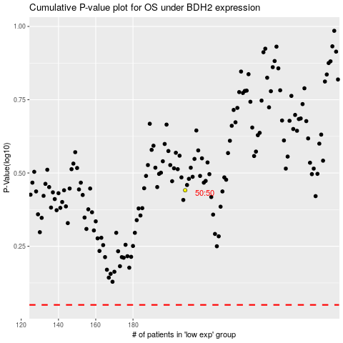

 |  |  |  |  |  | cases_OS | p_OS | rank | exp
 |  |  |  |  |  |  | cases_RFS | p_RFS | rank | exp

