BDKRB1 _multivariate
Reported by Tex Li-Hsing Chi. tex@gate.sinica.edu.tw 2019-08-21

Table 2. The clinicopathological features of HNSCC cohort and BDKRB1 expression. (Chi square test)
Cutoff at -0.204 (50.0%)
 |  | BDKRB1 expression |  | BDKRB1 expression |  | (Optimised)
 | Features | Low | (%) | High | (%) | Case no | P-value | Remark | Matthews
Gender | Female | 156 | 37.6 | 150 | 36.1 | 415 | 0.5222 | 0 | 0
2 | Male | 51 | 12.3 | 58 | 14
Age at diagnosis | <=65y | 131 | 31.6 | 143 | 34.5 | 415 | 0.2839 | 0 | 0
4 | >65y | 76 | 18.3 | 65 | 15.7
Clinical T Status | T1+T2 | 80 | 19.3 | 69 | 16.6 | 415 | 0.2891 | 0 | 0
6 | T3+T4 | 127 | 30.6 | 139 | 33.5
Clinical N Status | N0 | 105 | 25.3 | 111 | 26.7 | 415 | 0.6598 | 0 | 0
8 | N1-3 | 102 | 24.6 | 97 | 23.4
Clinical M Status | M0 | 207 | 49.9 | 205 | 49.4 | 415 | 0.2482 | 0 | 0
10 | M1 | 0 | 0 | 3 | 0.7
Clinical Stage | Stage I+II | 50 | 12 | 52 | 12.5 | 415 | 0.9315 | 0 | 0
12 | Stage III+IV | 157 | 37.8 | 156 | 37.6
Surgical Margin status | Negative | 159 | 38.3 | 159 | 38.3 | 415 | 1 | 0 | 0
14 | Positive | 48 | 11.6 | 49 | 11.8
Tobacco Exposure | Low | 78 | 18.8 | 83 | 20 | 415 | 0.6873 | 0 | 0
16 | High | 129 | 31.1 | 125 | 30.1

Table 3. Univariate/Multivariate Cox's proportional hazards regression analyses on OS time of BDKRB1 gene expression in HNSCC

 |  | Univariate |  |  |  | Multivariate
 | Features | HR | CI95%(L) | CI95%(H) | P-value | HR | CI95%(L) | CI95%(H) | P-value
1 | Female | 1 |  |  |  | 1
Gender | Male | 1.157 | 0.843 | 1.587 | 0.367 | 1.196 | 0.856 | 1.672 | 0.294
11 | <=65y | 1 |  |  |  | 1
Age at diagnosis | >65y | 1.329 | 0.99 | 1.784 | 0.058 | 1.397 | 1.028 | 1.899 | 0.033
12 | T1+T2 | 1 |  |  |  | 1
Clinical T Status | T3+T4 | 1.409 | 1.028 | 1.931 | 0.033 | 2.147 | 1.133 | 4.069 | 0.019
13 | N0 | 1 |  |  |  | 1
Clinical N Status | N1-3 | 1.185 | 0.89 | 1.577 | 0.246 | 1.25 | 0.876 | 1.783 | 0.218
14 | M0 | 1 |  |  |  | 1
Clinical M Status | M1 | 4.097 | 1.009 | 16.644 | 0.049 | 8.535 | 1.839 | 39.609 | 0.006
15 | Stage I+II | 1 |  |  |  | 1
Clinical Stage | Stage III+IV | 1.245 | 0.882 | 1.759 | 0.213 | 0.518 | 0.241 | 1.115 | 0.093
16 | Negative | 1 |  |  |  | 1
Surgical Margin status | Positive | 1.591 | 1.155 | 2.191 | 0.004 | 1.659 | 1.2 | 2.293 | 0.002
17 | Low | 1 |  |  |  | 1
Tobacco Exposure | High | 1.364 | 1.008 | 1.844 | 0.044 | 1.442 | 1.046 | 1.988 | 0.025
18 | Low | 1 |  |  |  | 1
RNAseq(z-score) | High | 1.223 | 0.917 | 1.63 | 0.171 | 1.152 | 0.86 | 1.543 | 0.342

Table 4. Univariate/Multivariate Cox's proportional hazards regression analyses on RFS time of BDKRB1 gene expression in HNSCC

 |  | Univariate |  |  |  | Multivariate
 | Features | HR | CI95%(L) | CI95%(H) | P-value | HR | CI95%(L) | CI95%(H) | P-value
1 | Female | 1 |  |  |  | 1
Gender | Male | 1.157 | 0.843 | 1.587 | 0.367 | 1.196 | 0.856 | 1.672 | 0.294
11 | <=65y | 1 |  |  |  | 1
Age at diagnosis | >65y | 1.329 | 0.99 | 1.784 | 0.058 | 1.397 | 1.028 | 1.899 | 0.033
12 | T1+T2 | 1 |  |  |  | 1
Clinical T Status | T3+T4 | 1.409 | 1.028 | 1.931 | 0.033 | 2.147 | 1.133 | 4.069 | 0.019
13 | N0 | 1 |  |  |  | 1
Clinical N Status | N1-3 | 1.185 | 0.89 | 1.577 | 0.246 | 1.25 | 0.876 | 1.783 | 0.218
14 | M0 | 1 |  |  |  | 1
Clinical M Status | M1 | 4.097 | 1.009 | 16.644 | 0.049 | 8.535 | 1.839 | 39.609 | 0.006
15 | Stage I+II | 1 |  |  |  | 1
Clinical Stage | Stage III+IV | 1.245 | 0.882 | 1.759 | 0.213 | 0.518 | 0.241 | 1.115 | 0.093
16 | Negative | 1 |  |  |  | 1
Surgical Margin status | Positive | 1.591 | 1.155 | 2.191 | 0.004 | 1.659 | 1.2 | 2.293 | 0.002
17 | Low | 1 |  |  |  | 1
Tobacco Exposure | High | 1.364 | 1.008 | 1.844 | 0.044 | 1.442 | 1.046 | 1.988 | 0.025
18 | Low | 1 |  |  |  | 1
RNAseq(z-score) | High | 1.223 | 0.917 | 1.63 | 0.171 | 1.152 | 0.86 | 1.543 | 0.342

Kaplan-Meier survival estimate: Cutoff at -0.204 (50.0%)



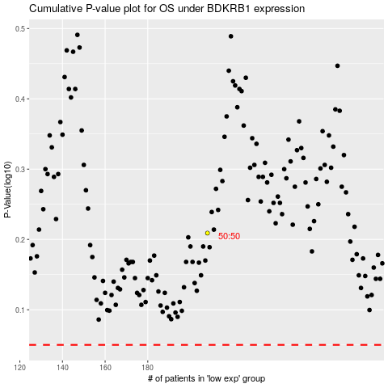

 |  |  |  |  |  | cases_OS | p_OS | rank | exp
 |  |  |  |  |  |  | cases_RFS | p_RFS | rank | exp

