BDNFOS _multivariate
Reported by Tex Li-Hsing Chi. tex@gate.sinica.edu.tw 2019-08-21

Table 2. The clinicopathological features of HNSCC cohort and BDNFOS expression. (Chi square test)
Cutoff at -0.407 (49.8%)
 |  | BDNFOS expression |  | BDNFOS expression |  | (Optimised)
 | Features | Low | (%) | High | (%) | Case no | P-value | Remark | Matthews
Gender | Female | 147 | 35.4 | 159 | 38.3 | 415 | 0.2523 | 0 | 0
2 | Male | 60 | 14.5 | 49 | 11.8
Age at diagnosis | <=65y | 130 | 31.3 | 144 | 34.7 | 415 | 0.2009 | 0 | 0
4 | >65y | 77 | 18.6 | 64 | 15.4
Clinical T Status | T1+T2 | 74 | 17.8 | 75 | 18.1 | 415 | 1 | 0 | 0
6 | T3+T4 | 133 | 32 | 133 | 32
Clinical N Status | N0 | 102 | 24.6 | 114 | 27.5 | 415 | 0.3031 | 0 | 0
8 | N1-3 | 105 | 25.3 | 94 | 22.7
Clinical M Status | M0 | 204 | 49.2 | 208 | 50.1 | 415 | 0.1232 | 0 | 0
10 | M1 | 3 | 0.7 | 0 | 0
Clinical Stage | Stage I+II | 53 | 12.8 | 49 | 11.8 | 415 | 0.7113 | 0 | 0
12 | Stage III+IV | 154 | 37.1 | 159 | 38.3
Surgical Margin status | Negative | 160 | 38.6 | 158 | 38.1 | 415 | 0.8167 | 0 | 0
14 | Positive | 47 | 11.3 | 50 | 12
Tobacco Exposure | Low | 87 | 21 | 74 | 17.8 | 415 | 0.1911 | 0 | 0
16 | High | 120 | 28.9 | 134 | 32.3

Table 3. Univariate/Multivariate Cox's proportional hazards regression analyses on OS time of BDNFOS gene expression in HNSCC

 |  | Univariate |  |  |  | Multivariate
 | Features | HR | CI95%(L) | CI95%(H) | P-value | HR | CI95%(L) | CI95%(H) | P-value
1 | Female | 1 |  |  |  | 1
Gender | Male | 1.157 | 0.843 | 1.587 | 0.367 | 1.195 | 0.854 | 1.67 | 0.298
11 | <=65y | 1 |  |  |  | 1
Age at diagnosis | >65y | 1.329 | 0.99 | 1.784 | 0.058 | 1.383 | 1.016 | 1.881 | 0.039
12 | T1+T2 | 1 |  |  |  | 1
Clinical T Status | T3+T4 | 1.409 | 1.028 | 1.931 | 0.033 | 2.173 | 1.148 | 4.112 | 0.017
13 | N0 | 1 |  |  |  | 1
Clinical N Status | N1-3 | 1.185 | 0.89 | 1.577 | 0.246 | 1.239 | 0.868 | 1.768 | 0.238
14 | M0 | 1 |  |  |  | 1
Clinical M Status | M1 | 4.097 | 1.009 | 16.644 | 0.049 | 8.785 | 1.897 | 40.697 | 0.005
15 | Stage I+II | 1 |  |  |  | 1
Clinical Stage | Stage III+IV | 1.245 | 0.882 | 1.759 | 0.213 | 0.515 | 0.239 | 1.108 | 0.09
16 | Negative | 1 |  |  |  | 1
Surgical Margin status | Positive | 1.591 | 1.155 | 2.191 | 0.004 | 1.679 | 1.215 | 2.32 | 0.002
17 | Low | 1 |  |  |  | 1
Tobacco Exposure | High | 1.364 | 1.008 | 1.844 | 0.044 | 1.467 | 1.063 | 2.024 | 0.02
18 | Low | 1 |  |  |  | 1
RNAseq(z-score) | High | 0.882 | 0.661 | 1.177 | 0.393 | 0.896 | 0.667 | 1.204 | 0.467

Table 4. Univariate/Multivariate Cox's proportional hazards regression analyses on RFS time of BDNFOS gene expression in HNSCC

 |  | Univariate |  |  |  | Multivariate
 | Features | HR | CI95%(L) | CI95%(H) | P-value | HR | CI95%(L) | CI95%(H) | P-value
1 | Female | 1 |  |  |  | 1
Gender | Male | 1.157 | 0.843 | 1.587 | 0.367 | 1.195 | 0.854 | 1.67 | 0.298
11 | <=65y | 1 |  |  |  | 1
Age at diagnosis | >65y | 1.329 | 0.99 | 1.784 | 0.058 | 1.383 | 1.016 | 1.881 | 0.039
12 | T1+T2 | 1 |  |  |  | 1
Clinical T Status | T3+T4 | 1.409 | 1.028 | 1.931 | 0.033 | 2.173 | 1.148 | 4.112 | 0.017
13 | N0 | 1 |  |  |  | 1
Clinical N Status | N1-3 | 1.185 | 0.89 | 1.577 | 0.246 | 1.239 | 0.868 | 1.768 | 0.238
14 | M0 | 1 |  |  |  | 1
Clinical M Status | M1 | 4.097 | 1.009 | 16.644 | 0.049 | 8.785 | 1.897 | 40.697 | 0.005
15 | Stage I+II | 1 |  |  |  | 1
Clinical Stage | Stage III+IV | 1.245 | 0.882 | 1.759 | 0.213 | 0.515 | 0.239 | 1.108 | 0.09
16 | Negative | 1 |  |  |  | 1
Surgical Margin status | Positive | 1.591 | 1.155 | 2.191 | 0.004 | 1.679 | 1.215 | 2.32 | 0.002
17 | Low | 1 |  |  |  | 1
Tobacco Exposure | High | 1.364 | 1.008 | 1.844 | 0.044 | 1.467 | 1.063 | 2.024 | 0.02
18 | Low | 1 |  |  |  | 1
RNAseq(z-score) | High | 0.882 | 0.661 | 1.177 | 0.393 | 0.896 | 0.667 | 1.204 | 0.467

Kaplan-Meier survival estimate: Cutoff at -0.407 (49.8%)



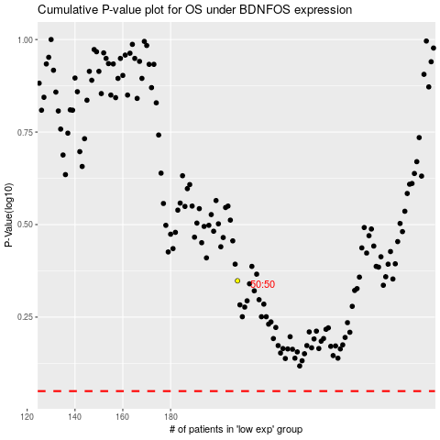

 |  |  |  |  |  | cases_OS | p_OS | rank | exp
 |  |  |  |  |  |  | cases_RFS | p_RFS | rank | exp

