BEND3 _multivariate
Reported by Tex Li-Hsing Chi. tex@gate.sinica.edu.tw 2019-08-21

Table 2. The clinicopathological features of HNSCC cohort and BEND3 expression. (Chi square test)
Cutoff at -0.133 (49.8%)
 |  | BEND3 expression |  | BEND3 expression |  | (Optimised)
 | Features | Low | (%) | High | (%) | Case no | P-value | Remark | Matthews
Gender | Female | 145 | 34.9 | 161 | 38.8 | 415 | 0.1116 | 0 | 0
2 | Male | 62 | 14.9 | 47 | 11.3
Age at diagnosis | <=65y | 133 | 32 | 141 | 34 | 415 | 0.5111 | 0 | 0
4 | >65y | 74 | 17.8 | 67 | 16.1
Clinical T Status | T1+T2 | 80 | 19.3 | 69 | 16.6 | 415 | 0.2891 | 0 | 0
6 | T3+T4 | 127 | 30.6 | 139 | 33.5
Clinical N Status | N0 | 113 | 27.2 | 103 | 24.8 | 415 | 0.3495 | 1 | 0
8 | N1-3 | 94 | 22.7 | 105 | 25.3
Clinical M Status | M0 | 204 | 49.2 | 208 | 50.1 | 415 | 0.1232 | 0 | 0
10 | M1 | 3 | 0.7 | 0 | 0
Clinical Stage | Stage I+II | 53 | 12.8 | 49 | 11.8 | 415 | 0.7113 | 0 | 0
12 | Stage III+IV | 154 | 37.1 | 159 | 38.3
Surgical Margin status | Negative | 151 | 36.4 | 167 | 40.2 | 415 | 0.0828 | 0 | 0
14 | Positive | 56 | 13.5 | 41 | 9.9
Tobacco Exposure | Low | 87 | 21 | 74 | 17.8 | 415 | 0.1911 | 0 | 0
16 | High | 120 | 28.9 | 134 | 32.3

Table 3. Univariate/Multivariate Cox's proportional hazards regression analyses on OS time of BEND3 gene expression in HNSCC

 |  | Univariate |  |  |  | Multivariate
 | Features | HR | CI95%(L) | CI95%(H) | P-value | HR | CI95%(L) | CI95%(H) | P-value
1 | Female | 1 |  |  |  | 1
Gender | Male | 1.157 | 0.843 | 1.587 | 0.367 | 1.22 | 0.87 | 1.711 | 0.249
11 | <=65y | 1 |  |  |  | 1
Age at diagnosis | >65y | 1.329 | 0.99 | 1.784 | 0.058 | 1.389 | 1.021 | 1.888 | 0.036
12 | T1+T2 | 1 |  |  |  | 1
Clinical T Status | T3+T4 | 1.409 | 1.028 | 1.931 | 0.033 | 2.206 | 1.167 | 4.171 | 0.015
13 | N0 | 1 |  |  |  | 1
Clinical N Status | N1-3 | 1.185 | 0.89 | 1.577 | 0.246 | 1.236 | 0.866 | 1.765 | 0.243
14 | M0 | 1 |  |  |  | 1
Clinical M Status | M1 | 4.097 | 1.009 | 16.644 | 0.049 | 9.926 | 2.141 | 46.009 | 0.003
15 | Stage I+II | 1 |  |  |  | 1
Clinical Stage | Stage III+IV | 1.245 | 0.882 | 1.759 | 0.213 | 0.503 | 0.235 | 1.081 | 0.078
16 | Negative | 1 |  |  |  | 1
Surgical Margin status | Positive | 1.591 | 1.155 | 2.191 | 0.004 | 1.696 | 1.223 | 2.352 | 0.002
17 | Low | 1 |  |  |  | 1
Tobacco Exposure | High | 1.364 | 1.008 | 1.844 | 0.044 | 1.456 | 1.056 | 2.006 | 0.022
18 | Low | 1 |  |  |  | 1
RNAseq(z-score) | High | 1.016 | 0.761 | 1.355 | 0.915 | 1.093 | 0.812 | 1.47 | 0.557

Table 4. Univariate/Multivariate Cox's proportional hazards regression analyses on RFS time of BEND3 gene expression in HNSCC

 |  | Univariate |  |  |  | Multivariate
 | Features | HR | CI95%(L) | CI95%(H) | P-value | HR | CI95%(L) | CI95%(H) | P-value
1 | Female | 1 |  |  |  | 1
Gender | Male | 1.157 | 0.843 | 1.587 | 0.367 | 1.22 | 0.87 | 1.711 | 0.249
11 | <=65y | 1 |  |  |  | 1
Age at diagnosis | >65y | 1.329 | 0.99 | 1.784 | 0.058 | 1.389 | 1.021 | 1.888 | 0.036
12 | T1+T2 | 1 |  |  |  | 1
Clinical T Status | T3+T4 | 1.409 | 1.028 | 1.931 | 0.033 | 2.206 | 1.167 | 4.171 | 0.015
13 | N0 | 1 |  |  |  | 1
Clinical N Status | N1-3 | 1.185 | 0.89 | 1.577 | 0.246 | 1.236 | 0.866 | 1.765 | 0.243
14 | M0 | 1 |  |  |  | 1
Clinical M Status | M1 | 4.097 | 1.009 | 16.644 | 0.049 | 9.926 | 2.141 | 46.009 | 0.003
15 | Stage I+II | 1 |  |  |  | 1
Clinical Stage | Stage III+IV | 1.245 | 0.882 | 1.759 | 0.213 | 0.503 | 0.235 | 1.081 | 0.078
16 | Negative | 1 |  |  |  | 1
Surgical Margin status | Positive | 1.591 | 1.155 | 2.191 | 0.004 | 1.696 | 1.223 | 2.352 | 0.002
17 | Low | 1 |  |  |  | 1
Tobacco Exposure | High | 1.364 | 1.008 | 1.844 | 0.044 | 1.456 | 1.056 | 2.006 | 0.022
18 | Low | 1 |  |  |  | 1
RNAseq(z-score) | High | 1.016 | 0.761 | 1.355 | 0.915 | 1.093 | 0.812 | 1.47 | 0.557

Kaplan-Meier survival estimate: Cutoff at -0.133 (49.8%)



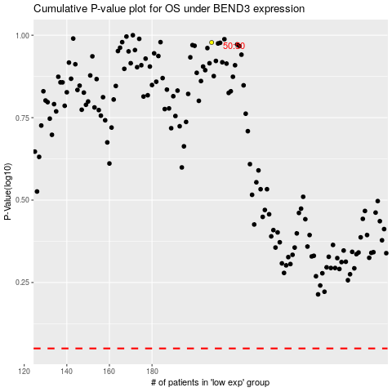

 |  |  |  |  |  | cases_OS | p_OS | rank | exp
 |  |  |  |  |  |  | cases_RFS | p_RFS | rank | exp

