BEND7 _multivariate
Reported by Tex Li-Hsing Chi. tex@gate.sinica.edu.tw 2019-08-21

Table 2. The clinicopathological features of HNSCC cohort and BEND7 expression. (Chi square test)
Cutoff at -0.383 (50.0%)
 |  | BEND7 expression |  | BEND7 expression |  | (Optimised)
 | Features | Low | (%) | High | (%) | Case no | P-value | Remark | Matthews
Gender | Female | 155 | 37.3 | 151 | 36.4 | 415 | 0.6768 | 0 | 0
2 | Male | 52 | 12.5 | 57 | 13.7
Age at diagnosis | <=65y | 140 | 33.7 | 134 | 32.3 | 415 | 0.5574 | 0 | 0
4 | >65y | 67 | 16.1 | 74 | 17.8
Clinical T Status | T1+T2 | 68 | 16.4 | 81 | 19.5 | 415 | 0.2336 | 0 | 0
6 | T3+T4 | 139 | 33.5 | 127 | 30.6
Clinical N Status | N0 | 106 | 25.5 | 110 | 26.5 | 415 | 0.8075 | 0 | 0
8 | N1-3 | 101 | 24.3 | 98 | 23.6
Clinical M Status | M0 | 206 | 49.6 | 206 | 49.6 | 415 | 1 | 0 | 0
10 | M1 | 1 | 0.2 | 2 | 0.5
Clinical Stage | Stage I+II | 44 | 10.6 | 58 | 14 | 415 | 0.1459 | 0 | 0
12 | Stage III+IV | 163 | 39.3 | 150 | 36.1
Surgical Margin status | Negative | 159 | 38.3 | 159 | 38.3 | 415 | 1 | 0 | 0
14 | Positive | 48 | 11.6 | 49 | 11.8
Tobacco Exposure | Low | 84 | 20.2 | 77 | 18.6 | 415 | 0.4816 | 0 | 0
16 | High | 123 | 29.6 | 131 | 31.6

Table 3. Univariate/Multivariate Cox's proportional hazards regression analyses on OS time of BEND7 gene expression in HNSCC

 |  | Univariate |  |  |  | Multivariate
 | Features | HR | CI95%(L) | CI95%(H) | P-value | HR | CI95%(L) | CI95%(H) | P-value
1 | Female | 1 |  |  |  | 1
Gender | Male | 1.157 | 0.843 | 1.587 | 0.367 | 1.212 | 0.867 | 1.693 | 0.261
11 | <=65y | 1 |  |  |  | 1
Age at diagnosis | >65y | 1.329 | 0.99 | 1.784 | 0.058 | 1.371 | 1.006 | 1.868 | 0.046
12 | T1+T2 | 1 |  |  |  | 1
Clinical T Status | T3+T4 | 1.409 | 1.028 | 1.931 | 0.033 | 2.196 | 1.161 | 4.154 | 0.016
13 | N0 | 1 |  |  |  | 1
Clinical N Status | N1-3 | 1.185 | 0.89 | 1.577 | 0.246 | 1.234 | 0.865 | 1.761 | 0.247
14 | M0 | 1 |  |  |  | 1
Clinical M Status | M1 | 4.097 | 1.009 | 16.644 | 0.049 | 9.284 | 2.025 | 42.572 | 0.004
15 | Stage I+II | 1 |  |  |  | 1
Clinical Stage | Stage III+IV | 1.245 | 0.882 | 1.759 | 0.213 | 0.512 | 0.238 | 1.101 | 0.086
16 | Negative | 1 |  |  |  | 1
Surgical Margin status | Positive | 1.591 | 1.155 | 2.191 | 0.004 | 1.685 | 1.218 | 2.33 | 0.002
17 | Low | 1 |  |  |  | 1
Tobacco Exposure | High | 1.364 | 1.008 | 1.844 | 0.044 | 1.44 | 1.045 | 1.986 | 0.026
18 | Low | 1 |  |  |  | 1
RNAseq(z-score) | High | 1.135 | 0.852 | 1.512 | 0.386 | 1.125 | 0.841 | 1.504 | 0.427

Table 4. Univariate/Multivariate Cox's proportional hazards regression analyses on RFS time of BEND7 gene expression in HNSCC

 |  | Univariate |  |  |  | Multivariate
 | Features | HR | CI95%(L) | CI95%(H) | P-value | HR | CI95%(L) | CI95%(H) | P-value
1 | Female | 1 |  |  |  | 1
Gender | Male | 1.157 | 0.843 | 1.587 | 0.367 | 1.212 | 0.867 | 1.693 | 0.261
11 | <=65y | 1 |  |  |  | 1
Age at diagnosis | >65y | 1.329 | 0.99 | 1.784 | 0.058 | 1.371 | 1.006 | 1.868 | 0.046
12 | T1+T2 | 1 |  |  |  | 1
Clinical T Status | T3+T4 | 1.409 | 1.028 | 1.931 | 0.033 | 2.196 | 1.161 | 4.154 | 0.016
13 | N0 | 1 |  |  |  | 1
Clinical N Status | N1-3 | 1.185 | 0.89 | 1.577 | 0.246 | 1.234 | 0.865 | 1.761 | 0.247
14 | M0 | 1 |  |  |  | 1
Clinical M Status | M1 | 4.097 | 1.009 | 16.644 | 0.049 | 9.284 | 2.025 | 42.572 | 0.004
15 | Stage I+II | 1 |  |  |  | 1
Clinical Stage | Stage III+IV | 1.245 | 0.882 | 1.759 | 0.213 | 0.512 | 0.238 | 1.101 | 0.086
16 | Negative | 1 |  |  |  | 1
Surgical Margin status | Positive | 1.591 | 1.155 | 2.191 | 0.004 | 1.685 | 1.218 | 2.33 | 0.002
17 | Low | 1 |  |  |  | 1
Tobacco Exposure | High | 1.364 | 1.008 | 1.844 | 0.044 | 1.44 | 1.045 | 1.986 | 0.026
18 | Low | 1 |  |  |  | 1
RNAseq(z-score) | High | 1.135 | 0.852 | 1.512 | 0.386 | 1.125 | 0.841 | 1.504 | 0.427

Kaplan-Meier survival estimate: Cutoff at -0.383 (50.0%)



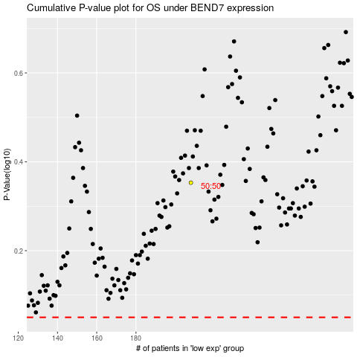

 |  |  |  |  |  | cases_OS | p_OS | rank | exp
 |  |  |  |  |  |  | cases_RFS | p_RFS | rank | exp

