BEST4 _multivariate
Reported by Tex Li-Hsing Chi. tex@gate.sinica.edu.tw 2019-08-21

Table 2. The clinicopathological features of HNSCC cohort and BEST4 expression. (Chi square test)
Cutoff at -0.302 (50.0%)
 |  | BEST4 expression |  | BEST4 expression |  | (Optimised)
 | Features | Low | (%) | High | (%) | Case no | P-value | Remark | Matthews
Gender | Female | 148 | 35.7 | 158 | 38.1 | 415 | 0.3567 | 0 | 0
2 | Male | 59 | 14.2 | 50 | 12
Age at diagnosis | <=65y | 136 | 32.8 | 138 | 33.3 | 415 | 0.9719 | 0 | 0
4 | >65y | 71 | 17.1 | 70 | 16.9
Clinical T Status | T1+T2 | 84 | 20.2 | 65 | 15.7 | 415 | 0.0603 | 0 | 0
6 | T3+T4 | 123 | 29.6 | 143 | 34.5
Clinical N Status | N0 | 107 | 25.8 | 109 | 26.3 | 415 | 0.9624 | 0 | 0
8 | N1-3 | 100 | 24.1 | 99 | 23.9
Clinical M Status | M0 | 204 | 49.2 | 208 | 50.1 | 415 | 0.1232 | 0 | 0
10 | M1 | 3 | 0.7 | 0 | 0
Clinical Stage | Stage I+II | 56 | 13.5 | 46 | 11.1 | 415 | 0.2918 | 0 | 0
12 | Stage III+IV | 151 | 36.4 | 162 | 39
Surgical Margin status | Negative | 164 | 39.5 | 154 | 37.1 | 415 | 0.2462 | 0 | 0
14 | Positive | 43 | 10.4 | 54 | 13
Tobacco Exposure | Low | 89 | 21.4 | 72 | 17.3 | 415 | 0.0872 | 0 | 0
16 | High | 118 | 28.4 | 136 | 32.8

Table 3. Univariate/Multivariate Cox's proportional hazards regression analyses on OS time of BEST4 gene expression in HNSCC

 |  | Univariate |  |  |  | Multivariate
 | Features | HR | CI95%(L) | CI95%(H) | P-value | HR | CI95%(L) | CI95%(H) | P-value
1 | Female | 1 |  |  |  | 1
Gender | Male | 1.157 | 0.843 | 1.587 | 0.367 | 1.205 | 0.863 | 1.684 | 0.274
11 | <=65y | 1 |  |  |  | 1
Age at diagnosis | >65y | 1.329 | 0.99 | 1.784 | 0.058 | 1.384 | 1.017 | 1.882 | 0.039
12 | T1+T2 | 1 |  |  |  | 1
Clinical T Status | T3+T4 | 1.409 | 1.028 | 1.931 | 0.033 | 2.204 | 1.166 | 4.169 | 0.015
13 | N0 | 1 |  |  |  | 1
Clinical N Status | N1-3 | 1.185 | 0.89 | 1.577 | 0.246 | 1.238 | 0.868 | 1.766 | 0.238
14 | M0 | 1 |  |  |  | 1
Clinical M Status | M1 | 4.097 | 1.009 | 16.644 | 0.049 | 8.875 | 1.924 | 40.937 | 0.005
15 | Stage I+II | 1 |  |  |  | 1
Clinical Stage | Stage III+IV | 1.245 | 0.882 | 1.759 | 0.213 | 0.508 | 0.236 | 1.09 | 0.082
16 | Negative | 1 |  |  |  | 1
Surgical Margin status | Positive | 1.591 | 1.155 | 2.191 | 0.004 | 1.688 | 1.221 | 2.335 | 0.002
17 | Low | 1 |  |  |  | 1
Tobacco Exposure | High | 1.364 | 1.008 | 1.844 | 0.044 | 1.491 | 1.075 | 2.069 | 0.017
18 | Low | 1 |  |  |  | 1
RNAseq(z-score) | High | 0.954 | 0.716 | 1.27 | 0.745 | 0.887 | 0.659 | 1.192 | 0.426

Table 4. Univariate/Multivariate Cox's proportional hazards regression analyses on RFS time of BEST4 gene expression in HNSCC

 |  | Univariate |  |  |  | Multivariate
 | Features | HR | CI95%(L) | CI95%(H) | P-value | HR | CI95%(L) | CI95%(H) | P-value
1 | Female | 1 |  |  |  | 1
Gender | Male | 1.157 | 0.843 | 1.587 | 0.367 | 1.205 | 0.863 | 1.684 | 0.274
11 | <=65y | 1 |  |  |  | 1
Age at diagnosis | >65y | 1.329 | 0.99 | 1.784 | 0.058 | 1.384 | 1.017 | 1.882 | 0.039
12 | T1+T2 | 1 |  |  |  | 1
Clinical T Status | T3+T4 | 1.409 | 1.028 | 1.931 | 0.033 | 2.204 | 1.166 | 4.169 | 0.015
13 | N0 | 1 |  |  |  | 1
Clinical N Status | N1-3 | 1.185 | 0.89 | 1.577 | 0.246 | 1.238 | 0.868 | 1.766 | 0.238
14 | M0 | 1 |  |  |  | 1
Clinical M Status | M1 | 4.097 | 1.009 | 16.644 | 0.049 | 8.875 | 1.924 | 40.937 | 0.005
15 | Stage I+II | 1 |  |  |  | 1
Clinical Stage | Stage III+IV | 1.245 | 0.882 | 1.759 | 0.213 | 0.508 | 0.236 | 1.09 | 0.082
16 | Negative | 1 |  |  |  | 1
Surgical Margin status | Positive | 1.591 | 1.155 | 2.191 | 0.004 | 1.688 | 1.221 | 2.335 | 0.002
17 | Low | 1 |  |  |  | 1
Tobacco Exposure | High | 1.364 | 1.008 | 1.844 | 0.044 | 1.491 | 1.075 | 2.069 | 0.017
18 | Low | 1 |  |  |  | 1
RNAseq(z-score) | High | 0.954 | 0.716 | 1.27 | 0.745 | 0.887 | 0.659 | 1.192 | 0.426

Kaplan-Meier survival estimate: Cutoff at -0.302 (50.0%)



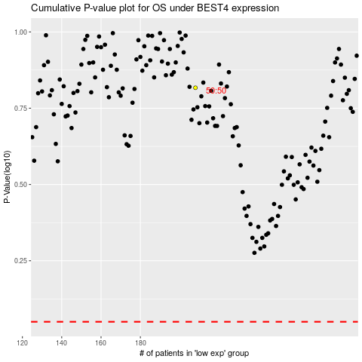

 |  |  |  |  |  | cases_OS | p_OS | rank | exp
 |  |  |  |  |  |  | cases_RFS | p_RFS | rank | exp

