BET1L _multivariate
Reported by Tex Li-Hsing Chi. tex@gate.sinica.edu.tw 2019-08-21

Table 2. The clinicopathological features of HNSCC cohort and BET1L expression. (Chi square test)
Cutoff at -0.042 (49.8%)
 |  | BET1L expression |  | BET1L expression |  | (Optimised)
 | Features | Low | (%) | High | (%) | Case no | P-value | Remark | Matthews
Gender | Female | 155 | 37.3 | 151 | 36.4 | 415 | 0.6768 | 0 | 0
2 | Male | 52 | 12.5 | 57 | 13.7
Age at diagnosis | <=65y | 142 | 34.2 | 132 | 31.8 | 415 | 0.3167 | 0 | 0
4 | >65y | 65 | 15.7 | 76 | 18.3
Clinical T Status | T1+T2 | 78 | 18.8 | 71 | 17.1 | 415 | 0.5152 | 0 | 0
6 | T3+T4 | 129 | 31.1 | 137 | 33
Clinical N Status | N0 | 105 | 25.3 | 111 | 26.7 | 415 | 0.6598 | 0 | 0
8 | N1-3 | 102 | 24.6 | 97 | 23.4
Clinical M Status | M0 | 205 | 49.4 | 207 | 49.9 | 415 | 0.6232 | 0 | 0
10 | M1 | 2 | 0.5 | 1 | 0.2
Clinical Stage | Stage I+II | 50 | 12 | 52 | 12.5 | 415 | 0.9315 | 0 | 0
12 | Stage III+IV | 157 | 37.8 | 156 | 37.6
Surgical Margin status | Negative | 153 | 36.9 | 165 | 39.8 | 415 | 0.2036 | 0 | 0
14 | Positive | 54 | 13 | 43 | 10.4
Tobacco Exposure | Low | 71 | 17.1 | 90 | 21.7 | 415 | 0.0698 | 0 | 0
16 | High | 136 | 32.8 | 118 | 28.4

Table 3. Univariate/Multivariate Cox's proportional hazards regression analyses on OS time of BET1L gene expression in HNSCC

 |  | Univariate |  |  |  | Multivariate
 | Features | HR | CI95%(L) | CI95%(H) | P-value | HR | CI95%(L) | CI95%(H) | P-value
1 | Female | 1 |  |  |  | 1
Gender | Male | 1.157 | 0.843 | 1.587 | 0.367 | 1.205 | 0.863 | 1.683 | 0.273
11 | <=65y | 1 |  |  |  | 1
Age at diagnosis | >65y | 1.329 | 0.99 | 1.784 | 0.058 | 1.401 | 1.03 | 1.904 | 0.032
12 | T1+T2 | 1 |  |  |  | 1
Clinical T Status | T3+T4 | 1.409 | 1.028 | 1.931 | 0.033 | 2.266 | 1.196 | 4.294 | 0.012
13 | N0 | 1 |  |  |  | 1
Clinical N Status | N1-3 | 1.185 | 0.89 | 1.577 | 0.246 | 1.239 | 0.868 | 1.768 | 0.237
14 | M0 | 1 |  |  |  | 1
Clinical M Status | M1 | 4.097 | 1.009 | 16.644 | 0.049 | 9.538 | 2.08 | 43.737 | 0.004
15 | Stage I+II | 1 |  |  |  | 1
Clinical Stage | Stage III+IV | 1.245 | 0.882 | 1.759 | 0.213 | 0.494 | 0.23 | 1.062 | 0.071
16 | Negative | 1 |  |  |  | 1
Surgical Margin status | Positive | 1.591 | 1.155 | 2.191 | 0.004 | 1.682 | 1.217 | 2.326 | 0.002
17 | Low | 1 |  |  |  | 1
Tobacco Exposure | High | 1.364 | 1.008 | 1.844 | 0.044 | 1.426 | 1.034 | 1.968 | 0.031
18 | Low | 1 |  |  |  | 1
RNAseq(z-score) | High | 0.875 | 0.656 | 1.165 | 0.36 | 0.848 | 0.634 | 1.134 | 0.267

Table 4. Univariate/Multivariate Cox's proportional hazards regression analyses on RFS time of BET1L gene expression in HNSCC

 |  | Univariate |  |  |  | Multivariate
 | Features | HR | CI95%(L) | CI95%(H) | P-value | HR | CI95%(L) | CI95%(H) | P-value
1 | Female | 1 |  |  |  | 1
Gender | Male | 1.157 | 0.843 | 1.587 | 0.367 | 1.205 | 0.863 | 1.683 | 0.273
11 | <=65y | 1 |  |  |  | 1
Age at diagnosis | >65y | 1.329 | 0.99 | 1.784 | 0.058 | 1.401 | 1.03 | 1.904 | 0.032
12 | T1+T2 | 1 |  |  |  | 1
Clinical T Status | T3+T4 | 1.409 | 1.028 | 1.931 | 0.033 | 2.266 | 1.196 | 4.294 | 0.012
13 | N0 | 1 |  |  |  | 1
Clinical N Status | N1-3 | 1.185 | 0.89 | 1.577 | 0.246 | 1.239 | 0.868 | 1.768 | 0.237
14 | M0 | 1 |  |  |  | 1
Clinical M Status | M1 | 4.097 | 1.009 | 16.644 | 0.049 | 9.538 | 2.08 | 43.737 | 0.004
15 | Stage I+II | 1 |  |  |  | 1
Clinical Stage | Stage III+IV | 1.245 | 0.882 | 1.759 | 0.213 | 0.494 | 0.23 | 1.062 | 0.071
16 | Negative | 1 |  |  |  | 1
Surgical Margin status | Positive | 1.591 | 1.155 | 2.191 | 0.004 | 1.682 | 1.217 | 2.326 | 0.002
17 | Low | 1 |  |  |  | 1
Tobacco Exposure | High | 1.364 | 1.008 | 1.844 | 0.044 | 1.426 | 1.034 | 1.968 | 0.031
18 | Low | 1 |  |  |  | 1
RNAseq(z-score) | High | 0.875 | 0.656 | 1.165 | 0.36 | 0.848 | 0.634 | 1.134 | 0.267

Kaplan-Meier survival estimate: Cutoff at -0.042 (49.8%)



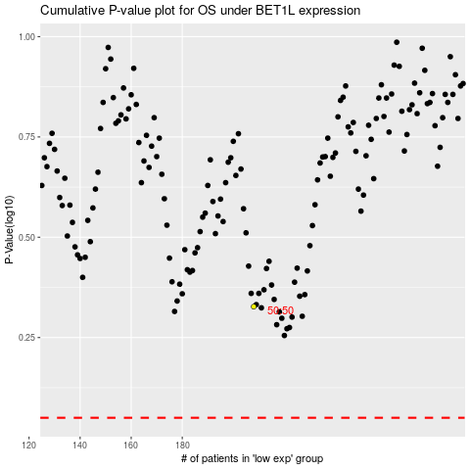

 |  |  |  |  |  | cases_OS | p_OS | rank | exp
 |  |  |  |  |  |  | cases_RFS | p_RFS | rank | exp

