BEX2 _multivariate
Reported by Tex Li-Hsing Chi. tex@gate.sinica.edu.tw 2019-08-21

Table 2. The clinicopathological features of HNSCC cohort and BEX2 expression. (Chi square test)
Cutoff at -0.437 (49.8%)
 |  | BEX2 expression |  | BEX2 expression |  | (Optimised)
 | Features | Low | (%) | High | (%) | Case no | P-value | Remark | Matthews
Gender | Female | 140 | 33.7 | 166 | 40 | 415 | 0.0068 | 1 | 0
2 | Male | 67 | 16.1 | 42 | 10.1
Age at diagnosis | <=65y | 131 | 31.6 | 143 | 34.5 | 415 | 0.2839 | 0 | 0
4 | >65y | 76 | 18.3 | 65 | 15.7
Clinical T Status | T1+T2 | 76 | 18.3 | 73 | 17.6 | 415 | 0.8092 | 0 | 0
6 | T3+T4 | 131 | 31.6 | 135 | 32.5
Clinical N Status | N0 | 110 | 26.5 | 106 | 25.5 | 415 | 0.7294 | 0 | 0
8 | N1-3 | 97 | 23.4 | 102 | 24.6
Clinical M Status | M0 | 206 | 49.6 | 206 | 49.6 | 415 | 1 | 0 | 0
10 | M1 | 1 | 0.2 | 2 | 0.5
Clinical Stage | Stage I+II | 59 | 14.2 | 43 | 10.4 | 415 | 0.0822 | 0 | 0
12 | Stage III+IV | 148 | 35.7 | 165 | 39.8
Surgical Margin status | Negative | 162 | 39 | 156 | 37.6 | 415 | 0.4867 | 0 | 0
14 | Positive | 45 | 10.8 | 52 | 12.5
Tobacco Exposure | Low | 96 | 23.1 | 65 | 15.7 | 415 | 0.0018 | 1 | 0
16 | High | 111 | 26.7 | 143 | 34.5

Table 3. Univariate/Multivariate Cox's proportional hazards regression analyses on OS time of BEX2 gene expression in HNSCC

 |  | Univariate |  |  |  | Multivariate
 | Features | HR | CI95%(L) | CI95%(H) | P-value | HR | CI95%(L) | CI95%(H) | P-value
1 | Female | 1 |  |  |  | 1
Gender | Male | 1.157 | 0.843 | 1.587 | 0.367 | 1.202 | 0.86 | 1.681 | 0.282
11 | <=65y | 1 |  |  |  | 1
Age at diagnosis | >65y | 1.329 | 0.99 | 1.784 | 0.058 | 1.392 | 1.024 | 1.892 | 0.035
12 | T1+T2 | 1 |  |  |  | 1
Clinical T Status | T3+T4 | 1.409 | 1.028 | 1.931 | 0.033 | 2.204 | 1.161 | 4.184 | 0.016
13 | N0 | 1 |  |  |  | 1
Clinical N Status | N1-3 | 1.185 | 0.89 | 1.577 | 0.246 | 1.241 | 0.869 | 1.771 | 0.234
14 | M0 | 1 |  |  |  | 1
Clinical M Status | M1 | 4.097 | 1.009 | 16.644 | 0.049 | 9.409 | 2.052 | 43.141 | 0.004
15 | Stage I+II | 1 |  |  |  | 1
Clinical Stage | Stage III+IV | 1.245 | 0.882 | 1.759 | 0.213 | 0.504 | 0.233 | 1.089 | 0.081
16 | Negative | 1 |  |  |  | 1
Surgical Margin status | Positive | 1.591 | 1.155 | 2.191 | 0.004 | 1.671 | 1.208 | 2.312 | 0.002
17 | Low | 1 |  |  |  | 1
Tobacco Exposure | High | 1.364 | 1.008 | 1.844 | 0.044 | 1.452 | 1.048 | 2.012 | 0.025
18 | Low | 1 |  |  |  | 1
RNAseq(z-score) | High | 1.033 | 0.776 | 1.375 | 0.824 | 1.002 | 0.744 | 1.351 | 0.987

Table 4. Univariate/Multivariate Cox's proportional hazards regression analyses on RFS time of BEX2 gene expression in HNSCC

 |  | Univariate |  |  |  | Multivariate
 | Features | HR | CI95%(L) | CI95%(H) | P-value | HR | CI95%(L) | CI95%(H) | P-value
1 | Female | 1 |  |  |  | 1
Gender | Male | 1.157 | 0.843 | 1.587 | 0.367 | 1.202 | 0.86 | 1.681 | 0.282
11 | <=65y | 1 |  |  |  | 1
Age at diagnosis | >65y | 1.329 | 0.99 | 1.784 | 0.058 | 1.392 | 1.024 | 1.892 | 0.035
12 | T1+T2 | 1 |  |  |  | 1
Clinical T Status | T3+T4 | 1.409 | 1.028 | 1.931 | 0.033 | 2.204 | 1.161 | 4.184 | 0.016
13 | N0 | 1 |  |  |  | 1
Clinical N Status | N1-3 | 1.185 | 0.89 | 1.577 | 0.246 | 1.241 | 0.869 | 1.771 | 0.234
14 | M0 | 1 |  |  |  | 1
Clinical M Status | M1 | 4.097 | 1.009 | 16.644 | 0.049 | 9.409 | 2.052 | 43.141 | 0.004
15 | Stage I+II | 1 |  |  |  | 1
Clinical Stage | Stage III+IV | 1.245 | 0.882 | 1.759 | 0.213 | 0.504 | 0.233 | 1.089 | 0.081
16 | Negative | 1 |  |  |  | 1
Surgical Margin status | Positive | 1.591 | 1.155 | 2.191 | 0.004 | 1.671 | 1.208 | 2.312 | 0.002
17 | Low | 1 |  |  |  | 1
Tobacco Exposure | High | 1.364 | 1.008 | 1.844 | 0.044 | 1.452 | 1.048 | 2.012 | 0.025
18 | Low | 1 |  |  |  | 1
RNAseq(z-score) | High | 1.033 | 0.776 | 1.375 | 0.824 | 1.002 | 0.744 | 1.351 | 0.987

Kaplan-Meier survival estimate: Cutoff at -0.437 (49.8%)



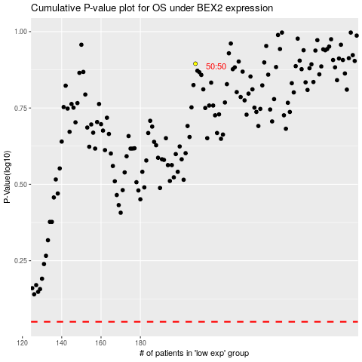

 |  |  |  |  |  | cases_OS | p_OS | rank | exp
 |  |  |  |  |  |  | cases_RFS | p_RFS | rank | exp

