BFAR _multivariate
Reported by Tex Li-Hsing Chi. tex@gate.sinica.edu.tw 2019-08-21

Table 2. The clinicopathological features of HNSCC cohort and BFAR expression. (Chi square test)
Cutoff at -0.357 (30.4%)
 |  | BFAR expression |  | BFAR expression |  | (Optimised)
 | Features | Low | (%) | High | (%) | Case no | P-value | Remark | Matthews
Gender | Female | 85 | 20.5 | 221 | 53.3 | 415 | 0.0724 | 0 | 0
2 | Male | 41 | 9.9 | 68 | 16.4
Age at diagnosis | <=65y | 78 | 18.8 | 196 | 47.2 | 415 | 0.2904 | 0 | 0
4 | >65y | 48 | 11.6 | 93 | 22.4
Clinical T Status | T1+T2 | 52 | 12.5 | 97 | 23.4 | 415 | 0.1635 | 0 | 0
6 | T3+T4 | 74 | 17.8 | 192 | 46.3
Clinical N Status | N0 | 76 | 18.3 | 140 | 33.7 | 415 | 0.034 | 1 | 0
8 | N1-3 | 50 | 12 | 149 | 35.9
Clinical M Status | M0 | 126 | 30.4 | 286 | 68.9 | 415 | 0.5566 | 0 | 0
10 | M1 | 0 | 0 | 3 | 0.7
Clinical Stage | Stage I+II | 36 | 8.7 | 66 | 15.9 | 415 | 0.2612 | 0 | 0
12 | Stage III+IV | 90 | 21.7 | 223 | 53.7
Surgical Margin status | Negative | 93 | 22.4 | 225 | 54.2 | 415 | 0.3793 | 0 | 0
14 | Positive | 33 | 8 | 64 | 15.4
Tobacco Exposure | Low | 55 | 13.3 | 106 | 25.5 | 415 | 0.1899 | 0 | 0
16 | High | 71 | 17.1 | 183 | 44.1

Table 3. Univariate/Multivariate Cox's proportional hazards regression analyses on OS time of BFAR gene expression in HNSCC

 |  | Univariate |  |  |  | Multivariate
 | Features | HR | CI95%(L) | CI95%(H) | P-value | HR | CI95%(L) | CI95%(H) | P-value
1 | Female | 1 |  |  |  | 1
Gender | Male | 1.157 | 0.843 | 1.587 | 0.367 | 1.282 | 0.916 | 1.795 | 0.148
11 | <=65y | 1 |  |  |  | 1
Age at diagnosis | >65y | 1.329 | 0.99 | 1.784 | 0.058 | 1.448 | 1.064 | 1.973 | 0.019
12 | T1+T2 | 1 |  |  |  | 1
Clinical T Status | T3+T4 | 1.409 | 1.028 | 1.931 | 0.033 | 2.065 | 1.093 | 3.903 | 0.025
13 | N0 | 1 |  |  |  | 1
Clinical N Status | N1-3 | 1.185 | 0.89 | 1.577 | 0.246 | 1.192 | 0.834 | 1.705 | 0.335
14 | M0 | 1 |  |  |  | 1
Clinical M Status | M1 | 4.097 | 1.009 | 16.644 | 0.049 | 8.165 | 1.778 | 37.498 | 0.007
15 | Stage I+II | 1 |  |  |  | 1
Clinical Stage | Stage III+IV | 1.245 | 0.882 | 1.759 | 0.213 | 0.535 | 0.249 | 1.151 | 0.11
16 | Negative | 1 |  |  |  | 1
Surgical Margin status | Positive | 1.591 | 1.155 | 2.191 | 0.004 | 1.704 | 1.233 | 2.354 | 0.001
17 | Low | 1 |  |  |  | 1
Tobacco Exposure | High | 1.364 | 1.008 | 1.844 | 0.044 | 1.49 | 1.081 | 2.055 | 0.015
18 | Low | 1 |  |  |  | 1
RNAseq(z-score) | High | 1.57 | 1.125 | 2.191 | 0.008 | 1.639 | 1.163 | 2.31 | 0.005

Table 4. Univariate/Multivariate Cox's proportional hazards regression analyses on RFS time of BFAR gene expression in HNSCC

 |  | Univariate |  |  |  | Multivariate
 | Features | HR | CI95%(L) | CI95%(H) | P-value | HR | CI95%(L) | CI95%(H) | P-value
1 | Female | 1 |  |  |  | 1
Gender | Male | 1.157 | 0.843 | 1.587 | 0.367 | 1.282 | 0.916 | 1.795 | 0.148
11 | <=65y | 1 |  |  |  | 1
Age at diagnosis | >65y | 1.329 | 0.99 | 1.784 | 0.058 | 1.448 | 1.064 | 1.973 | 0.019
12 | T1+T2 | 1 |  |  |  | 1
Clinical T Status | T3+T4 | 1.409 | 1.028 | 1.931 | 0.033 | 2.065 | 1.093 | 3.903 | 0.025
13 | N0 | 1 |  |  |  | 1
Clinical N Status | N1-3 | 1.185 | 0.89 | 1.577 | 0.246 | 1.192 | 0.834 | 1.705 | 0.335
14 | M0 | 1 |  |  |  | 1
Clinical M Status | M1 | 4.097 | 1.009 | 16.644 | 0.049 | 8.165 | 1.778 | 37.498 | 0.007
15 | Stage I+II | 1 |  |  |  | 1
Clinical Stage | Stage III+IV | 1.245 | 0.882 | 1.759 | 0.213 | 0.535 | 0.249 | 1.151 | 0.11
16 | Negative | 1 |  |  |  | 1
Surgical Margin status | Positive | 1.591 | 1.155 | 2.191 | 0.004 | 1.704 | 1.233 | 2.354 | 0.001
17 | Low | 1 |  |  |  | 1
Tobacco Exposure | High | 1.364 | 1.008 | 1.844 | 0.044 | 1.49 | 1.081 | 2.055 | 0.015
18 | Low | 1 |  |  |  | 1
RNAseq(z-score) | High | 1.57 | 1.125 | 2.191 | 0.008 | 1.639 | 1.163 | 2.31 | 0.005

Kaplan-Meier survival estimate: Cutoff at -0.357 (30.4%)

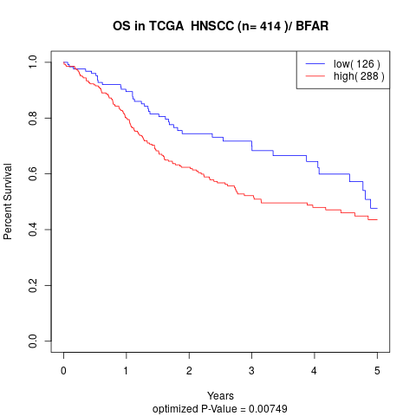

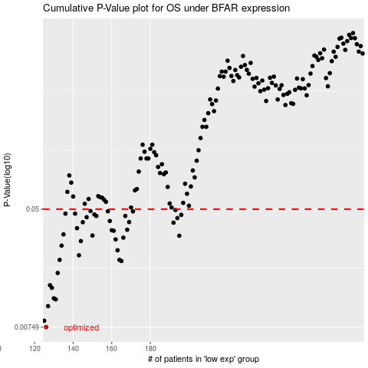

 |  |  |  |  |  | cases_OS | p_OS | rank | exp
 |  |  |  |  |  | 126 | 0.00749 | 361 | -0.35719761245
 |  |  |  |  |  | 125 | 0.0083 | 395 | -0.3592277661
 |  |  |  |  |  | 127 | 0.0105 | 302 | -0.35530060873
 |  |  |  |  |  | 131 | 0.0117 | 349 | -0.33281255675
 |  |  |  |  |  | 130 | 0.0119 | 291 | -0.33704197974
 |  |  |  |  |  | 129 | 0.0141 | 102 | -0.34157825973
 |  |  |  |  |  | 128 | 0.0147 | 94 | -0.35477923242
 |  |  |  |  |  | 132 | 0.0179 | 118 | -0.33060333942
 |  |  |  |  |  | 165 | 0.0217 | 370 | -0.16590887858
 |  |  |  |  |  | 133 | 0.0221 | 203 | -0.32308470531
 |  |  |  |  |  | 164 | 0.0221 | 345 | -0.17595098423
 |  |  |  |  |  | 143 | 0.0238 | 90 | -0.29849711889
 |  |  |  |  |  | 163 | 0.0258 | 320 | -0.17698455409
 |  |  |  |  |  | 134 | 0.0278 | 153 | -0.32290436625
 |  |  |  |  |  | 144 | 0.0299 | 62 | -0.2918781395
 |  |  |  |  |  | 162 | 0.0307 | 334 | -0.1773271218
 |  |  |  |  |  | 166 | 0.0316 | 155 | -0.15599686193
 |  |  |  |  |  | 195 | 0.0326 | 344 | -0.013659598833
 |  |  |  |  |  | 150 | 0.0327 | 21 | -0.25978977432
 |  |  |  |  |  | 135 | 0.0333 | 222 | -0.32038012947
 |  |  |  |  |  | 161 | 0.0353 | 378 | -0.18783117094
 |  |  |  |  |  | 160 | 0.0356 | 358 | -0.19097192755
 |  |  |  |  |  | 168 | 0.0359 | 401 | -0.12910899587
 |  |  |  |  |  | 142 | 0.0368 | 184 | -0.30368027281
 |  |  |  |  |  | 192 | 0.0402 | 74 | -0.034032811777
 |  |  |  |  |  | 145 | 0.0405 | 66 | -0.28285965573
 |  |  |  |  |  | 169 | 0.0406 | 220 | -0.11926431941
 |  |  |  |  |  | 159 | 0.0413 | 317 | -0.19429455368
 |  |  |  |  |  | 194 | 0.0433 | 140 | -0.026371334845
 |  |  |  |  |  | 147 | 0.0439 | 204 | -0.27272648778
 |  |  |  |  |  | 167 | 0.0448 | 149 | -0.14460412635
 |  |  |  |  |  | 152 | 0.0448 | 276 | -0.23078681416
 |  |  |  |  |  | 196 | 0.0456 | 249 | -0.011342994309
 |  |  |  |  |  | 151 | 0.0459 | 173 | -0.2500206005
 |  |  |  |  |  | 141 | 0.0465 | 166 | -0.30697662607
 |  |  |  |  |  | 136 | 0.0465 | 297 | -0.31989446387
 |  |  |  |  |  | 171 | 0.0482 | 250 | -0.11358708236
 |  |  |  |  |  | 158 | 0.0483 | 337 | -0.19801484403
 |  |  |  |  |  | 149 | 0.0485 | 232 | -0.26044710639
 |  |  |  |  |  | 193 | 0.0493 | 9 | -0.033118617699
 |  |  |  |  |  |  | cases_RFS | p_RFS | rank | exp
 |  |  |  |  |  |  | 125 | 0.00749 | 395 | -0.3592277661
 |  |  |  |  |  |  |  | 0.0083 | 88 | -0.36108727358
 |  |  |  |  |  |  | 126 | 0.0105 | 361 | -0.35719761245
 |  |  |  |  |  |  | 130 | 0.0117 | 291 | -0.33704197974
 |  |  |  |  |  |  | 129 | 0.0119 | 102 | -0.34157825973
 |  |  |  |  |  |  | 128 | 0.0141 | 94 | -0.35477923242
 |  |  |  |  |  |  | 127 | 0.0147 | 302 | -0.35530060873
 |  |  |  |  |  |  | 131 | 0.0179 | 349 | -0.33281255675
 |  |  |  |  |  |  | 164 | 0.0217 | 345 | -0.17595098423
 |  |  |  |  |  |  | 132 | 0.0221 | 118 | -0.33060333942
 |  |  |  |  |  |  | 163 | 0.0221 | 320 | -0.17698455409
 |  |  |  |  |  |  | 142 | 0.0238 | 184 | -0.30368027281
 |  |  |  |  |  |  | 162 | 0.0258 | 334 | -0.1773271218
 |  |  |  |  |  |  | 133 | 0.0278 | 203 | -0.32308470531
 |  |  |  |  |  |  | 143 | 0.0299 | 90 | -0.29849711889
 |  |  |  |  |  |  | 161 | 0.0307 | 378 | -0.18783117094
 |  |  |  |  |  |  | 165 | 0.0316 | 370 | -0.16590887858
 |  |  |  |  |  |  | 194 | 0.0326 | 140 | -0.026371334845
 |  |  |  |  |  |  | 149 | 0.0327 | 232 | -0.26044710639
 |  |  |  |  |  |  | 134 | 0.0333 | 153 | -0.32290436625
 |  |  |  |  |  |  | 160 | 0.0353 | 358 | -0.19097192755
 |  |  |  |  |  |  | 159 | 0.0356 | 317 | -0.19429455368
 |  |  |  |  |  |  | 167 | 0.0359 | 149 | -0.14460412635
 |  |  |  |  |  |  | 141 | 0.0368 | 166 | -0.30697662607
 |  |  |  |  |  |  | 191 | 0.0402 | 109 | -0.046807296602
 |  |  |  |  |  |  | 144 | 0.0405 | 62 | -0.2918781395
 |  |  |  |  |  |  | 168 | 0.0406 | 401 | -0.12910899587
 |  |  |  |  |  |  | 158 | 0.0413 | 337 | -0.19801484403
 |  |  |  |  |  |  | 193 | 0.0433 | 9 | -0.033118617699
 |  |  |  |  |  |  | 146 | 0.0439 | 75 | -0.27595346024
 |  |  |  |  |  |  | 166 | 0.0448 | 155 | -0.15599686193
 |  |  |  |  |  |  | 151 | 0.0448 | 173 | -0.2500206005
 |  |  |  |  |  |  | 195 | 0.0456 | 344 | -0.013659598833
 |  |  |  |  |  |  | 150 | 0.0459 | 21 | -0.25978977432
 |  |  |  |  |  |  | 140 | 0.0465 | 195 | -0.30713910978
 |  |  |  |  |  |  | 135 | 0.0465 | 222 | -0.32038012947
 |  |  |  |  |  |  | 170 | 0.0482 | 144 | -0.11828890698
 |  |  |  |  |  |  | 157 | 0.0483 | 39 | -0.20513300808
 |  |  |  |  |  |  | 148 | 0.0485 | 365 | -0.26307490421
 |  |  |  |  |  |  | 192 | 0.0493 | 74 | -0.034032811777

