BFSP1 _multivariate
Reported by Tex Li-Hsing Chi. tex@gate.sinica.edu.tw 2019-08-21

Table 2. The clinicopathological features of HNSCC cohort and BFSP1 expression. (Chi square test)
Cutoff at -0.303 (44.2%)
 |  | BFSP1 expression |  | BFSP1 expression |  | (Optimised)
 | Features | Low | (%) | High | (%) | Case no | P-value | Remark | Matthews
Gender | Female | 134 | 32.3 | 172 | 41.4 | 415 | 0.7924 | 0 | 0
2 | Male | 50 | 12 | 59 | 14.2
Age at diagnosis | <=65y | 120 | 28.9 | 154 | 37.1 | 415 | 0.8373 | 0 | 0
4 | >65y | 64 | 15.4 | 77 | 18.6
Clinical T Status | T1+T2 | 63 | 15.2 | 86 | 20.7 | 415 | 0.5976 | 0 | 0
6 | T3+T4 | 121 | 29.2 | 145 | 34.9
Clinical N Status | N0 | 89 | 21.4 | 127 | 30.6 | 415 | 0.215 | 0 | 0
8 | N1-3 | 95 | 22.9 | 104 | 25.1
Clinical M Status | M0 | 183 | 44.1 | 229 | 55.2 | 415 | 1 | 0 | 0
10 | M1 | 1 | 0.2 | 2 | 0.5
Clinical Stage | Stage I+II | 39 | 9.4 | 63 | 15.2 | 415 | 0.189 | 0 | 0
12 | Stage III+IV | 145 | 34.9 | 168 | 40.5
Surgical Margin status | Negative | 138 | 33.3 | 180 | 43.4 | 415 | 0.4865 | 0 | 0
14 | Positive | 46 | 11.1 | 51 | 12.3
Tobacco Exposure | Low | 73 | 17.6 | 88 | 21.2 | 415 | 0.7617 | 0 | 0
16 | High | 111 | 26.7 | 143 | 34.5

Table 3. Univariate/Multivariate Cox's proportional hazards regression analyses on OS time of BFSP1 gene expression in HNSCC

 |  | Univariate |  |  |  | Multivariate
 | Features | HR | CI95%(L) | CI95%(H) | P-value | HR | CI95%(L) | CI95%(H) | P-value
1 | Female | 1 |  |  |  | 1
Gender | Male | 1.157 | 0.843 | 1.587 | 0.367 | 1.229 | 0.88 | 1.717 | 0.226
11 | <=65y | 1 |  |  |  | 1
Age at diagnosis | >65y | 1.329 | 0.99 | 1.784 | 0.058 | 1.397 | 1.027 | 1.9 | 0.033
12 | T1+T2 | 1 |  |  |  | 1
Clinical T Status | T3+T4 | 1.409 | 1.028 | 1.931 | 0.033 | 2.172 | 1.148 | 4.11 | 0.017
13 | N0 | 1 |  |  |  | 1
Clinical N Status | N1-3 | 1.185 | 0.89 | 1.577 | 0.246 | 1.226 | 0.859 | 1.749 | 0.262
14 | M0 | 1 |  |  |  | 1
Clinical M Status | M1 | 4.097 | 1.009 | 16.644 | 0.049 | 10.119 | 2.204 | 46.467 | 0.003
15 | Stage I+II | 1 |  |  |  | 1
Clinical Stage | Stage III+IV | 1.245 | 0.882 | 1.759 | 0.213 | 0.51 | 0.238 | 1.095 | 0.084
16 | Negative | 1 |  |  |  | 1
Surgical Margin status | Positive | 1.591 | 1.155 | 2.191 | 0.004 | 1.655 | 1.197 | 2.287 | 0.002
17 | Low | 1 |  |  |  | 1
Tobacco Exposure | High | 1.364 | 1.008 | 1.844 | 0.044 | 1.452 | 1.053 | 2.003 | 0.023
18 | Low | 1 |  |  |  | 1
RNAseq(z-score) | High | 0.747 | 0.56 | 0.997 | 0.047 | 0.744 | 0.557 | 0.995 | 0.046

Table 4. Univariate/Multivariate Cox's proportional hazards regression analyses on RFS time of BFSP1 gene expression in HNSCC

 |  | Univariate |  |  |  | Multivariate
 | Features | HR | CI95%(L) | CI95%(H) | P-value | HR | CI95%(L) | CI95%(H) | P-value
1 | Female | 1 |  |  |  | 1
Gender | Male | 1.157 | 0.843 | 1.587 | 0.367 | 1.229 | 0.88 | 1.717 | 0.226
11 | <=65y | 1 |  |  |  | 1
Age at diagnosis | >65y | 1.329 | 0.99 | 1.784 | 0.058 | 1.397 | 1.027 | 1.9 | 0.033
12 | T1+T2 | 1 |  |  |  | 1
Clinical T Status | T3+T4 | 1.409 | 1.028 | 1.931 | 0.033 | 2.172 | 1.148 | 4.11 | 0.017
13 | N0 | 1 |  |  |  | 1
Clinical N Status | N1-3 | 1.185 | 0.89 | 1.577 | 0.246 | 1.226 | 0.859 | 1.749 | 0.262
14 | M0 | 1 |  |  |  | 1
Clinical M Status | M1 | 4.097 | 1.009 | 16.644 | 0.049 | 10.119 | 2.204 | 46.467 | 0.003
15 | Stage I+II | 1 |  |  |  | 1
Clinical Stage | Stage III+IV | 1.245 | 0.882 | 1.759 | 0.213 | 0.51 | 0.238 | 1.095 | 0.084
16 | Negative | 1 |  |  |  | 1
Surgical Margin status | Positive | 1.591 | 1.155 | 2.191 | 0.004 | 1.655 | 1.197 | 2.287 | 0.002
17 | Low | 1 |  |  |  | 1
Tobacco Exposure | High | 1.364 | 1.008 | 1.844 | 0.044 | 1.452 | 1.053 | 2.003 | 0.023
18 | Low | 1 |  |  |  | 1
RNAseq(z-score) | High | 0.747 | 0.56 | 0.997 | 0.047 | 0.744 | 0.557 | 0.995 | 0.046

Kaplan-Meier survival estimate: Cutoff at -0.303 (44.2%)



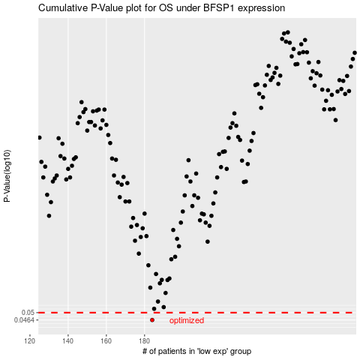

 |  |  |  |  |  | cases_OS | p_OS | rank | exp
 |  |  |  |  |  | 184 | 0.0464 | 386 | -0.30283802442
 |  |  |  |  |  |  | cases_RFS | p_RFS | rank | exp
 |  |  |  |  |  |  | 183 | 0.0464 | 155 | -0.30654769844

