BHLHE40 _multivariate
Reported by Tex Li-Hsing Chi. tex@gate.sinica.edu.tw 2019-08-21

Table 2. The clinicopathological features of HNSCC cohort and BHLHE40 expression. (Chi square test)
Cutoff at 0.02 (62.3%)
 |  | BHLHE40 expression |  | BHLHE40 expression |  | (Optimised)
 | Features | Low | (%) | High | (%) | Case no | P-value | Remark | Matthews
Gender | Female | 194 | 46.7 | 112 | 27 | 415 | 0.5607 | 0 | 0
2 | Male | 65 | 15.7 | 44 | 10.6
Age at diagnosis | <=65y | 168 | 40.5 | 106 | 25.5 | 415 | 0.5923 | 0 | 0
4 | >65y | 91 | 21.9 | 50 | 12
Clinical T Status | T1+T2 | 95 | 22.9 | 54 | 13 | 415 | 0.7498 | 0 | 0
6 | T3+T4 | 164 | 39.5 | 102 | 24.6
Clinical N Status | N0 | 138 | 33.3 | 78 | 18.8 | 415 | 0.5845 | 0 | 0
8 | N1-3 | 121 | 29.2 | 78 | 18.8
Clinical M Status | M0 | 256 | 61.7 | 156 | 37.6 | 415 | 0.2945 | 0 | 0
10 | M1 | 3 | 0.7 | 0 | 0
Clinical Stage | Stage I+II | 68 | 16.4 | 34 | 8.2 | 415 | 0.3658 | 0 | 0
12 | Stage III+IV | 191 | 46 | 122 | 29.4
Surgical Margin status | Negative | 198 | 47.7 | 120 | 28.9 | 415 | 1 | 0 | 0
14 | Positive | 61 | 14.7 | 36 | 8.7
Tobacco Exposure | Low | 102 | 24.6 | 59 | 14.2 | 415 | 0.8353 | 0 | 0
16 | High | 157 | 37.8 | 97 | 23.4

Table 3. Univariate/Multivariate Cox's proportional hazards regression analyses on OS time of BHLHE40 gene expression in HNSCC

 |  | Univariate |  |  |  | Multivariate
 | Features | HR | CI95%(L) | CI95%(H) | P-value | HR | CI95%(L) | CI95%(H) | P-value
1 | Female | 1 |  |  |  | 1
Gender | Male | 1.157 | 0.843 | 1.587 | 0.367 | 1.182 | 0.848 | 1.648 | 0.325
11 | <=65y | 1 |  |  |  | 1
Age at diagnosis | >65y | 1.329 | 0.99 | 1.784 | 0.058 | 1.393 | 1.026 | 1.891 | 0.034
12 | T1+T2 | 1 |  |  |  | 1
Clinical T Status | T3+T4 | 1.409 | 1.028 | 1.931 | 0.033 | 2.296 | 1.215 | 4.338 | 0.011
13 | N0 | 1 |  |  |  | 1
Clinical N Status | N1-3 | 1.185 | 0.89 | 1.577 | 0.246 | 1.253 | 0.879 | 1.787 | 0.213
14 | M0 | 1 |  |  |  | 1
Clinical M Status | M1 | 4.097 | 1.009 | 16.644 | 0.049 | 11.277 | 2.44 | 52.133 | 0.002
15 | Stage I+II | 1 |  |  |  | 1
Clinical Stage | Stage III+IV | 1.245 | 0.882 | 1.759 | 0.213 | 0.473 | 0.22 | 1.016 | 0.055
16 | Negative | 1 |  |  |  | 1
Surgical Margin status | Positive | 1.591 | 1.155 | 2.191 | 0.004 | 1.656 | 1.198 | 2.288 | 0.002
17 | Low | 1 |  |  |  | 1
Tobacco Exposure | High | 1.364 | 1.008 | 1.844 | 0.044 | 1.446 | 1.051 | 1.989 | 0.023
18 | Low | 1 |  |  |  | 1
RNAseq(z-score) | High | 1.373 | 1.031 | 1.83 | 0.03 | 1.419 | 1.062 | 1.897 | 0.018

Table 4. Univariate/Multivariate Cox's proportional hazards regression analyses on RFS time of BHLHE40 gene expression in HNSCC

 |  | Univariate |  |  |  | Multivariate
 | Features | HR | CI95%(L) | CI95%(H) | P-value | HR | CI95%(L) | CI95%(H) | P-value
1 | Female | 1 |  |  |  | 1
Gender | Male | 1.157 | 0.843 | 1.587 | 0.367 | 1.182 | 0.848 | 1.648 | 0.325
11 | <=65y | 1 |  |  |  | 1
Age at diagnosis | >65y | 1.329 | 0.99 | 1.784 | 0.058 | 1.393 | 1.026 | 1.891 | 0.034
12 | T1+T2 | 1 |  |  |  | 1
Clinical T Status | T3+T4 | 1.409 | 1.028 | 1.931 | 0.033 | 2.296 | 1.215 | 4.338 | 0.011
13 | N0 | 1 |  |  |  | 1
Clinical N Status | N1-3 | 1.185 | 0.89 | 1.577 | 0.246 | 1.253 | 0.879 | 1.787 | 0.213
14 | M0 | 1 |  |  |  | 1
Clinical M Status | M1 | 4.097 | 1.009 | 16.644 | 0.049 | 11.277 | 2.44 | 52.133 | 0.002
15 | Stage I+II | 1 |  |  |  | 1
Clinical Stage | Stage III+IV | 1.245 | 0.882 | 1.759 | 0.213 | 0.473 | 0.22 | 1.016 | 0.055
16 | Negative | 1 |  |  |  | 1
Surgical Margin status | Positive | 1.591 | 1.155 | 2.191 | 0.004 | 1.656 | 1.198 | 2.288 | 0.002
17 | Low | 1 |  |  |  | 1
Tobacco Exposure | High | 1.364 | 1.008 | 1.844 | 0.044 | 1.446 | 1.051 | 1.989 | 0.023
18 | Low | 1 |  |  |  | 1
RNAseq(z-score) | High | 1.373 | 1.031 | 1.83 | 0.03 | 1.419 | 1.062 | 1.897 | 0.018

Kaplan-Meier survival estimate: Cutoff at 0.02 (62.3%)

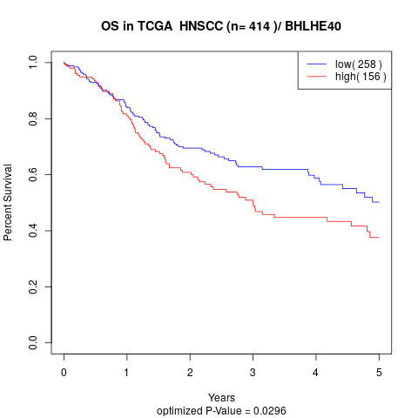

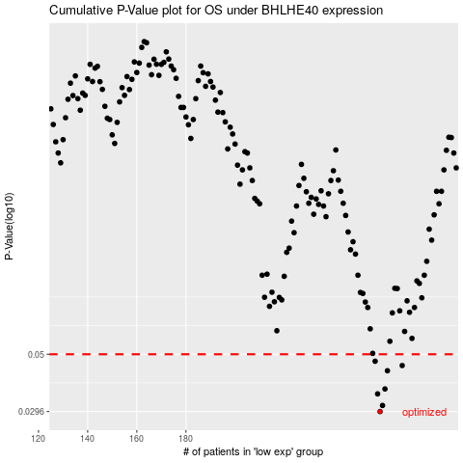

 |  |  |  |  |  | cases_OS | p_OS | rank | exp
 |  |  |  |  |  | 259 | 0.0296 | 279 | 0.020250999465
 |  |  |  |  |  | 260 | 0.0313 | 266 | 0.025316748484
 |  |  |  |  |  | 258 | 0.0348 | 178 | 0.020145883757
 |  |  |  |  |  | 261 | 0.0364 | 87 | 0.029095512338
 |  |  |  |  |  | 262 | 0.043 | 123 | 0.03589313911
 |  |  |  |  |  | 268 | 0.0451 | 70 | 0.052234726395
 |  |  |  |  |  | 257 | 0.0469 | 321 | 0.017241170664
 |  |  |  |  |  |  | cases_RFS | p_RFS | rank | exp
 |  |  |  |  |  |  | 258 | 0.0296 | 178 | 0.020145883757
 |  |  |  |  |  |  | 259 | 0.0313 | 279 | 0.020250999465
 |  |  |  |  |  |  | 257 | 0.0348 | 321 | 0.017241170664
 |  |  |  |  |  |  | 260 | 0.0364 | 266 | 0.025316748484
 |  |  |  |  |  |  | 261 | 0.043 | 87 | 0.029095512338
 |  |  |  |  |  |  | 267 | 0.0451 | 219 | 0.043997155575
 |  |  |  |  |  |  | 256 | 0.0469 | 146 | 0.016486840766

