BHMT2 _multivariate
Reported by Tex Li-Hsing Chi. tex@gate.sinica.edu.tw 2019-08-21

Table 2. The clinicopathological features of HNSCC cohort and BHMT2 expression. (Chi square test)
Cutoff at -0.376 (31.4%)
 |  | BHMT2 expression |  | BHMT2 expression |  | (Optimised)
 | Features | Low | (%) | High | (%) | Case no | P-value | Remark | Matthews
Gender | Female | 98 | 23.6 | 208 | 50.1 | 415 | 0.6925 | 0 | 0
2 | Male | 32 | 7.7 | 77 | 18.6
Age at diagnosis | <=65y | 82 | 19.8 | 192 | 46.3 | 415 | 0.4566 | 0 | 0
4 | >65y | 48 | 11.6 | 93 | 22.4
Clinical T Status | T1+T2 | 42 | 10.1 | 107 | 25.8 | 415 | 0.357 | 0 | 0
6 | T3+T4 | 88 | 21.2 | 178 | 42.9
Clinical N Status | N0 | 73 | 17.6 | 143 | 34.5 | 415 | 0.3055 | 0 | 0
8 | N1-3 | 57 | 13.7 | 142 | 34.2
Clinical M Status | M0 | 128 | 30.8 | 284 | 68.4 | 415 | 0.2323 | 0 | 0
10 | M1 | 2 | 0.5 | 1 | 0.2
Clinical Stage | Stage I+II | 30 | 7.2 | 72 | 17.3 | 415 | 0.7212 | 0 | 0
12 | Stage III+IV | 100 | 24.1 | 213 | 51.3
Surgical Margin status | Negative | 99 | 23.9 | 219 | 52.8 | 415 | 0.9008 | 0 | 0
14 | Positive | 31 | 7.5 | 66 | 15.9
Tobacco Exposure | Low | 56 | 13.5 | 105 | 25.3 | 415 | 0.234 | 0 | 0
16 | High | 74 | 17.8 | 180 | 43.4

Table 3. Univariate/Multivariate Cox's proportional hazards regression analyses on OS time of BHMT2 gene expression in HNSCC

 |  | Univariate |  |  |  | Multivariate
 | Features | HR | CI95%(L) | CI95%(H) | P-value | HR | CI95%(L) | CI95%(H) | P-value
1 | Female | 1 |  |  |  | 1
Gender | Male | 1.157 | 0.843 | 1.587 | 0.367 | 1.215 | 0.868 | 1.702 | 0.256
11 | <=65y | 1 |  |  |  | 1
Age at diagnosis | >65y | 1.329 | 0.99 | 1.784 | 0.058 | 1.369 | 1.007 | 1.861 | 0.045
12 | T1+T2 | 1 |  |  |  | 1
Clinical T Status | T3+T4 | 1.409 | 1.028 | 1.931 | 0.033 | 2.236 | 1.184 | 4.226 | 0.013
13 | N0 | 1 |  |  |  | 1
Clinical N Status | N1-3 | 1.185 | 0.89 | 1.577 | 0.246 | 1.3 | 0.909 | 1.858 | 0.151
14 | M0 | 1 |  |  |  | 1
Clinical M Status | M1 | 4.097 | 1.009 | 16.644 | 0.049 | 8.533 | 1.857 | 39.211 | 0.006
15 | Stage I+II | 1 |  |  |  | 1
Clinical Stage | Stage III+IV | 1.245 | 0.882 | 1.759 | 0.213 | 0.481 | 0.224 | 1.031 | 0.06
16 | Negative | 1 |  |  |  | 1
Surgical Margin status | Positive | 1.591 | 1.155 | 2.191 | 0.004 | 1.696 | 1.227 | 2.344 | 0.001
17 | Low | 1 |  |  |  | 1
Tobacco Exposure | High | 1.364 | 1.008 | 1.844 | 0.044 | 1.499 | 1.085 | 2.07 | 0.014
18 | Low | 1 |  |  |  | 1
RNAseq(z-score) | High | 0.731 | 0.543 | 0.984 | 0.039 | 0.697 | 0.515 | 0.944 | 0.02

Table 4. Univariate/Multivariate Cox's proportional hazards regression analyses on RFS time of BHMT2 gene expression in HNSCC

 |  | Univariate |  |  |  | Multivariate
 | Features | HR | CI95%(L) | CI95%(H) | P-value | HR | CI95%(L) | CI95%(H) | P-value
1 | Female | 1 |  |  |  | 1
Gender | Male | 1.157 | 0.843 | 1.587 | 0.367 | 1.215 | 0.868 | 1.702 | 0.256
11 | <=65y | 1 |  |  |  | 1
Age at diagnosis | >65y | 1.329 | 0.99 | 1.784 | 0.058 | 1.369 | 1.007 | 1.861 | 0.045
12 | T1+T2 | 1 |  |  |  | 1
Clinical T Status | T3+T4 | 1.409 | 1.028 | 1.931 | 0.033 | 2.236 | 1.184 | 4.226 | 0.013
13 | N0 | 1 |  |  |  | 1
Clinical N Status | N1-3 | 1.185 | 0.89 | 1.577 | 0.246 | 1.3 | 0.909 | 1.858 | 0.151
14 | M0 | 1 |  |  |  | 1
Clinical M Status | M1 | 4.097 | 1.009 | 16.644 | 0.049 | 8.533 | 1.857 | 39.211 | 0.006
15 | Stage I+II | 1 |  |  |  | 1
Clinical Stage | Stage III+IV | 1.245 | 0.882 | 1.759 | 0.213 | 0.481 | 0.224 | 1.031 | 0.06
16 | Negative | 1 |  |  |  | 1
Surgical Margin status | Positive | 1.591 | 1.155 | 2.191 | 0.004 | 1.696 | 1.227 | 2.344 | 0.001
17 | Low | 1 |  |  |  | 1
Tobacco Exposure | High | 1.364 | 1.008 | 1.844 | 0.044 | 1.499 | 1.085 | 2.07 | 0.014
18 | Low | 1 |  |  |  | 1
RNAseq(z-score) | High | 0.731 | 0.543 | 0.984 | 0.039 | 0.697 | 0.515 | 0.944 | 0.02

Kaplan-Meier survival estimate: Cutoff at -0.376 (31.4%)



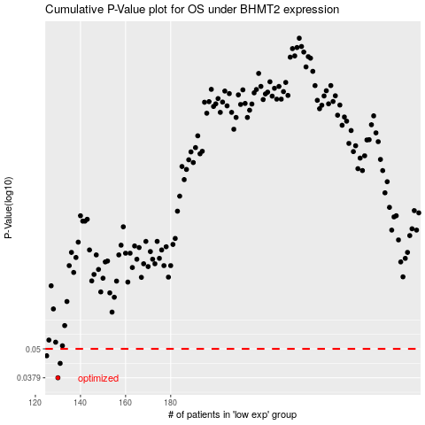

 |  |  |  |  |  | cases_OS | p_OS | rank | exp
 |  |  |  |  |  | 130 | 0.0379 | 360 | -0.37564468207
 |  |  |  |  |  | 131 | 0.0435 | 102 | -0.37335121006
 |  |  |  |  |  | 125 | 0.0468 | 9 | -0.38025125639
 |  |  |  |  |  |  | cases_RFS | p_RFS | rank | exp
 |  |  |  |  |  |  | 129 | 0.0379 | 283 | -0.37599475555
 |  |  |  |  |  |  | 130 | 0.0435 | 360 | -0.37564468207
 |  |  |  |  |  |  |  | 0.0468 | 219 | -0.38239095781

