BICD2 _multivariate
Reported by Tex Li-Hsing Chi. tex@gate.sinica.edu.tw 2019-08-21

Table 2. The clinicopathological features of HNSCC cohort and BICD2 expression. (Chi square test)
Cutoff at -0.118 (50.0%)
 |  | BICD2 expression |  | BICD2 expression |  | (Optimised)
 | Features | Low | (%) | High | (%) | Case no | P-value | Remark | Matthews
Gender | Female | 156 | 37.6 | 150 | 36.1 | 415 | 0.5222 | 0 | 0
2 | Male | 51 | 12.3 | 58 | 14
Age at diagnosis | <=65y | 140 | 33.7 | 134 | 32.3 | 415 | 0.5574 | 0 | 0
4 | >65y | 67 | 16.1 | 74 | 17.8
Clinical T Status | T1+T2 | 79 | 19 | 70 | 16.9 | 415 | 0.3924 | 0 | 0
6 | T3+T4 | 128 | 30.8 | 138 | 33.3
Clinical N Status | N0 | 99 | 23.9 | 117 | 28.2 | 415 | 0.1054 | 0 | 0
8 | N1-3 | 108 | 26 | 91 | 21.9
Clinical M Status | M0 | 206 | 49.6 | 206 | 49.6 | 415 | 1 | 0 | 0
10 | M1 | 1 | 0.2 | 2 | 0.5
Clinical Stage | Stage I+II | 52 | 12.5 | 50 | 12 | 415 | 0.8871 | 0 | 0
12 | Stage III+IV | 155 | 37.3 | 158 | 38.1
Surgical Margin status | Negative | 154 | 37.1 | 164 | 39.5 | 415 | 0.2984 | 0 | 0
14 | Positive | 53 | 12.8 | 44 | 10.6
Tobacco Exposure | Low | 80 | 19.3 | 81 | 19.5 | 415 | 1 | 0 | 0
16 | High | 127 | 30.6 | 127 | 30.6

Table 3. Univariate/Multivariate Cox's proportional hazards regression analyses on OS time of BICD2 gene expression in HNSCC

 |  | Univariate |  |  |  | Multivariate
 | Features | HR | CI95%(L) | CI95%(H) | P-value | HR | CI95%(L) | CI95%(H) | P-value
1 | Female | 1 |  |  |  | 1
Gender | Male | 1.157 | 0.843 | 1.587 | 0.367 | 1.203 | 0.862 | 1.681 | 0.277
11 | <=65y | 1 |  |  |  | 1
Age at diagnosis | >65y | 1.329 | 0.99 | 1.784 | 0.058 | 1.398 | 1.028 | 1.9 | 0.033
12 | T1+T2 | 1 |  |  |  | 1
Clinical T Status | T3+T4 | 1.409 | 1.028 | 1.931 | 0.033 | 2.191 | 1.158 | 4.143 | 0.016
13 | N0 | 1 |  |  |  | 1
Clinical N Status | N1-3 | 1.185 | 0.89 | 1.577 | 0.246 | 1.225 | 0.856 | 1.753 | 0.268
14 | M0 | 1 |  |  |  | 1
Clinical M Status | M1 | 4.097 | 1.009 | 16.644 | 0.049 | 9.457 | 2.063 | 43.353 | 0.004
15 | Stage I+II | 1 |  |  |  | 1
Clinical Stage | Stage III+IV | 1.245 | 0.882 | 1.759 | 0.213 | 0.512 | 0.238 | 1.101 | 0.087
16 | Negative | 1 |  |  |  | 1
Surgical Margin status | Positive | 1.591 | 1.155 | 2.191 | 0.004 | 1.655 | 1.196 | 2.291 | 0.002
17 | Low | 1 |  |  |  | 1
Tobacco Exposure | High | 1.364 | 1.008 | 1.844 | 0.044 | 1.453 | 1.055 | 2.002 | 0.022
18 | Low | 1 |  |  |  | 1
RNAseq(z-score) | High | 0.893 | 0.67 | 1.19 | 0.439 | 0.926 | 0.69 | 1.241 | 0.605

Table 4. Univariate/Multivariate Cox's proportional hazards regression analyses on RFS time of BICD2 gene expression in HNSCC

 |  | Univariate |  |  |  | Multivariate
 | Features | HR | CI95%(L) | CI95%(H) | P-value | HR | CI95%(L) | CI95%(H) | P-value
1 | Female | 1 |  |  |  | 1
Gender | Male | 1.157 | 0.843 | 1.587 | 0.367 | 1.203 | 0.862 | 1.681 | 0.277
11 | <=65y | 1 |  |  |  | 1
Age at diagnosis | >65y | 1.329 | 0.99 | 1.784 | 0.058 | 1.398 | 1.028 | 1.9 | 0.033
12 | T1+T2 | 1 |  |  |  | 1
Clinical T Status | T3+T4 | 1.409 | 1.028 | 1.931 | 0.033 | 2.191 | 1.158 | 4.143 | 0.016
13 | N0 | 1 |  |  |  | 1
Clinical N Status | N1-3 | 1.185 | 0.89 | 1.577 | 0.246 | 1.225 | 0.856 | 1.753 | 0.268
14 | M0 | 1 |  |  |  | 1
Clinical M Status | M1 | 4.097 | 1.009 | 16.644 | 0.049 | 9.457 | 2.063 | 43.353 | 0.004
15 | Stage I+II | 1 |  |  |  | 1
Clinical Stage | Stage III+IV | 1.245 | 0.882 | 1.759 | 0.213 | 0.512 | 0.238 | 1.101 | 0.087
16 | Negative | 1 |  |  |  | 1
Surgical Margin status | Positive | 1.591 | 1.155 | 2.191 | 0.004 | 1.655 | 1.196 | 2.291 | 0.002
17 | Low | 1 |  |  |  | 1
Tobacco Exposure | High | 1.364 | 1.008 | 1.844 | 0.044 | 1.453 | 1.055 | 2.002 | 0.022
18 | Low | 1 |  |  |  | 1
RNAseq(z-score) | High | 0.893 | 0.67 | 1.19 | 0.439 | 0.926 | 0.69 | 1.241 | 0.605

Kaplan-Meier survival estimate: Cutoff at -0.118 (50.0%)



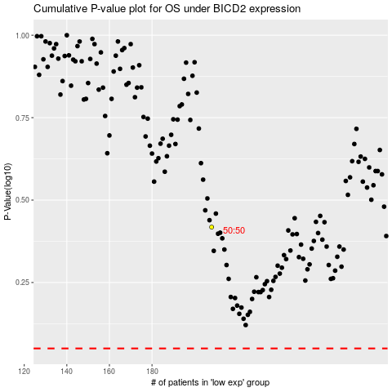

 |  |  |  |  |  | cases_OS | p_OS | rank | exp
 |  |  |  |  |  |  | cases_RFS | p_RFS | rank | exp

