BID _multivariate
Reported by Tex Li-Hsing Chi. tex@gate.sinica.edu.tw 2019-08-21

Table 2. The clinicopathological features of HNSCC cohort and BID expression. (Chi square test)
Cutoff at -0.524 (30.2%)
 |  | BID expression |  | BID expression |  | (Optimised)
 | Features | Low | (%) | High | (%) | Case no | P-value | Remark | Matthews
Gender | Female | 83 | 20 | 223 | 53.7 | 415 | 0.0351 | 1 | 0
2 | Male | 42 | 10.1 | 67 | 16.1
Age at diagnosis | <=65y | 80 | 19.3 | 194 | 46.7 | 415 | 0.6465 | 0 | 0
4 | >65y | 45 | 10.8 | 96 | 23.1
Clinical T Status | T1+T2 | 61 | 14.7 | 88 | 21.2 | 415 | 5e-04 | 1 | 0
6 | T3+T4 | 64 | 15.4 | 202 | 48.7
Clinical N Status | N0 | 69 | 16.6 | 147 | 35.4 | 415 | 0.4613 | 0 | 0
8 | N1-3 | 56 | 13.5 | 143 | 34.5
Clinical M Status | M0 | 124 | 29.9 | 288 | 69.4 | 415 | 1 | 0 | 0
10 | M1 | 1 | 0.2 | 2 | 0.5
Clinical Stage | Stage I+II | 44 | 10.6 | 58 | 14 | 415 | 0.0015 | 1 | 0
12 | Stage III+IV | 81 | 19.5 | 232 | 55.9
Surgical Margin status | Negative | 90 | 21.7 | 228 | 54.9 | 415 | 0.1644 | 0 | 0
14 | Positive | 35 | 8.4 | 62 | 14.9
Tobacco Exposure | Low | 60 | 14.5 | 101 | 24.3 | 415 | 0.0155 | 1 | 0
16 | High | 65 | 15.7 | 189 | 45.5

Table 3. Univariate/Multivariate Cox's proportional hazards regression analyses on OS time of BID gene expression in HNSCC

 |  | Univariate |  |  |  | Multivariate
 | Features | HR | CI95%(L) | CI95%(H) | P-value | HR | CI95%(L) | CI95%(H) | P-value
1 | Female | 1 |  |  |  | 1
Gender | Male | 1.157 | 0.843 | 1.587 | 0.367 | 1.254 | 0.896 | 1.755 | 0.187
11 | <=65y | 1 |  |  |  | 1
Age at diagnosis | >65y | 1.329 | 0.99 | 1.784 | 0.058 | 1.406 | 1.034 | 1.911 | 0.03
12 | T1+T2 | 1 |  |  |  | 1
Clinical T Status | T3+T4 | 1.409 | 1.028 | 1.931 | 0.033 | 2.09 | 1.104 | 3.956 | 0.024
13 | N0 | 1 |  |  |  | 1
Clinical N Status | N1-3 | 1.185 | 0.89 | 1.577 | 0.246 | 1.251 | 0.876 | 1.788 | 0.218
14 | M0 | 1 |  |  |  | 1
Clinical M Status | M1 | 4.097 | 1.009 | 16.644 | 0.049 | 9.415 | 2.053 | 43.165 | 0.004
15 | Stage I+II | 1 |  |  |  | 1
Clinical Stage | Stage III+IV | 1.245 | 0.882 | 1.759 | 0.213 | 0.496 | 0.231 | 1.064 | 0.072
16 | Negative | 1 |  |  |  | 1
Surgical Margin status | Positive | 1.591 | 1.155 | 2.191 | 0.004 | 1.707 | 1.234 | 2.363 | 0.001
17 | Low | 1 |  |  |  | 1
Tobacco Exposure | High | 1.364 | 1.008 | 1.844 | 0.044 | 1.419 | 1.03 | 1.956 | 0.032
18 | Low | 1 |  |  |  | 1
RNAseq(z-score) | High | 1.435 | 1.029 | 2 | 0.033 | 1.451 | 1.028 | 2.05 | 0.034

Table 4. Univariate/Multivariate Cox's proportional hazards regression analyses on RFS time of BID gene expression in HNSCC

 |  | Univariate |  |  |  | Multivariate
 | Features | HR | CI95%(L) | CI95%(H) | P-value | HR | CI95%(L) | CI95%(H) | P-value
1 | Female | 1 |  |  |  | 1
Gender | Male | 1.157 | 0.843 | 1.587 | 0.367 | 1.254 | 0.896 | 1.755 | 0.187
11 | <=65y | 1 |  |  |  | 1
Age at diagnosis | >65y | 1.329 | 0.99 | 1.784 | 0.058 | 1.406 | 1.034 | 1.911 | 0.03
12 | T1+T2 | 1 |  |  |  | 1
Clinical T Status | T3+T4 | 1.409 | 1.028 | 1.931 | 0.033 | 2.09 | 1.104 | 3.956 | 0.024
13 | N0 | 1 |  |  |  | 1
Clinical N Status | N1-3 | 1.185 | 0.89 | 1.577 | 0.246 | 1.251 | 0.876 | 1.788 | 0.218
14 | M0 | 1 |  |  |  | 1
Clinical M Status | M1 | 4.097 | 1.009 | 16.644 | 0.049 | 9.415 | 2.053 | 43.165 | 0.004
15 | Stage I+II | 1 |  |  |  | 1
Clinical Stage | Stage III+IV | 1.245 | 0.882 | 1.759 | 0.213 | 0.496 | 0.231 | 1.064 | 0.072
16 | Negative | 1 |  |  |  | 1
Surgical Margin status | Positive | 1.591 | 1.155 | 2.191 | 0.004 | 1.707 | 1.234 | 2.363 | 0.001
17 | Low | 1 |  |  |  | 1
Tobacco Exposure | High | 1.364 | 1.008 | 1.844 | 0.044 | 1.419 | 1.03 | 1.956 | 0.032
18 | Low | 1 |  |  |  | 1
RNAseq(z-score) | High | 1.435 | 1.029 | 2 | 0.033 | 1.451 | 1.028 | 2.05 | 0.034

Kaplan-Meier survival estimate: Cutoff at -0.524 (30.2%)

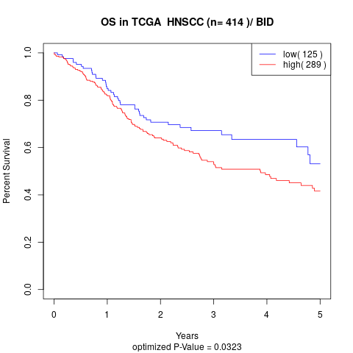

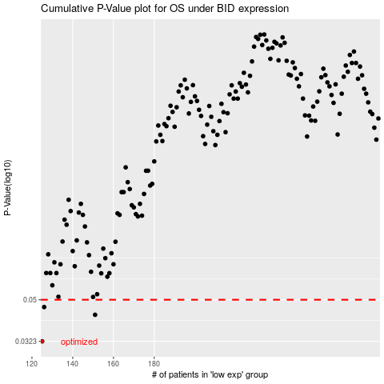

 |  |  |  |  |  | cases_OS | p_OS | rank | exp
 |  |  |  |  |  | 125 | 0.0323 | 43 | -0.52353001917
 |  |  |  |  |  | 151 | 0.0427 | 265 | -0.43722134067
 |  |  |  |  |  | 126 | 0.0463 | 297 | -0.52267179847
 |  |  |  |  |  |  | cases_RFS | p_RFS | rank | exp
 |  |  |  |  |  |  |  | 0.0323 | 239 | -0.52472719799
 |  |  |  |  |  |  | 150 | 0.0427 | 300 | -0.43796101475
 |  |  |  |  |  |  | 125 | 0.0463 | 43 | -0.52353001917

