BIK _multivariate
Reported by Tex Li-Hsing Chi. tex@gate.sinica.edu.tw 2019-08-21

Table 2. The clinicopathological features of HNSCC cohort and BIK expression. (Chi square test)
Cutoff at 0.029 (65.7%)
 |  | BIK expression |  | BIK expression |  | (Optimised)
 | Features | Low | (%) | High | (%) | Case no | P-value | Remark | Matthews
Gender | Female | 199 | 48 | 107 | 25.8 | 415 | 0.6728 | 0 | 0
2 | Male | 74 | 17.8 | 35 | 8.4
Age at diagnosis | <=65y | 182 | 43.9 | 92 | 22.2 | 415 | 0.7841 | 0 | 0
4 | >65y | 91 | 21.9 | 50 | 12
Clinical T Status | T1+T2 | 102 | 24.6 | 47 | 11.3 | 415 | 0.4525 | 0 | 0
6 | T3+T4 | 171 | 41.2 | 95 | 22.9
Clinical N Status | N0 | 145 | 34.9 | 71 | 17.1 | 415 | 0.6179 | 0 | 0
8 | N1-3 | 128 | 30.8 | 71 | 17.1
Clinical M Status | M0 | 273 | 65.8 | 139 | 33.5 | 415 | 0.0395 | 1 | 0
10 | M1 | 0 | 0 | 3 | 0.7
Clinical Stage | Stage I+II | 79 | 19 | 23 | 5.5 | 415 | 0.0061 | 1 | 0
12 | Stage III+IV | 194 | 46.7 | 119 | 28.7
Surgical Margin status | Negative | 212 | 51.1 | 106 | 25.5 | 415 | 0.5413 | 0 | 0
14 | Positive | 61 | 14.7 | 36 | 8.7
Tobacco Exposure | Low | 118 | 28.4 | 43 | 10.4 | 415 | 0.0109 | 1 | 0
16 | High | 155 | 37.3 | 99 | 23.9

Table 3. Univariate/Multivariate Cox's proportional hazards regression analyses on OS time of BIK gene expression in HNSCC

 |  | Univariate |  |  |  | Multivariate
 | Features | HR | CI95%(L) | CI95%(H) | P-value | HR | CI95%(L) | CI95%(H) | P-value
1 | Female | 1 |  |  |  | 1
Gender | Male | 1.157 | 0.843 | 1.587 | 0.367 | 1.186 | 0.849 | 1.658 | 0.318
11 | <=65y | 1 |  |  |  | 1
Age at diagnosis | >65y | 1.329 | 0.99 | 1.784 | 0.058 | 1.377 | 1.013 | 1.872 | 0.041
12 | T1+T2 | 1 |  |  |  | 1
Clinical T Status | T3+T4 | 1.409 | 1.028 | 1.931 | 0.033 | 2.269 | 1.199 | 4.295 | 0.012
13 | N0 | 1 |  |  |  | 1
Clinical N Status | N1-3 | 1.185 | 0.89 | 1.577 | 0.246 | 1.259 | 0.881 | 1.798 | 0.205
14 | M0 | 1 |  |  |  | 1
Clinical M Status | M1 | 4.097 | 1.009 | 16.644 | 0.049 | 8.308 | 1.798 | 38.386 | 0.007
15 | Stage I+II | 1 |  |  |  | 1
Clinical Stage | Stage III+IV | 1.245 | 0.882 | 1.759 | 0.213 | 0.463 | 0.214 | 1.002 | 0.051
16 | Negative | 1 |  |  |  | 1
Surgical Margin status | Positive | 1.591 | 1.155 | 2.191 | 0.004 | 1.657 | 1.199 | 2.29 | 0.002
17 | Low | 1 |  |  |  | 1
Tobacco Exposure | High | 1.364 | 1.008 | 1.844 | 0.044 | 1.392 | 1.005 | 1.929 | 0.046
18 | Low | 1 |  |  |  | 1
RNAseq(z-score) | High | 1.367 | 1.018 | 1.837 | 0.038 | 1.264 | 0.926 | 1.723 | 0.14

Table 4. Univariate/Multivariate Cox's proportional hazards regression analyses on RFS time of BIK gene expression in HNSCC

 |  | Univariate |  |  |  | Multivariate
 | Features | HR | CI95%(L) | CI95%(H) | P-value | HR | CI95%(L) | CI95%(H) | P-value
1 | Female | 1 |  |  |  | 1
Gender | Male | 1.157 | 0.843 | 1.587 | 0.367 | 1.186 | 0.849 | 1.658 | 0.318
11 | <=65y | 1 |  |  |  | 1
Age at diagnosis | >65y | 1.329 | 0.99 | 1.784 | 0.058 | 1.377 | 1.013 | 1.872 | 0.041
12 | T1+T2 | 1 |  |  |  | 1
Clinical T Status | T3+T4 | 1.409 | 1.028 | 1.931 | 0.033 | 2.269 | 1.199 | 4.295 | 0.012
13 | N0 | 1 |  |  |  | 1
Clinical N Status | N1-3 | 1.185 | 0.89 | 1.577 | 0.246 | 1.259 | 0.881 | 1.798 | 0.205
14 | M0 | 1 |  |  |  | 1
Clinical M Status | M1 | 4.097 | 1.009 | 16.644 | 0.049 | 8.308 | 1.798 | 38.386 | 0.007
15 | Stage I+II | 1 |  |  |  | 1
Clinical Stage | Stage III+IV | 1.245 | 0.882 | 1.759 | 0.213 | 0.463 | 0.214 | 1.002 | 0.051
16 | Negative | 1 |  |  |  | 1
Surgical Margin status | Positive | 1.591 | 1.155 | 2.191 | 0.004 | 1.657 | 1.199 | 2.29 | 0.002
17 | Low | 1 |  |  |  | 1
Tobacco Exposure | High | 1.364 | 1.008 | 1.844 | 0.044 | 1.392 | 1.005 | 1.929 | 0.046
18 | Low | 1 |  |  |  | 1
RNAseq(z-score) | High | 1.367 | 1.018 | 1.837 | 0.038 | 1.264 | 0.926 | 1.723 | 0.14

Kaplan-Meier survival estimate: Cutoff at 0.029 (65.7%)



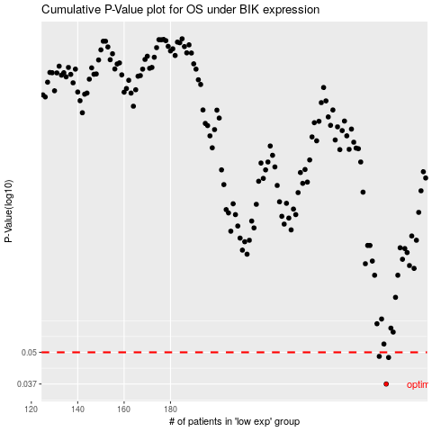

 |  |  |  |  |  | cases_OS | p_OS | rank | exp
 |  |  |  |  |  | 273 | 0.037 | 92 | 0.028501476362
 |  |  |  |  |  | 274 | 0.0476 | 372 | 0.033741192014
 |  |  |  |  |  | 270 | 0.0481 | 247 | 0.025393618769
 |  |  |  |  |  |  | cases_RFS | p_RFS | rank | exp
 |  |  |  |  |  |  | 272 | 0.037 | 403 | 0.026745647029
 |  |  |  |  |  |  | 273 | 0.0476 | 92 | 0.028501476362
 |  |  |  |  |  |  | 269 | 0.0481 | 195 | 0.024937799655

