BIRC3 _multivariate
Reported by Tex Li-Hsing Chi. tex@gate.sinica.edu.tw 2019-08-21

Table 2. The clinicopathological features of HNSCC cohort and BIRC3 expression. (Chi square test)
Cutoff at -0.185 (63.8%)
 |  | BIRC3 expression |  | BIRC3 expression |  | (Optimised)
 | Features | Low | (%) | High | (%) | Case no | P-value | Remark | Matthews
Gender | Female | 194 | 46.7 | 112 | 27 | 415 | 0.9704 | 0 | 0
2 | Male | 70 | 16.9 | 39 | 9.4
Age at diagnosis | <=65y | 166 | 40 | 108 | 26 | 415 | 0.0927 | 0 | 0
4 | >65y | 98 | 23.6 | 43 | 10.4
Clinical T Status | T1+T2 | 95 | 22.9 | 54 | 13 | 415 | 1 | 0 | 0
6 | T3+T4 | 169 | 40.7 | 97 | 23.4
Clinical N Status | N0 | 142 | 34.2 | 74 | 17.8 | 415 | 0.4032 | 0 | 0
8 | N1-3 | 122 | 29.4 | 77 | 18.6
Clinical M Status | M0 | 261 | 62.9 | 151 | 36.4 | 415 | 0.5567 | 0 | 0
10 | M1 | 3 | 0.7 | 0 | 0
Clinical Stage | Stage I+II | 72 | 17.3 | 30 | 7.2 | 415 | 0.1171 | 0 | 0
12 | Stage III+IV | 192 | 46.3 | 121 | 29.2
Surgical Margin status | Negative | 202 | 48.7 | 116 | 28 | 415 | 1 | 0 | 0
14 | Positive | 62 | 14.9 | 35 | 8.4
Tobacco Exposure | Low | 107 | 25.8 | 54 | 13 | 415 | 0.3481 | 0 | 0
16 | High | 157 | 37.8 | 97 | 23.4

Table 3. Univariate/Multivariate Cox's proportional hazards regression analyses on OS time of BIRC3 gene expression in HNSCC

 |  | Univariate |  |  |  | Multivariate
 | Features | HR | CI95%(L) | CI95%(H) | P-value | HR | CI95%(L) | CI95%(H) | P-value
1 | Female | 1 |  |  |  | 1
Gender | Male | 1.157 | 0.843 | 1.587 | 0.367 | 1.19 | 0.851 | 1.664 | 0.309
11 | <=65y | 1 |  |  |  | 1
Age at diagnosis | >65y | 1.329 | 0.99 | 1.784 | 0.058 | 1.361 | 1 | 1.852 | 0.05
12 | T1+T2 | 1 |  |  |  | 1
Clinical T Status | T3+T4 | 1.409 | 1.028 | 1.931 | 0.033 | 2.058 | 1.081 | 3.917 | 0.028
13 | N0 | 1 |  |  |  | 1
Clinical N Status | N1-3 | 1.185 | 0.89 | 1.577 | 0.246 | 1.215 | 0.851 | 1.735 | 0.283
14 | M0 | 1 |  |  |  | 1
Clinical M Status | M1 | 4.097 | 1.009 | 16.644 | 0.049 | 8.155 | 1.761 | 37.765 | 0.007
15 | Stage I+II | 1 |  |  |  | 1
Clinical Stage | Stage III+IV | 1.245 | 0.882 | 1.759 | 0.213 | 0.547 | 0.253 | 1.183 | 0.125
16 | Negative | 1 |  |  |  | 1
Surgical Margin status | Positive | 1.591 | 1.155 | 2.191 | 0.004 | 1.69 | 1.222 | 2.336 | 0.002
17 | Low | 1 |  |  |  | 1
Tobacco Exposure | High | 1.364 | 1.008 | 1.844 | 0.044 | 1.448 | 1.05 | 1.998 | 0.024
18 | Low | 1 |  |  |  | 1
RNAseq(z-score) | High | 0.73 | 0.536 | 0.996 | 0.047 | 0.787 | 0.574 | 1.08 | 0.138

Table 4. Univariate/Multivariate Cox's proportional hazards regression analyses on RFS time of BIRC3 gene expression in HNSCC

 |  | Univariate |  |  |  | Multivariate
 | Features | HR | CI95%(L) | CI95%(H) | P-value | HR | CI95%(L) | CI95%(H) | P-value
1 | Female | 1 |  |  |  | 1
Gender | Male | 1.157 | 0.843 | 1.587 | 0.367 | 1.19 | 0.851 | 1.664 | 0.309
11 | <=65y | 1 |  |  |  | 1
Age at diagnosis | >65y | 1.329 | 0.99 | 1.784 | 0.058 | 1.361 | 1 | 1.852 | 0.05
12 | T1+T2 | 1 |  |  |  | 1
Clinical T Status | T3+T4 | 1.409 | 1.028 | 1.931 | 0.033 | 2.058 | 1.081 | 3.917 | 0.028
13 | N0 | 1 |  |  |  | 1
Clinical N Status | N1-3 | 1.185 | 0.89 | 1.577 | 0.246 | 1.215 | 0.851 | 1.735 | 0.283
14 | M0 | 1 |  |  |  | 1
Clinical M Status | M1 | 4.097 | 1.009 | 16.644 | 0.049 | 8.155 | 1.761 | 37.765 | 0.007
15 | Stage I+II | 1 |  |  |  | 1
Clinical Stage | Stage III+IV | 1.245 | 0.882 | 1.759 | 0.213 | 0.547 | 0.253 | 1.183 | 0.125
16 | Negative | 1 |  |  |  | 1
Surgical Margin status | Positive | 1.591 | 1.155 | 2.191 | 0.004 | 1.69 | 1.222 | 2.336 | 0.002
17 | Low | 1 |  |  |  | 1
Tobacco Exposure | High | 1.364 | 1.008 | 1.844 | 0.044 | 1.448 | 1.05 | 1.998 | 0.024
18 | Low | 1 |  |  |  | 1
RNAseq(z-score) | High | 0.73 | 0.536 | 0.996 | 0.047 | 0.787 | 0.574 | 1.08 | 0.138

Kaplan-Meier survival estimate: Cutoff at -0.185 (63.8%)



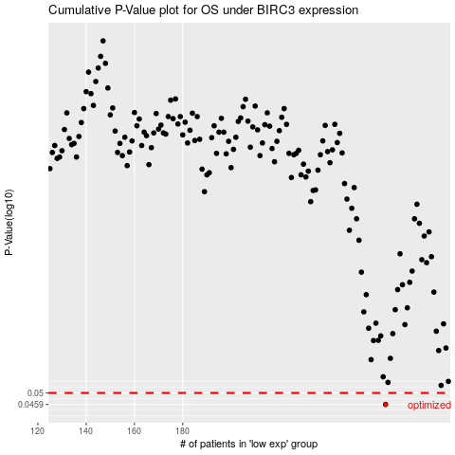

 |  |  |  |  |  | cases_OS | p_OS | rank | exp
 |  |  |  |  |  | 264 | 0.0459 | 167 | -0.18541769571
 |  |  |  |  |  |  | cases_RFS | p_RFS | rank | exp
 |  |  |  |  |  |  | 263 | 0.0459 | 248 | -0.18753824364

