BLOC1S1 _multivariate
Reported by Tex Li-Hsing Chi. tex@gate.sinica.edu.tw 2019-08-21

Table 2. The clinicopathological features of HNSCC cohort and BLOC1S1 expression. (Chi square test)
Cutoff at -0.375 (50.0%)
 |  | BLOC1S1 expression |  | BLOC1S1 expression |  | (Optimised)
 | Features | Low | (%) | High | (%) | Case no | P-value | Remark | Matthews
Gender | Female | 151 | 36.4 | 155 | 37.3 | 415 | 0.8007 | 0 | 0
2 | Male | 56 | 13.5 | 53 | 12.8
Age at diagnosis | <=65y | 141 | 34 | 133 | 32 | 415 | 0.4272 | 0 | 0
4 | >65y | 66 | 15.9 | 75 | 18.1
Clinical T Status | T1+T2 | 70 | 16.9 | 79 | 19 | 415 | 0.4343 | 0 | 0
6 | T3+T4 | 137 | 33 | 129 | 31.1
Clinical N Status | N0 | 107 | 25.8 | 109 | 26.3 | 415 | 0.9624 | 0 | 0
8 | N1-3 | 100 | 24.1 | 99 | 23.9
Clinical M Status | M0 | 207 | 49.9 | 205 | 49.4 | 415 | 0.2482 | 0 | 0
10 | M1 | 0 | 0 | 3 | 0.7
Clinical Stage | Stage I+II | 50 | 12 | 52 | 12.5 | 415 | 0.9315 | 0 | 0
12 | Stage III+IV | 157 | 37.8 | 156 | 37.6
Surgical Margin status | Negative | 162 | 39 | 156 | 37.6 | 415 | 0.4867 | 0 | 0
14 | Positive | 45 | 10.8 | 52 | 12.5
Tobacco Exposure | Low | 76 | 18.3 | 85 | 20.5 | 415 | 0.4207 | 0 | 0
16 | High | 131 | 31.6 | 123 | 29.6

Table 3. Univariate/Multivariate Cox's proportional hazards regression analyses on OS time of BLOC1S1 gene expression in HNSCC

 |  | Univariate |  |  |  | Multivariate
 | Features | HR | CI95%(L) | CI95%(H) | P-value | HR | CI95%(L) | CI95%(H) | P-value
1 | Female | 1 |  |  |  | 1
Gender | Male | 1.157 | 0.843 | 1.587 | 0.367 | 1.201 | 0.859 | 1.678 | 0.284
11 | <=65y | 1 |  |  |  | 1
Age at diagnosis | >65y | 1.329 | 0.99 | 1.784 | 0.058 | 1.397 | 1.027 | 1.899 | 0.033
12 | T1+T2 | 1 |  |  |  | 1
Clinical T Status | T3+T4 | 1.409 | 1.028 | 1.931 | 0.033 | 2.188 | 1.157 | 4.14 | 0.016
13 | N0 | 1 |  |  |  | 1
Clinical N Status | N1-3 | 1.185 | 0.89 | 1.577 | 0.246 | 1.242 | 0.871 | 1.772 | 0.232
14 | M0 | 1 |  |  |  | 1
Clinical M Status | M1 | 4.097 | 1.009 | 16.644 | 0.049 | 10.033 | 2.173 | 46.323 | 0.003
15 | Stage I+II | 1 |  |  |  | 1
Clinical Stage | Stage III+IV | 1.245 | 0.882 | 1.759 | 0.213 | 0.507 | 0.236 | 1.088 | 0.081
16 | Negative | 1 |  |  |  | 1
Surgical Margin status | Positive | 1.591 | 1.155 | 2.191 | 0.004 | 1.703 | 1.229 | 2.36 | 0.001
17 | Low | 1 |  |  |  | 1
Tobacco Exposure | High | 1.364 | 1.008 | 1.844 | 0.044 | 1.445 | 1.048 | 1.991 | 0.025
18 | Low | 1 |  |  |  | 1
RNAseq(z-score) | High | 0.916 | 0.688 | 1.221 | 0.551 | 0.876 | 0.654 | 1.173 | 0.373

Table 4. Univariate/Multivariate Cox's proportional hazards regression analyses on RFS time of BLOC1S1 gene expression in HNSCC

 |  | Univariate |  |  |  | Multivariate
 | Features | HR | CI95%(L) | CI95%(H) | P-value | HR | CI95%(L) | CI95%(H) | P-value
1 | Female | 1 |  |  |  | 1
Gender | Male | 1.157 | 0.843 | 1.587 | 0.367 | 1.201 | 0.859 | 1.678 | 0.284
11 | <=65y | 1 |  |  |  | 1
Age at diagnosis | >65y | 1.329 | 0.99 | 1.784 | 0.058 | 1.397 | 1.027 | 1.899 | 0.033
12 | T1+T2 | 1 |  |  |  | 1
Clinical T Status | T3+T4 | 1.409 | 1.028 | 1.931 | 0.033 | 2.188 | 1.157 | 4.14 | 0.016
13 | N0 | 1 |  |  |  | 1
Clinical N Status | N1-3 | 1.185 | 0.89 | 1.577 | 0.246 | 1.242 | 0.871 | 1.772 | 0.232
14 | M0 | 1 |  |  |  | 1
Clinical M Status | M1 | 4.097 | 1.009 | 16.644 | 0.049 | 10.033 | 2.173 | 46.323 | 0.003
15 | Stage I+II | 1 |  |  |  | 1
Clinical Stage | Stage III+IV | 1.245 | 0.882 | 1.759 | 0.213 | 0.507 | 0.236 | 1.088 | 0.081
16 | Negative | 1 |  |  |  | 1
Surgical Margin status | Positive | 1.591 | 1.155 | 2.191 | 0.004 | 1.703 | 1.229 | 2.36 | 0.001
17 | Low | 1 |  |  |  | 1
Tobacco Exposure | High | 1.364 | 1.008 | 1.844 | 0.044 | 1.445 | 1.048 | 1.991 | 0.025
18 | Low | 1 |  |  |  | 1
RNAseq(z-score) | High | 0.916 | 0.688 | 1.221 | 0.551 | 0.876 | 0.654 | 1.173 | 0.373

Kaplan-Meier survival estimate: Cutoff at -0.375 (50.0%)



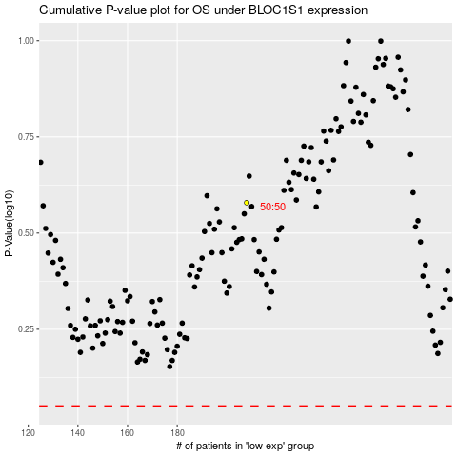

 |  |  |  |  |  | cases_OS | p_OS | rank | exp
 |  |  |  |  |  |  | cases_RFS | p_RFS | rank | exp

