BLOC1S2 _multivariate
Reported by Tex Li-Hsing Chi. tex@gate.sinica.edu.tw 2019-08-21

Table 2. The clinicopathological features of HNSCC cohort and BLOC1S2 expression. (Chi square test)
Cutoff at -0.092 (50.0%)
 |  | BLOC1S2 expression |  | BLOC1S2 expression |  | (Optimised)
 | Features | Low | (%) | High | (%) | Case no | P-value | Remark | Matthews
Gender | Female | 161 | 38.8 | 145 | 34.9 | 415 | 0.0792 | 0 | 0
2 | Male | 46 | 11.1 | 63 | 15.2
Age at diagnosis | <=65y | 132 | 31.8 | 142 | 34.2 | 415 | 0.3874 | 0 | 0
4 | >65y | 75 | 18.1 | 66 | 15.9
Clinical T Status | T1+T2 | 68 | 16.4 | 81 | 19.5 | 415 | 0.2336 | 0 | 0
6 | T3+T4 | 139 | 33.5 | 127 | 30.6
Clinical N Status | N0 | 103 | 24.8 | 113 | 27.2 | 415 | 0.4047 | 0 | 0
8 | N1-3 | 104 | 25.1 | 95 | 22.9
Clinical M Status | M0 | 207 | 49.9 | 205 | 49.4 | 415 | 0.2482 | 0 | 0
10 | M1 | 0 | 0 | 3 | 0.7
Clinical Stage | Stage I+II | 44 | 10.6 | 58 | 14 | 415 | 0.1459 | 0 | 0
12 | Stage III+IV | 163 | 39.3 | 150 | 36.1
Surgical Margin status | Negative | 166 | 40 | 152 | 36.6 | 415 | 0.1042 | 0 | 0
14 | Positive | 41 | 9.9 | 56 | 13.5
Tobacco Exposure | Low | 69 | 16.6 | 92 | 22.2 | 415 | 0.0266 | 1 | 0
16 | High | 138 | 33.3 | 116 | 28

Table 3. Univariate/Multivariate Cox's proportional hazards regression analyses on OS time of BLOC1S2 gene expression in HNSCC

 |  | Univariate |  |  |  | Multivariate
 | Features | HR | CI95%(L) | CI95%(H) | P-value | HR | CI95%(L) | CI95%(H) | P-value
1 | Female | 1 |  |  |  | 1
Gender | Male | 1.157 | 0.843 | 1.587 | 0.367 | 1.207 | 0.86 | 1.696 | 0.277
11 | <=65y | 1 |  |  |  | 1
Age at diagnosis | >65y | 1.329 | 0.99 | 1.784 | 0.058 | 1.387 | 1.017 | 1.891 | 0.039
12 | T1+T2 | 1 |  |  |  | 1
Clinical T Status | T3+T4 | 1.409 | 1.028 | 1.931 | 0.033 | 2.202 | 1.165 | 4.164 | 0.015
13 | N0 | 1 |  |  |  | 1
Clinical N Status | N1-3 | 1.185 | 0.89 | 1.577 | 0.246 | 1.24 | 0.869 | 1.77 | 0.235
14 | M0 | 1 |  |  |  | 1
Clinical M Status | M1 | 4.097 | 1.009 | 16.644 | 0.049 | 9.536 | 2.06 | 44.145 | 0.004
15 | Stage I+II | 1 |  |  |  | 1
Clinical Stage | Stage III+IV | 1.245 | 0.882 | 1.759 | 0.213 | 0.503 | 0.234 | 1.081 | 0.078
16 | Negative | 1 |  |  |  | 1
Surgical Margin status | Positive | 1.591 | 1.155 | 2.191 | 0.004 | 1.676 | 1.211 | 2.319 | 0.002
17 | Low | 1 |  |  |  | 1
Tobacco Exposure | High | 1.364 | 1.008 | 1.844 | 0.044 | 1.45 | 1.052 | 2 | 0.023
18 | Low | 1 |  |  |  | 1
RNAseq(z-score) | High | 0.973 | 0.729 | 1.298 | 0.852 | 0.976 | 0.722 | 1.321 | 0.877

Table 4. Univariate/Multivariate Cox's proportional hazards regression analyses on RFS time of BLOC1S2 gene expression in HNSCC

 |  | Univariate |  |  |  | Multivariate
 | Features | HR | CI95%(L) | CI95%(H) | P-value | HR | CI95%(L) | CI95%(H) | P-value
1 | Female | 1 |  |  |  | 1
Gender | Male | 1.157 | 0.843 | 1.587 | 0.367 | 1.207 | 0.86 | 1.696 | 0.277
11 | <=65y | 1 |  |  |  | 1
Age at diagnosis | >65y | 1.329 | 0.99 | 1.784 | 0.058 | 1.387 | 1.017 | 1.891 | 0.039
12 | T1+T2 | 1 |  |  |  | 1
Clinical T Status | T3+T4 | 1.409 | 1.028 | 1.931 | 0.033 | 2.202 | 1.165 | 4.164 | 0.015
13 | N0 | 1 |  |  |  | 1
Clinical N Status | N1-3 | 1.185 | 0.89 | 1.577 | 0.246 | 1.24 | 0.869 | 1.77 | 0.235
14 | M0 | 1 |  |  |  | 1
Clinical M Status | M1 | 4.097 | 1.009 | 16.644 | 0.049 | 9.536 | 2.06 | 44.145 | 0.004
15 | Stage I+II | 1 |  |  |  | 1
Clinical Stage | Stage III+IV | 1.245 | 0.882 | 1.759 | 0.213 | 0.503 | 0.234 | 1.081 | 0.078
16 | Negative | 1 |  |  |  | 1
Surgical Margin status | Positive | 1.591 | 1.155 | 2.191 | 0.004 | 1.676 | 1.211 | 2.319 | 0.002
17 | Low | 1 |  |  |  | 1
Tobacco Exposure | High | 1.364 | 1.008 | 1.844 | 0.044 | 1.45 | 1.052 | 2 | 0.023
18 | Low | 1 |  |  |  | 1
RNAseq(z-score) | High | 0.973 | 0.729 | 1.298 | 0.852 | 0.976 | 0.722 | 1.321 | 0.877

Kaplan-Meier survival estimate: Cutoff at -0.092 (50.0%)



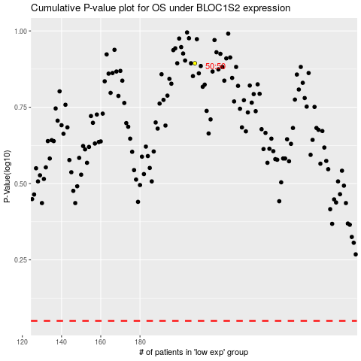

 |  |  |  |  |  | cases_OS | p_OS | rank | exp
 |  |  |  |  |  |  | cases_RFS | p_RFS | rank | exp

